Map
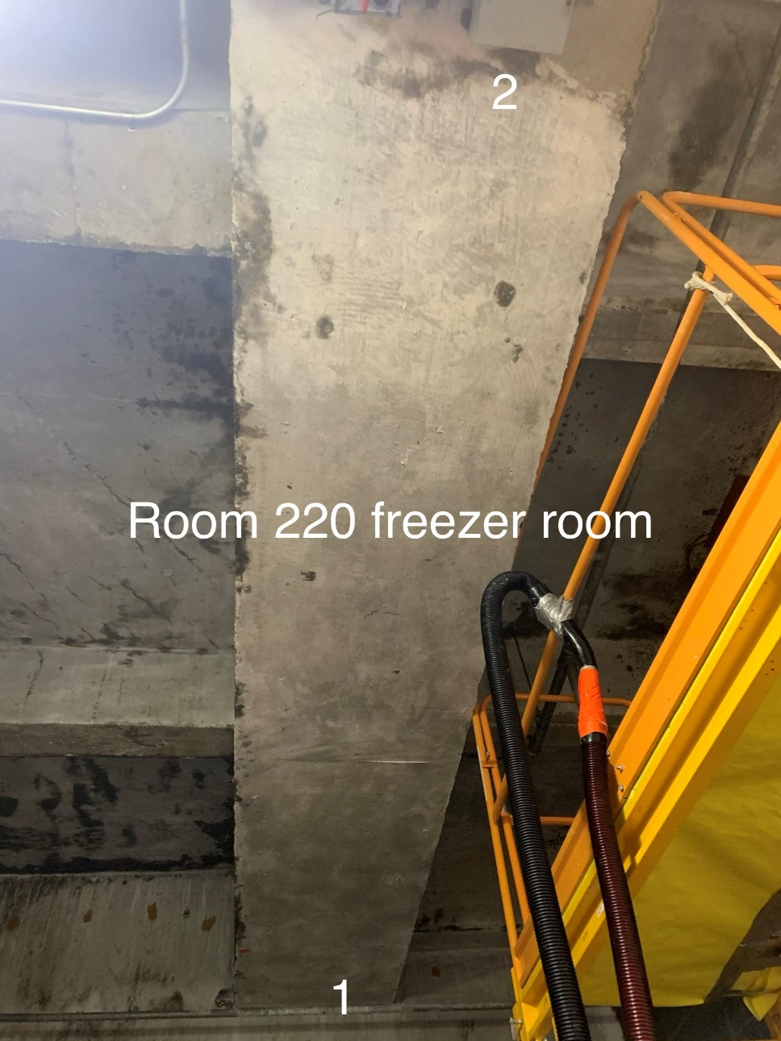

Survey No | INIS-020820-1186
Date | 2020-02-07
Survey Tech | D. Dodge
Count Room Tech | S. Baine
Date Counted | 2020-02-08
Survey Type | Characterization
Level of Posting | CA
Comments

