Map
 | 2020-02-08

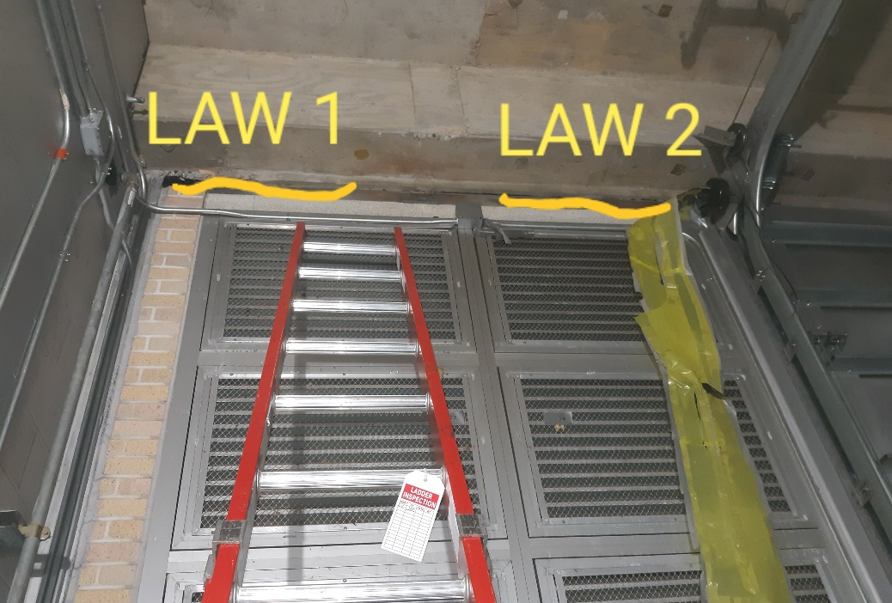
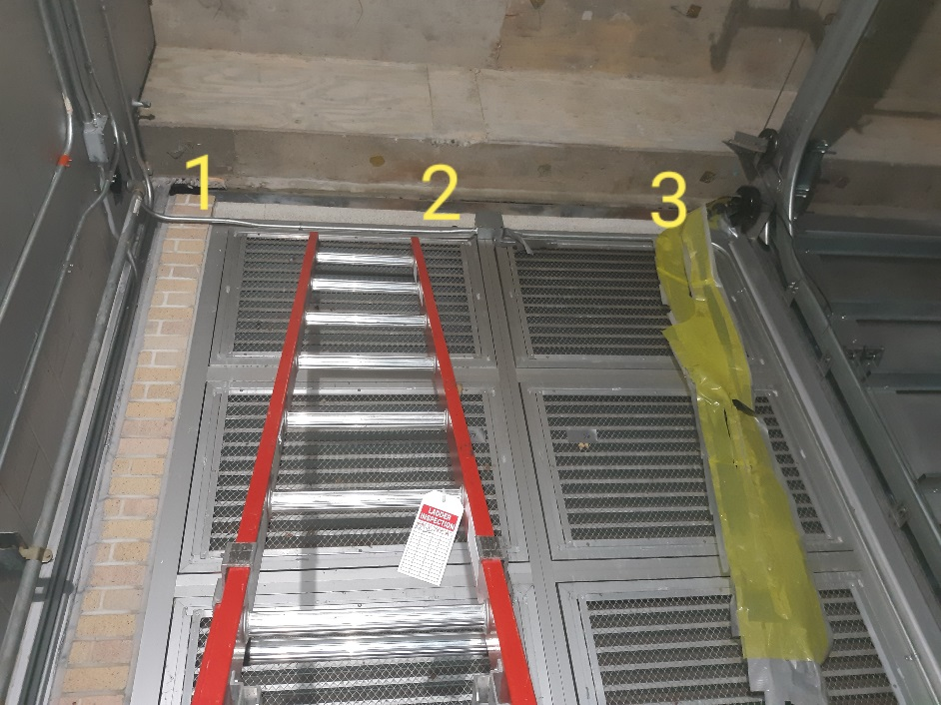

Survey No |  | INIS-020820-1191
Date |  | 2020-02-08
Survey Tech |  | L. Cuneo
Count Room Tech |  | S. Baine
Date Counted |  | 2020-02-08
Survey Type |  | Characterization
Level of Posting |  | CA
Comments

