Map (2)
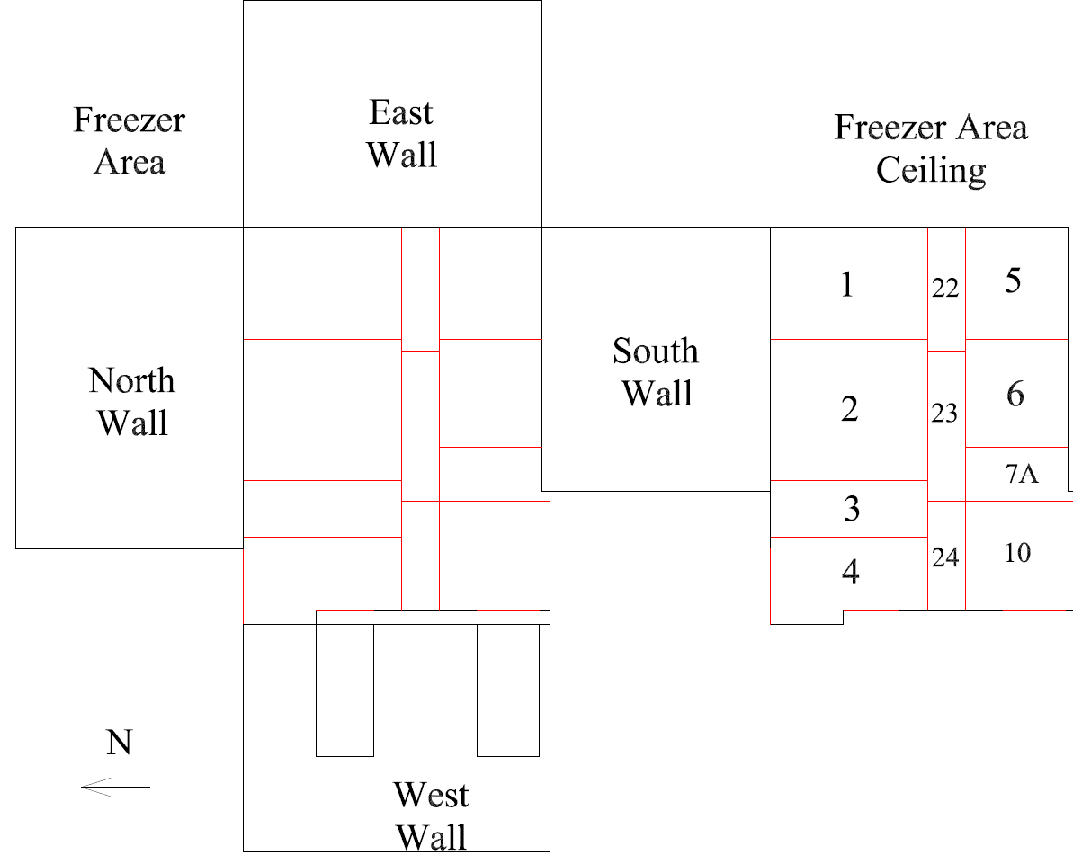

Survey No | INIS-021220-1222
Date | 2020-02-11
Survey Tech | M. Renderos / M. Dodge
Count Room Tech | P. Ray
Date Counted | 2020-02-12
Survey Type | Characterization
Level of Posting | CA
Comments

Map
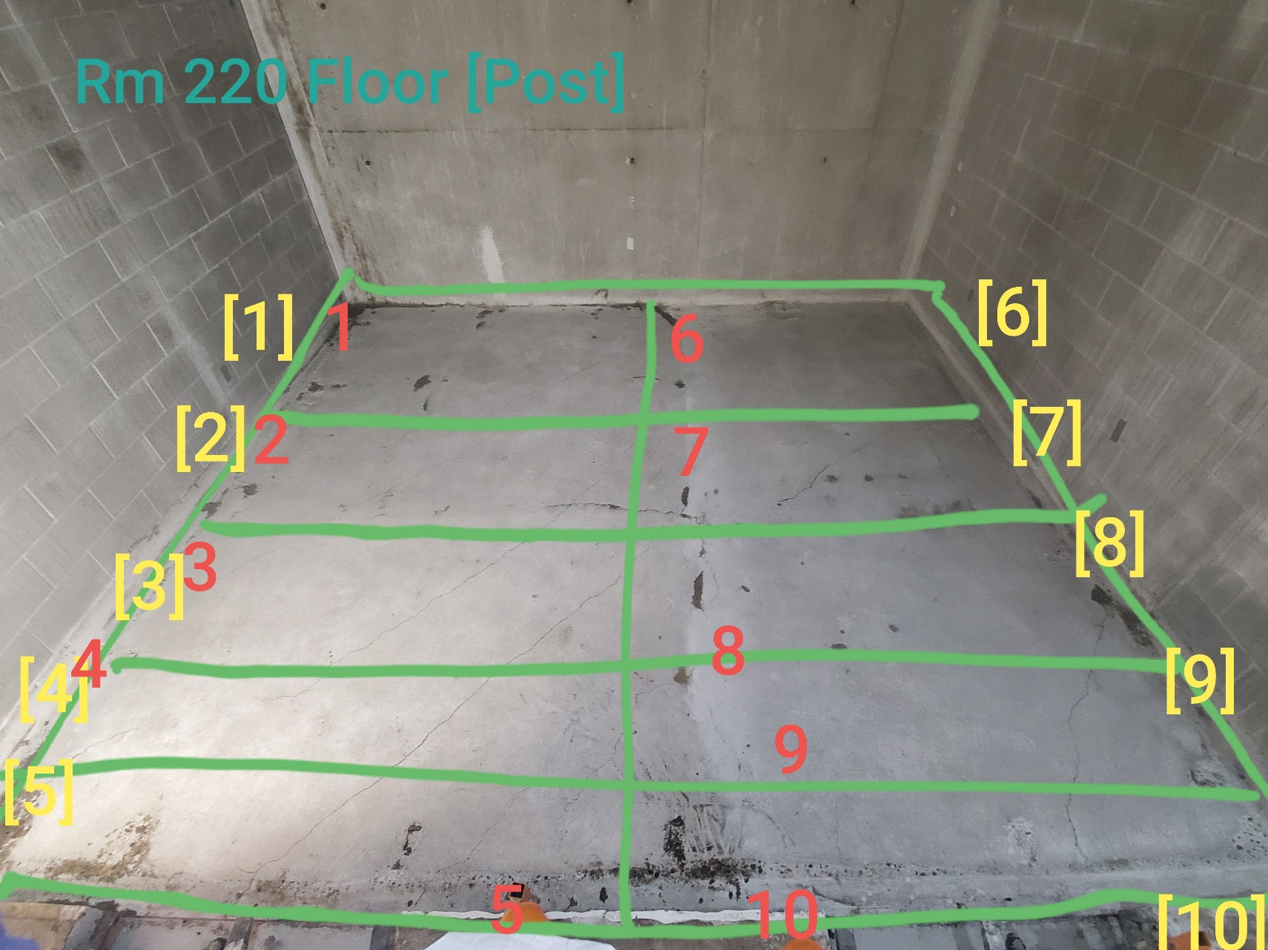

Survey No | INIS-021220-1222
Date | 2020-02-11
Survey Tech | M. Renderos / M. Dodge
Count Room Tech | P. Ray
Date Counted | 2020-02-12
Survey Type | Characterization
Level of Posting | CA
Comments

