Map
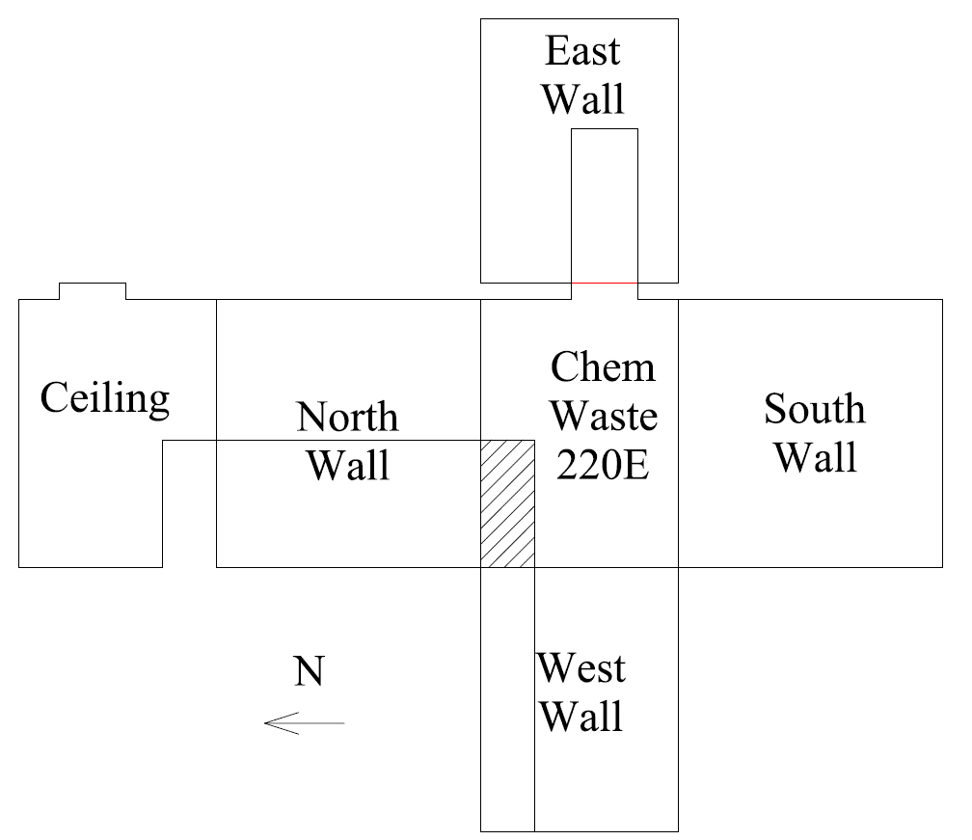

Survey No | INIS-021820-1276
Date | 2020-02-17
Survey Tech | M. Renderos
Count Room Tech | P. Ray
Date Counted | 2020-02-18
Survey Type | Characterization
Level of Posting | CA
Comments

Map (2)
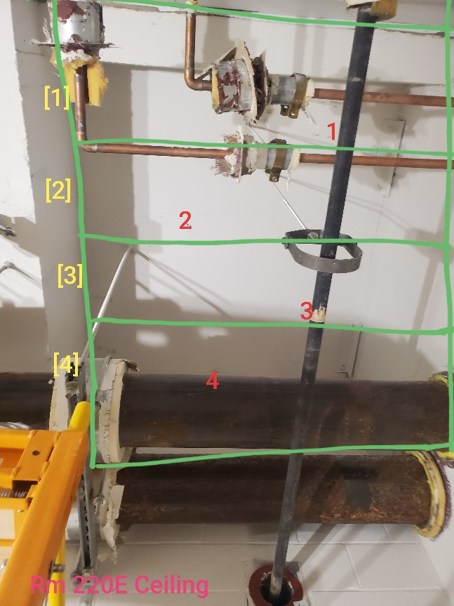
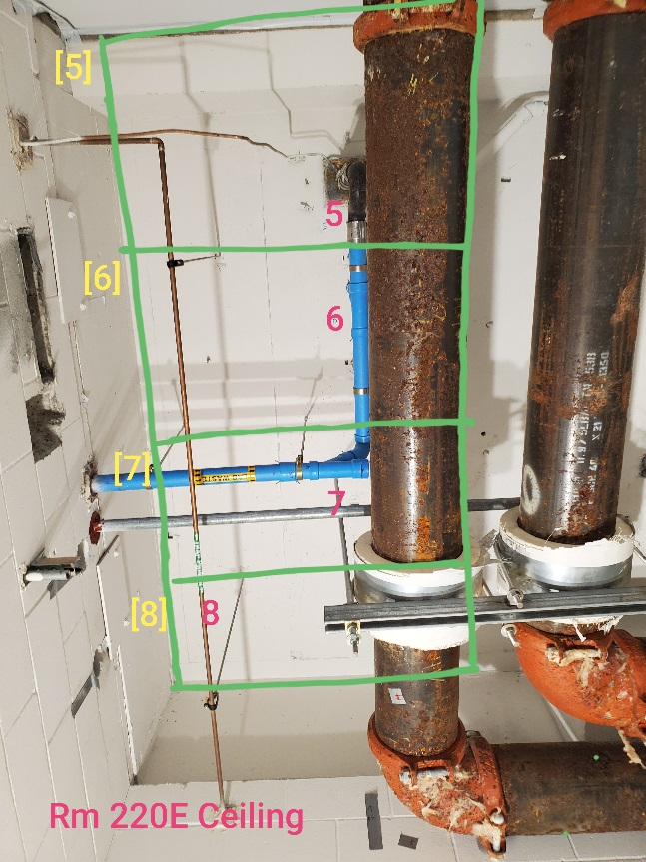
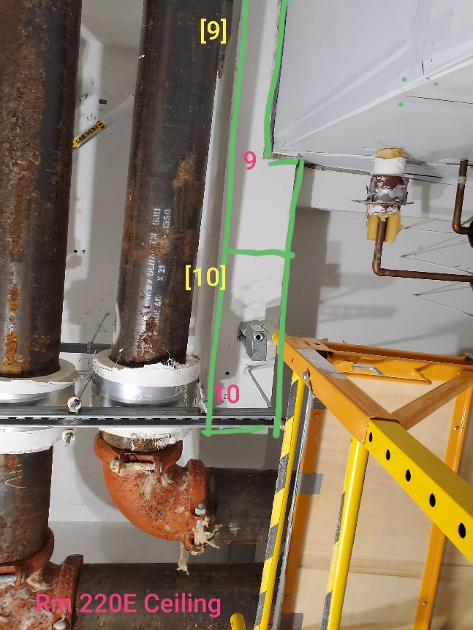

Survey No | INIS-021820-1276
Date | 2020-02-17
Survey Tech | M. Renderos
Count Room Tech | P. Ray
Date Counted | 2020-02-18
Survey Type | Characterization
Level of Posting | CA
Comments

