Map
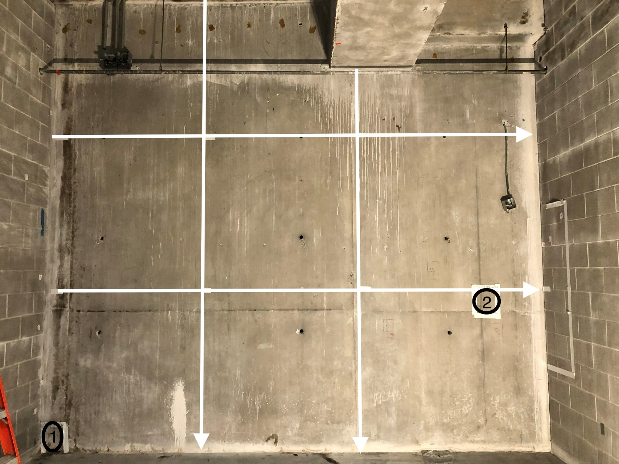

Survey No | INIS-021920-1293
Date | 2020-02-18
Survey Tech | J. Cuevas
Count Room Tech | P. Ray
Date Counted | 2020-02-19
Survey Type | Characterization
Level of Posting | CA
Comments

Map (3)
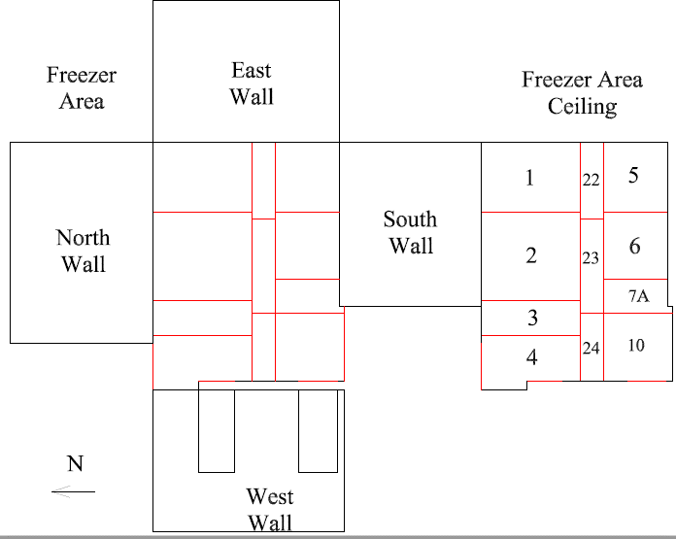

Survey No | INIS-021920-1293
Date | 2020-02-18
Survey Tech | J. Cuevas
Count Room Tech | P. Ray
Date Counted | 2020-02-19
Survey Type | Characterization
Level of Posting | CA
Comments

