Map (2)
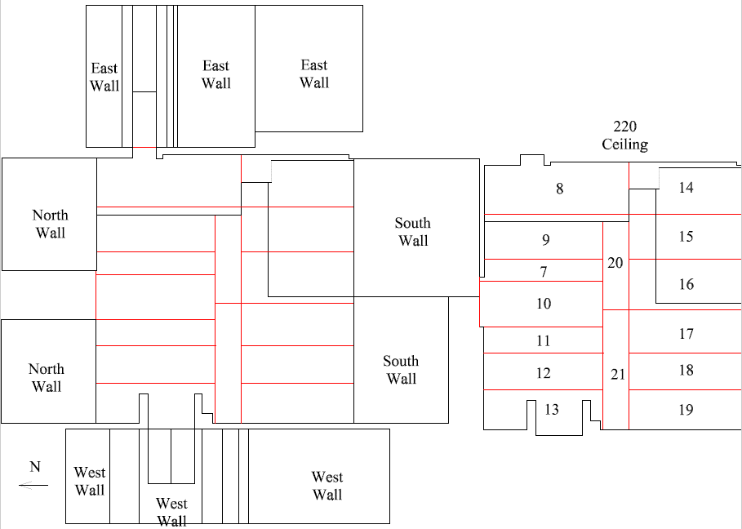

Survey No | INIS-022020-1300
Date | 2020-02-19
Survey Tech | M. Renderos
Count Room Tech | P. Ray
Date Counted | 2020-02-20
Survey Type | Characterization
Level of Posting | CA
Comments

Map
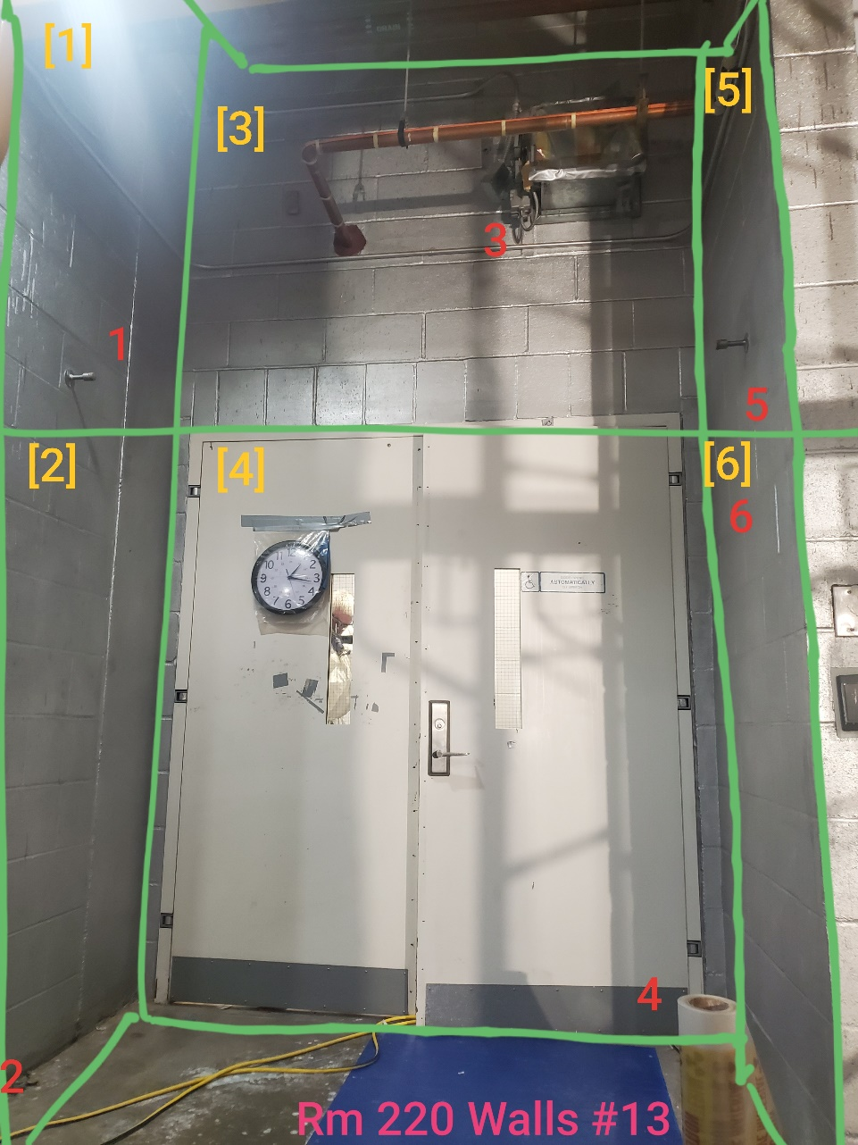
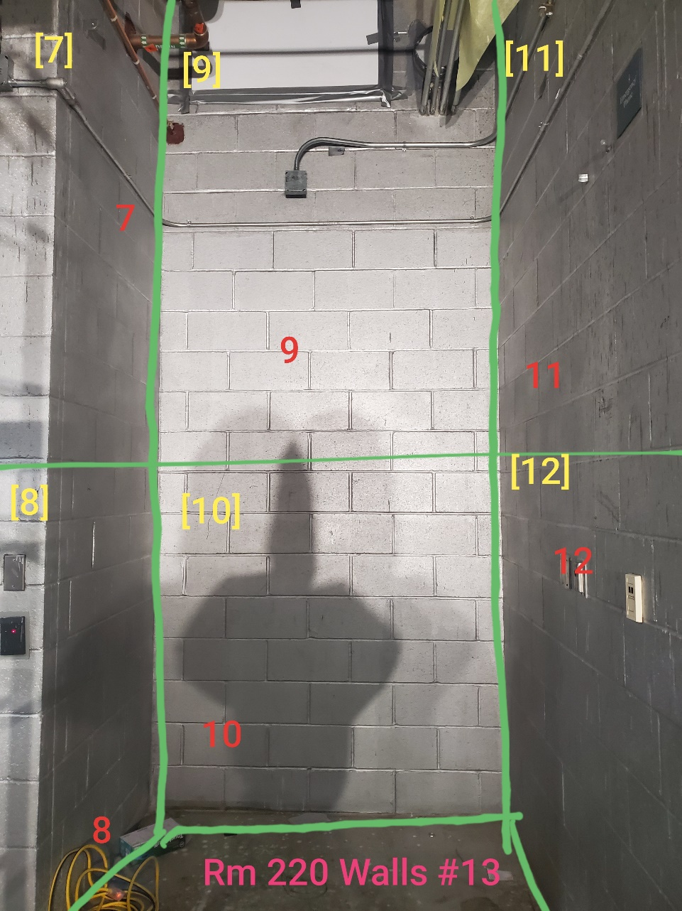

Survey No | INIS-022020-1300
Date | 2020-02-19
Survey Tech | M. Renderos
Count Room Tech | P. Ray
Date Counted | 2020-02-20
Survey Type | Characterization
Level of Posting | CA
Comments

