Map
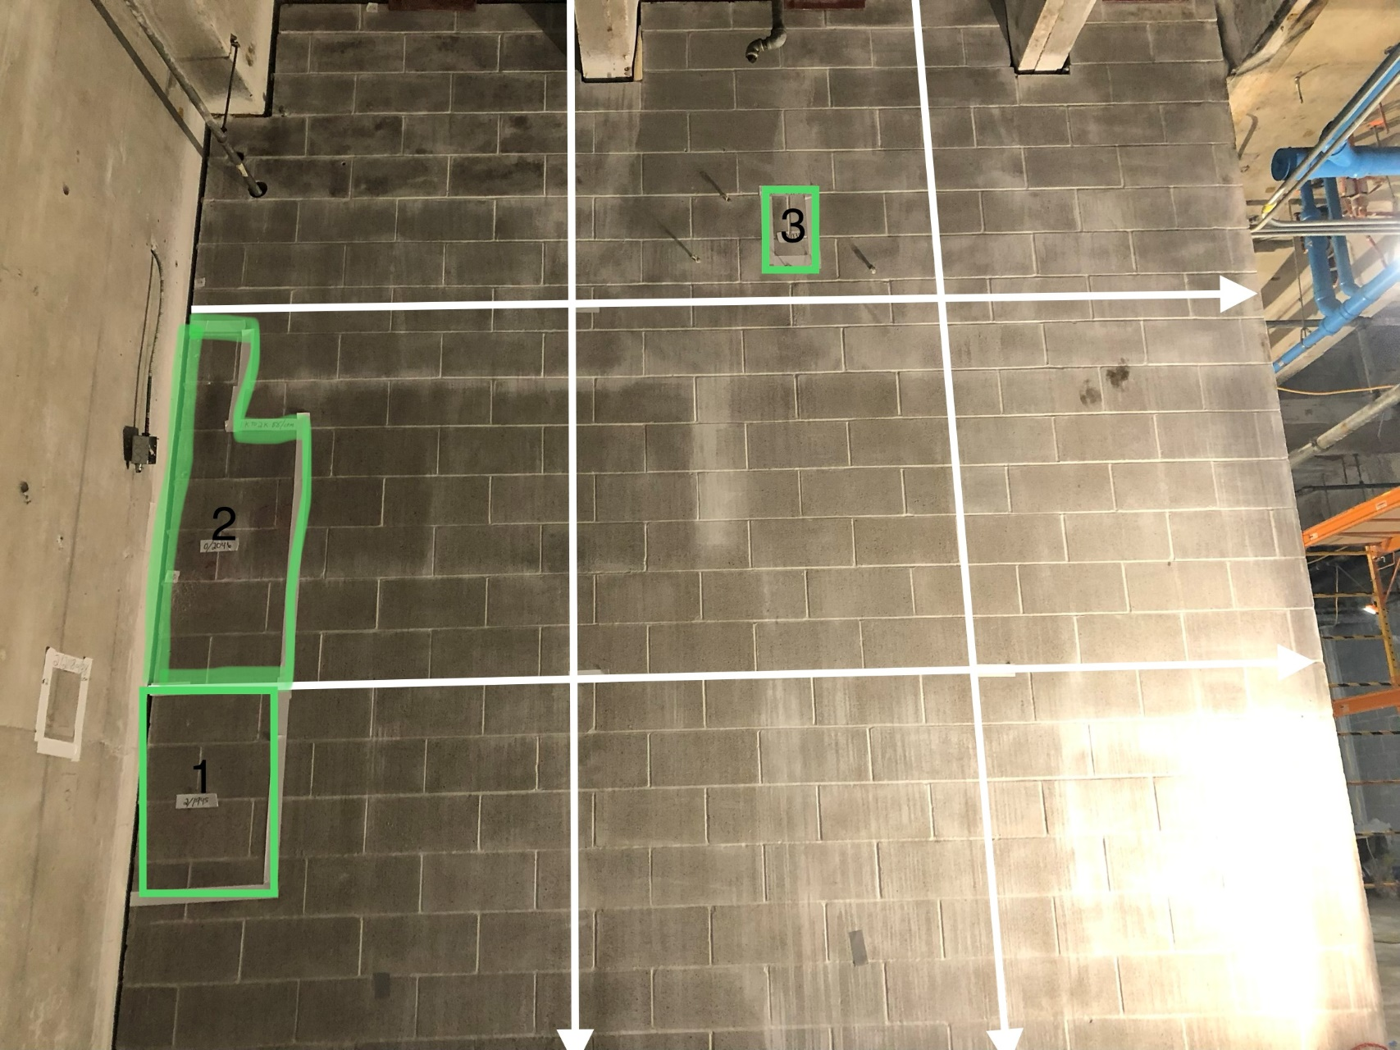

Survey No | INIS-022020-1304 | The South wall of the Freezer room was divided into 9 grids of approximately 5'x5' areas.
Date | 2020-02-20
Survey Tech | J. Cuevas
Count Room Tech | P. Ray
Date Counted | 2020-02-20
Survey Type | Characterization
Level of Posting | CA
Comments

Map (2)
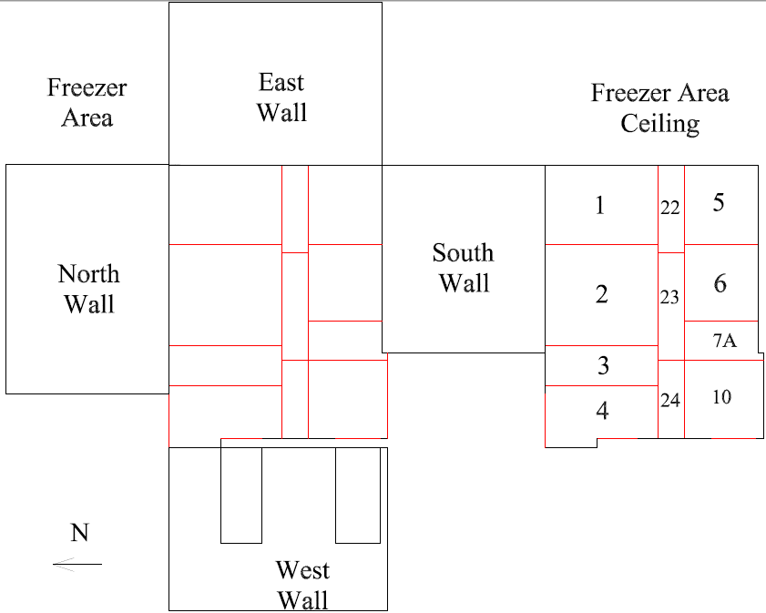

Survey No | INIS-022020-1304
Date | 2020-02-20
Survey Tech | J. Cuevas
Count Room Tech | P. Ray
Date Counted | 2020-02-20
Survey Type | Characterization
Level of Posting | CA
Comments

