Map
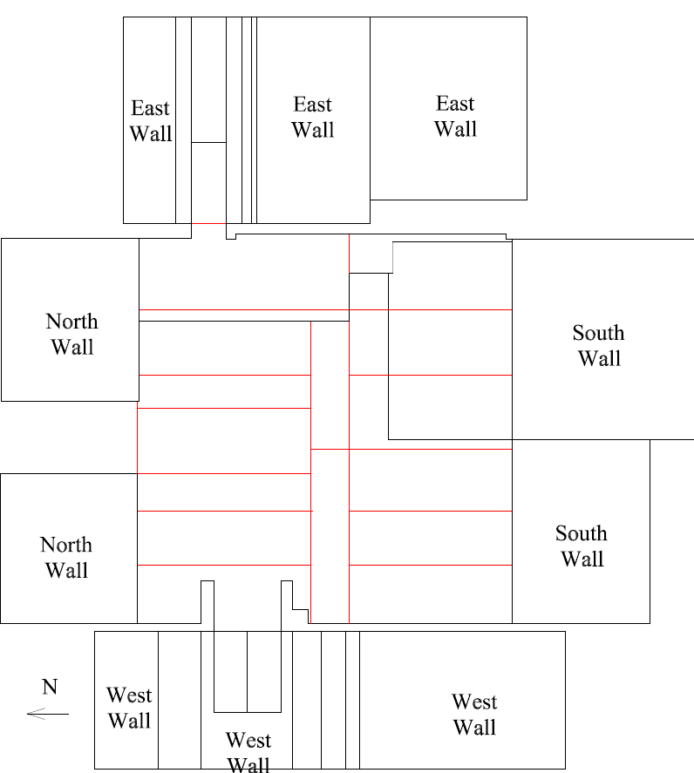

Survey No | INIS-022220-1322
Date | 2020-02-21
Survey Tech | M. Renderos/M. Dodge
Count Room Tech | P. Ray
Date Counted | 2020-02-22
Survey Type | Characterization
Level of Posting | CA
Comments

Map (2)
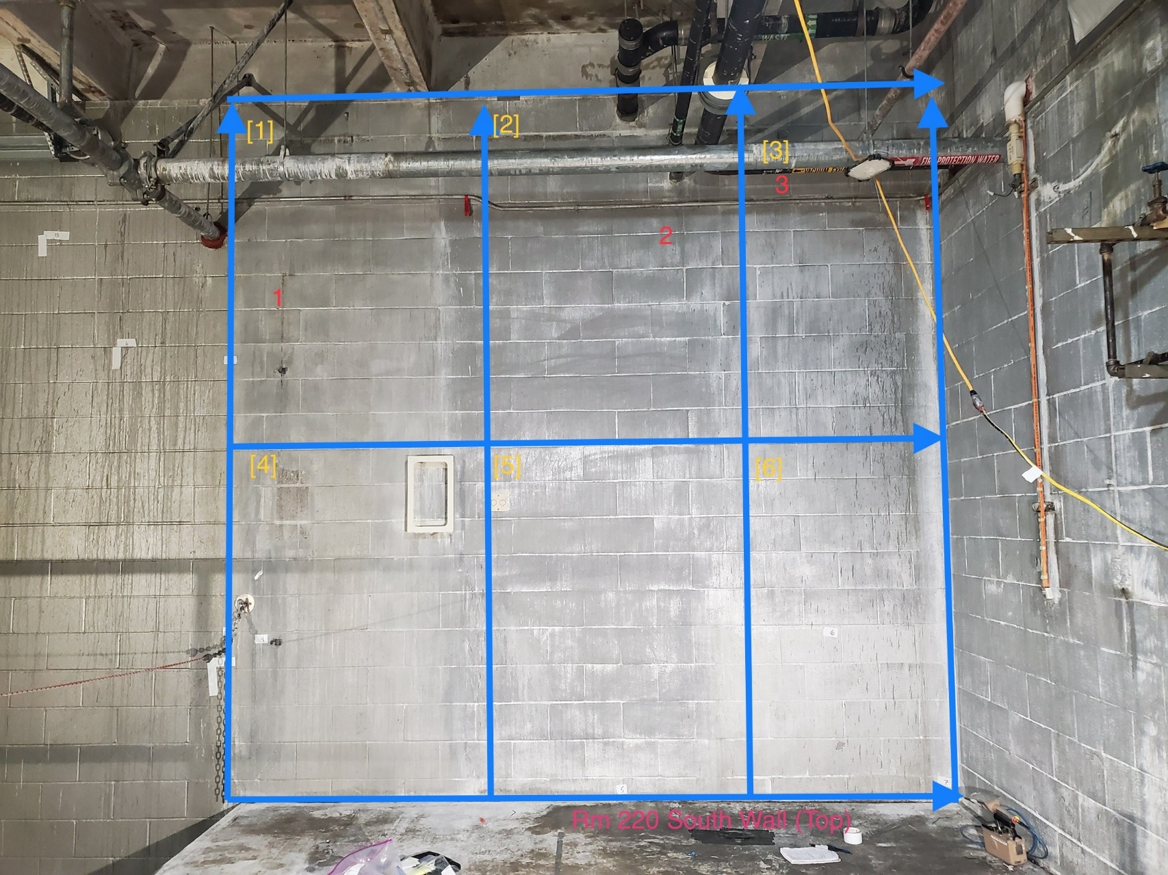

Survey No | INIS-022220-1322
Date | 2020-02-21
Survey Tech | M. Renderos/M. Dodge
Count Room Tech | P. Ray
Date Counted | 2020-02-22
Survey Type | Characterization
Level of Posting | CA
Comments

