Map
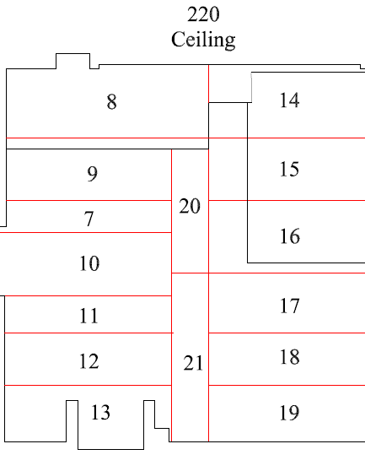

Survey No | INIS-022420-1332
Date | 2020-02-22
Survey Tech | J. Kallunki
Count Room Tech | P. Ray
Date Counted | 2020-02-24
Survey Type | Characterization
Level of Posting | CA
Comments

Map (2)
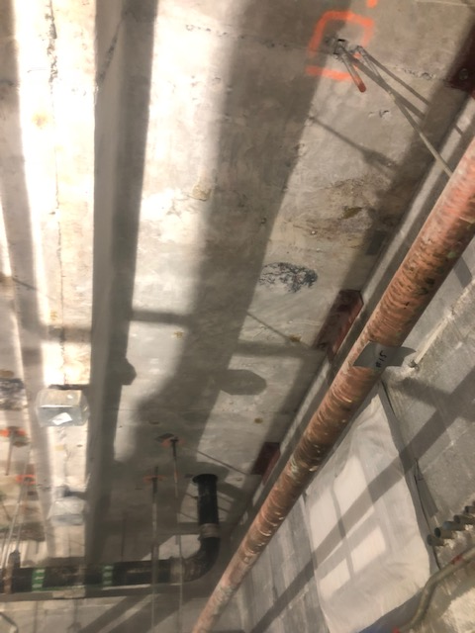
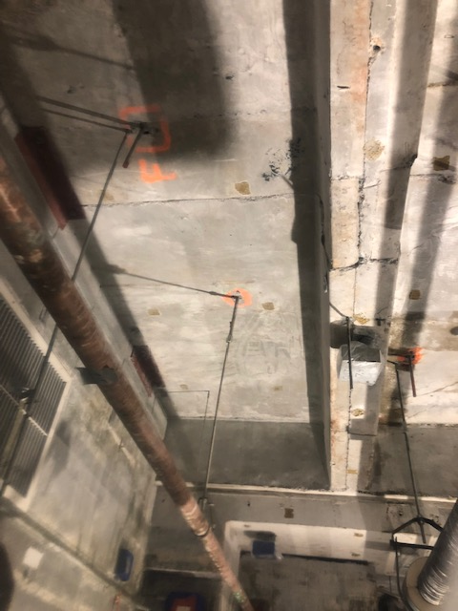

Survey No | INIS-022420-1332 | Room 220, ceiling panel 19, post-decontamination survey. 100% of surface area was scanned. Static counts and smears were taked at locations >900 cpm. One location was found on the metal conduit.
Date | 2020-02-22
Survey Tech | J. Kallunki
Count Room Tech | P. Ray
Date Counted | 2020-02-24
Survey Type | Characterization
Level of Posting | CA
Comments

