Map
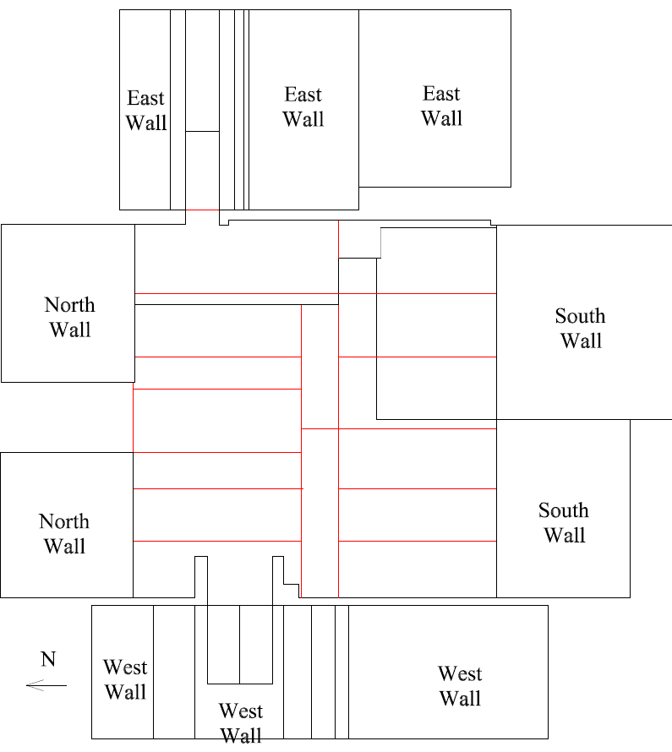

Survey No | INIS-022420-1337
Date | 2020-02-24
Survey Tech | J. Cuevas
Count Room Tech | P. Ray
Date Counted | 2020-02-24
Survey Type | Characterization
Level of Posting | CA
Comments

Map (2)
