Map
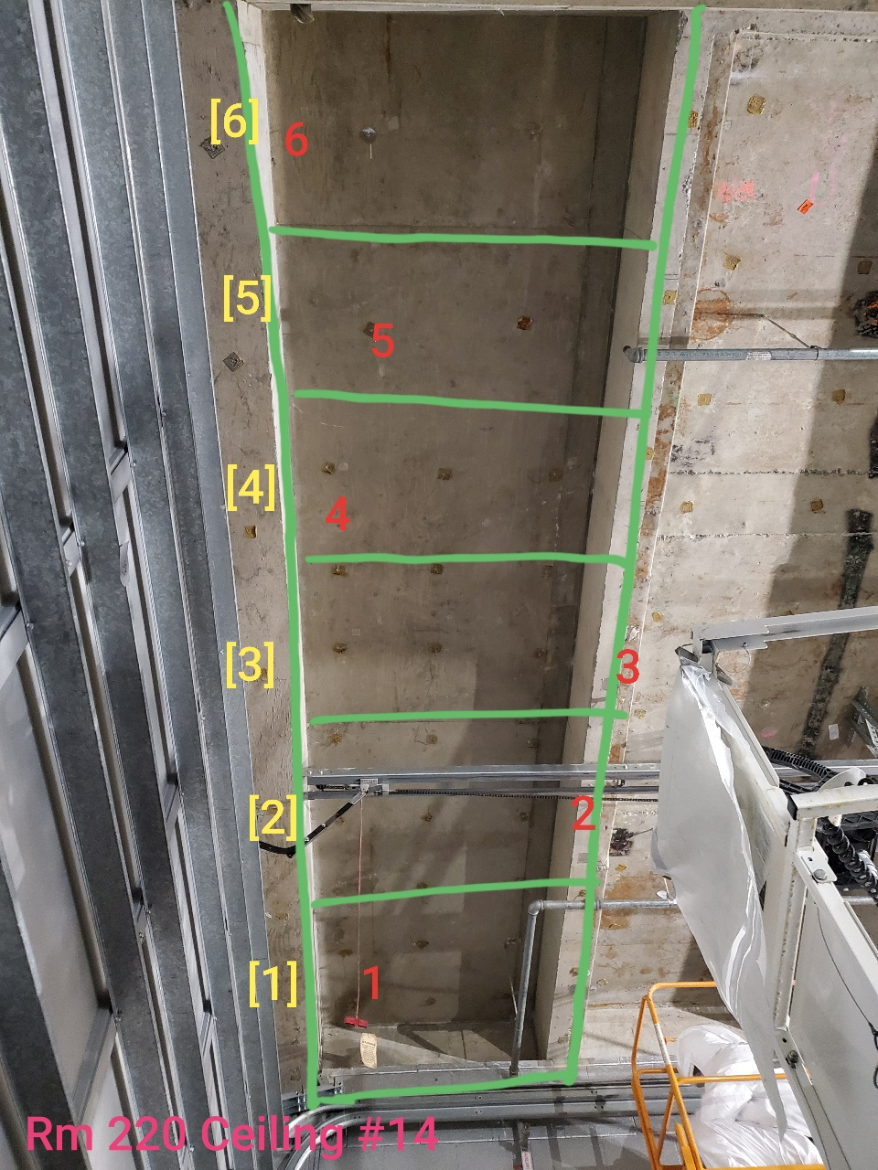

Survey No | INIS-022520-1339
Date | 2020-02-24
Survey Tech | M. Renderos / M. Dodge
Count Room Tech | P. Ray
Date Counted | 2020-02-25
Survey Type | Characterization
Level of Posting | CA
Comments

Map (2)
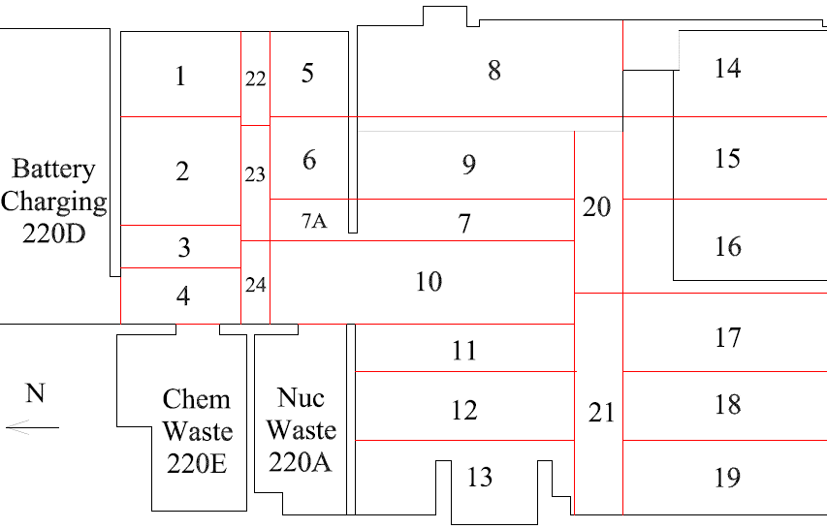

Survey No | INIS-022520-1339
Date | 2020-02-24
Survey Tech | M. Renderos / M. Dodge
Count Room Tech | P. Ray
Date Counted | 2020-02-25
Survey Type | Characterization
Level of Posting | CA
Comments

