Map
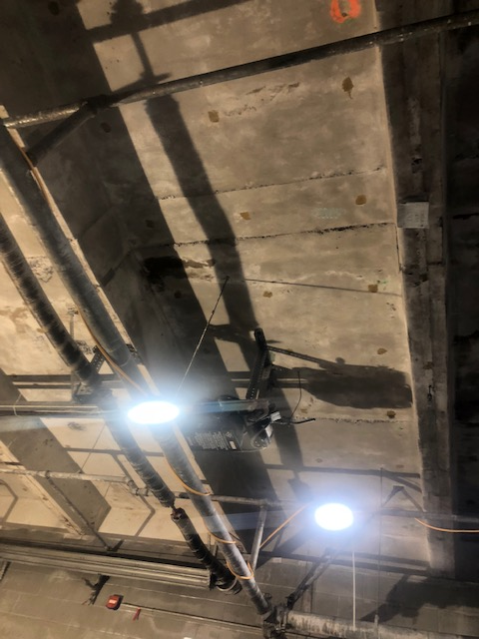

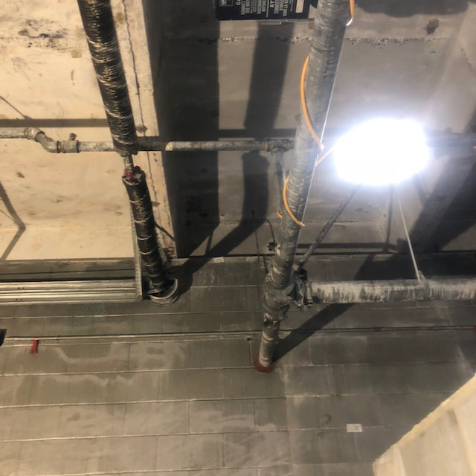

Survey No | INIS-022520-1343 | 100% scan of ceiling panel #17. one location was found >900 cpm. A static counts and smear were taken on the lcoation. The rest of the panel was between 200 and 400 cpm.
Date | 2020-02-24
Survey Tech | J. Kallunki
Count Room Tech | P. Ray
Date Counted | 2020-02-25
Survey Type | Characterization
Level of Posting | CA
Comments

