Map
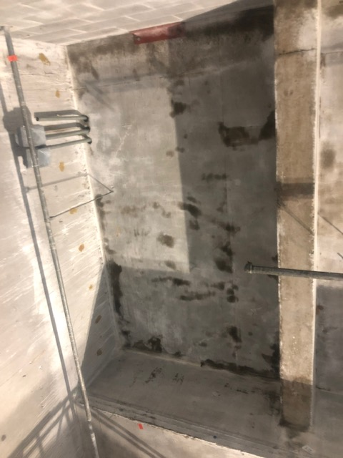

Survey No | INIS-022620-1353
Date | 2020-02-26
Survey Tech | J. Kallunki
Count Room Tech | N/A
Date Counted | N/A
Survey Type | Characterization
Level of Posting | CA
Comments

Map (2)
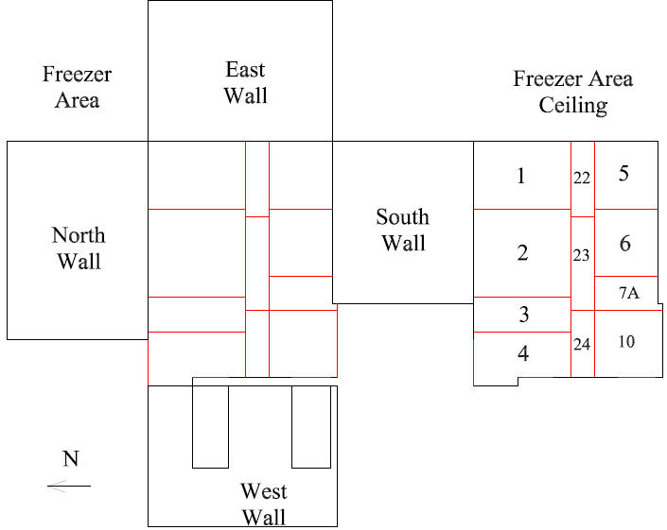

Survey No | INIS-022620-1353
Date | 2020-02-26
Survey Tech | J. Kallunki
Count Room Tech | N/A
Date Counted | N/A
Survey Type | Characterization
Level of Posting | CA
Comments

