Map
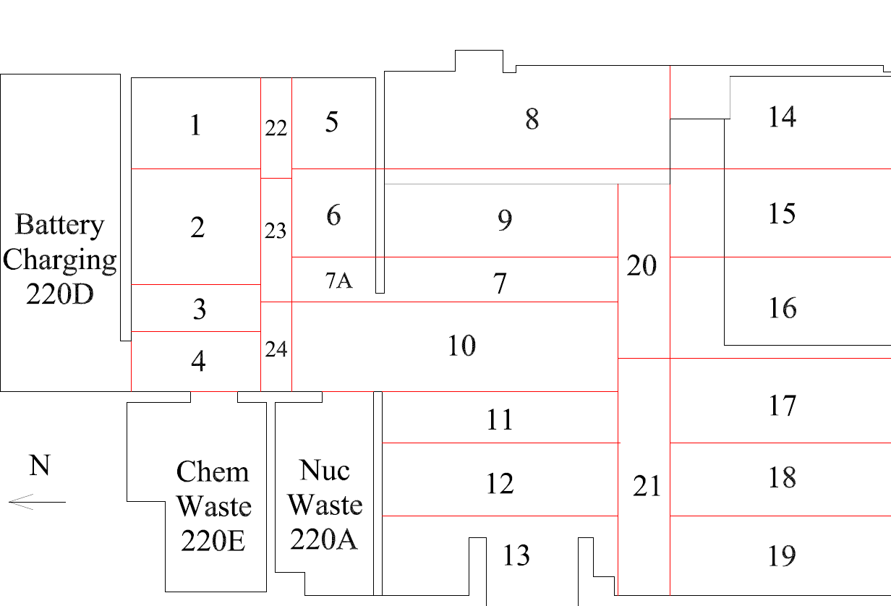

Survey No | INIS-022720-1359
Date | 2020-02-26
Survey Tech | M. Renderos/M. Dodge
Count Room Tech | P. Ray
Date Counted | 2020-02-27
Survey Type | Characterization
Level of Posting | CA
Comments

Map (2)
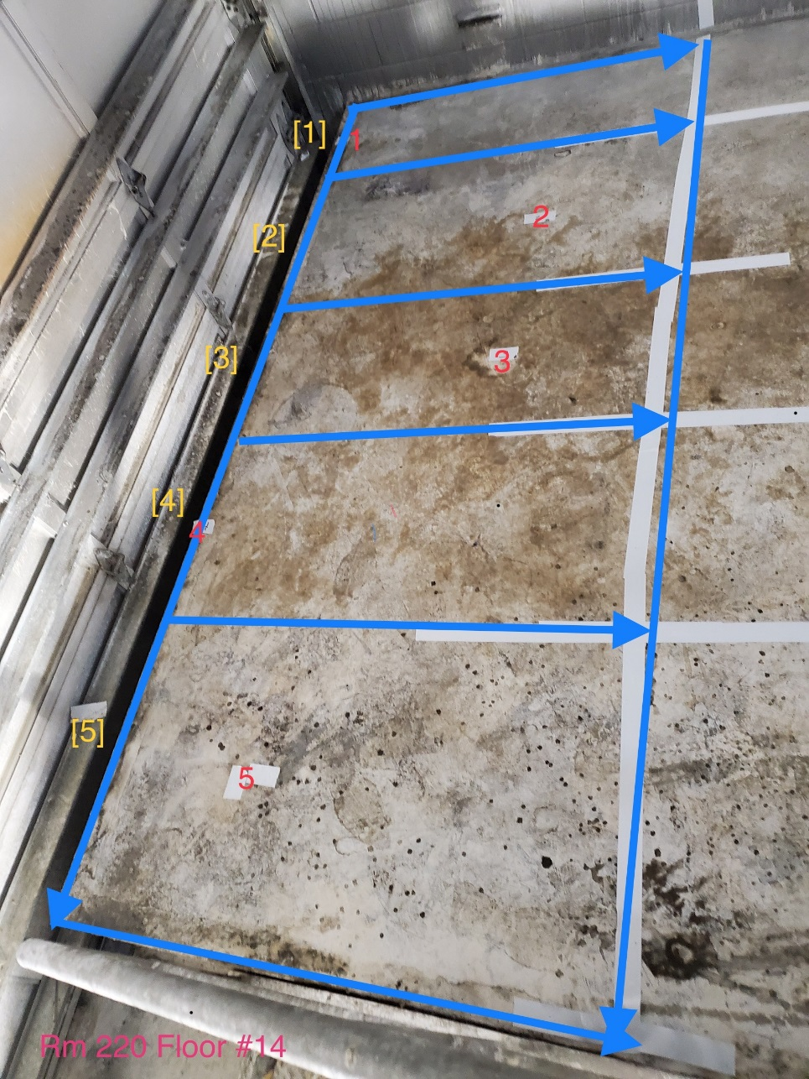
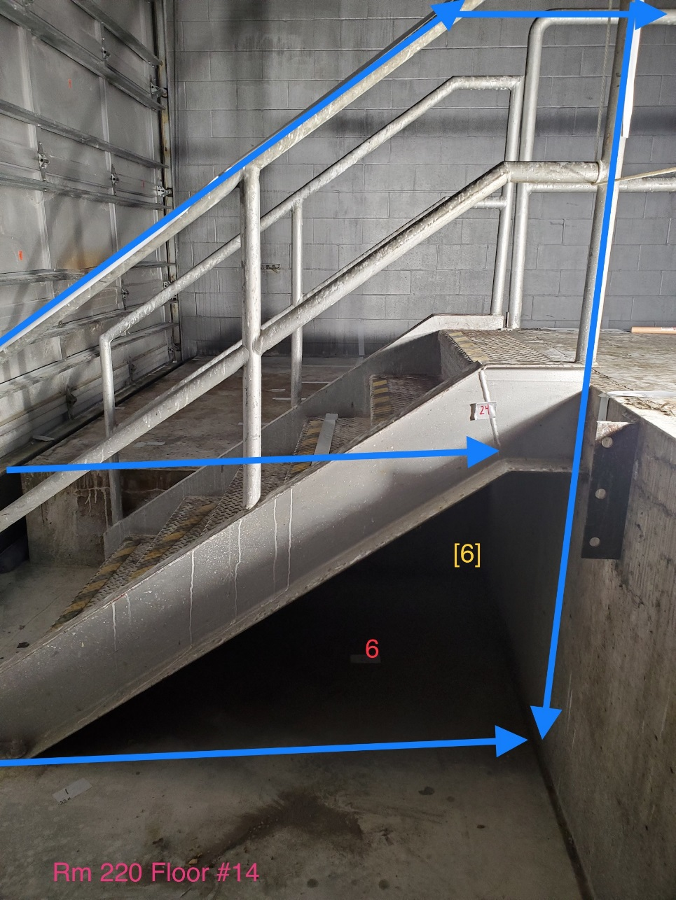

Survey No | INIS-022720-1359
Date | 2020-02-26 | Grid section 6 encompasses the stairs, railings, and concrete surfaces below the stairs. Location 6 is on the concrete floor
Survey Tech | M. Renderos/M. Dodge
Count Room Tech | P. Ray
Date Counted | 2020-02-27
Survey Type | Characterization
Level of Posting | CA
Comments

