Map (2)
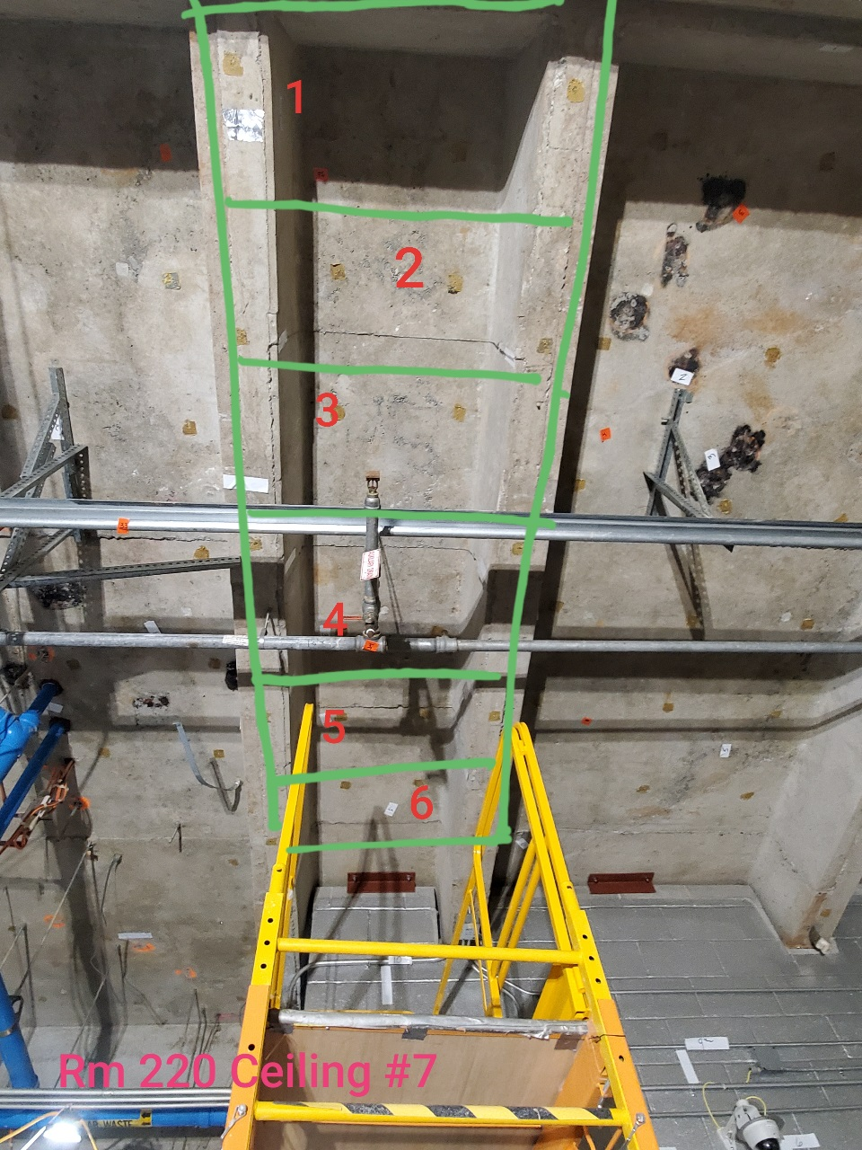

Survey No | INIS-022720-1360
Date | 2020-02-26
Survey Tech | M. Renderos/M. Dodge
Count Room Tech | P. Ray
Date Counted | 2020-02-27
Survey Type | Characterization
Level of Posting | CA
Comments

