Map
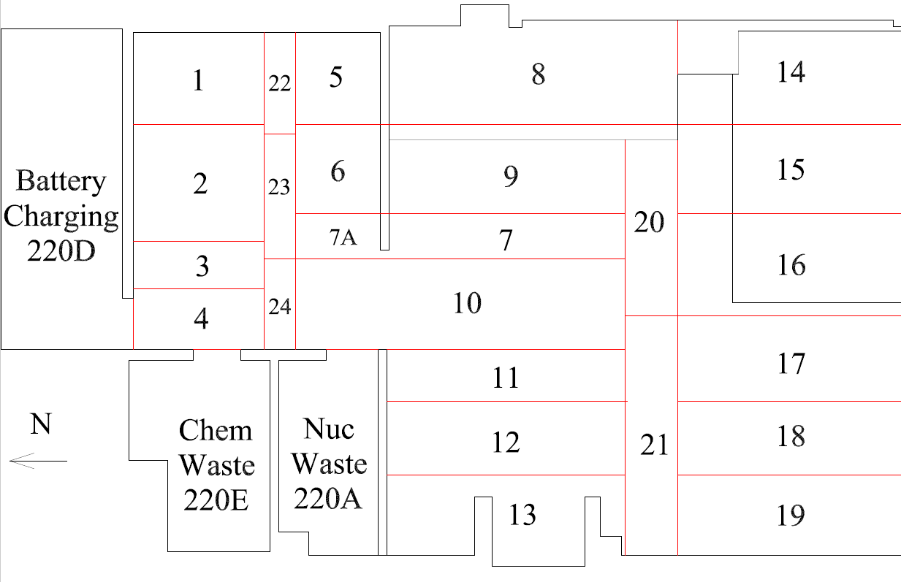

Survey No | INIS-022820-1372
Date | 2020-02-27
Survey Tech | M. Renderos/M. Dodge
Count Room Tech | P. Ray
Date Counted | 2020-02-28
Survey Type | Characterization
Level of Posting | CA
Comments

Map (2)
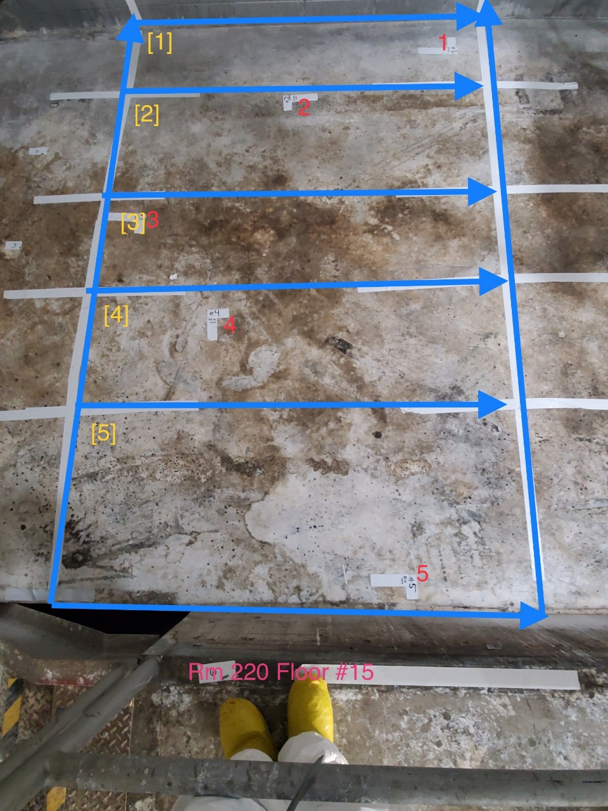
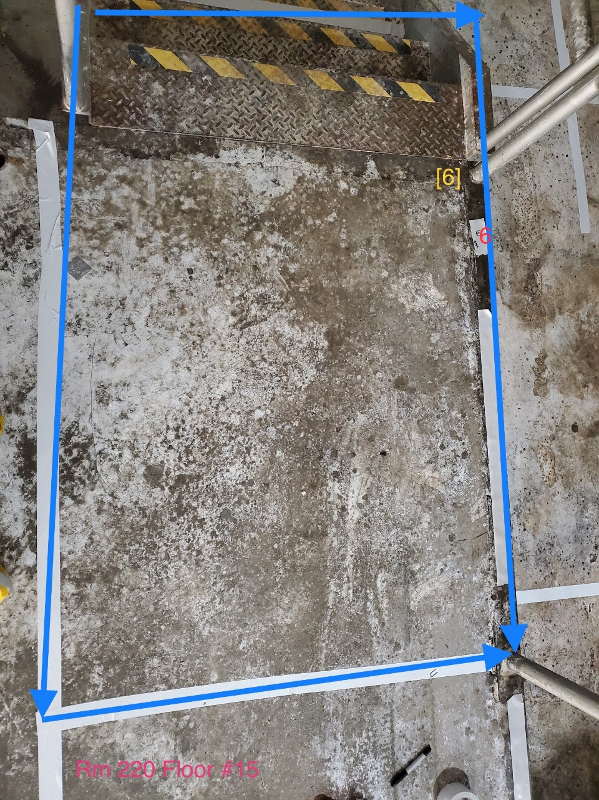

Survey No | INIS-022820-1372
Date | 2020-02-27
Survey Tech | M. Renderos/M. Dodge
Count Room Tech | P. Ray
Date Counted | 2020-02-28
Survey Type | Characterization
Level of Posting | CA
Comments

