Map
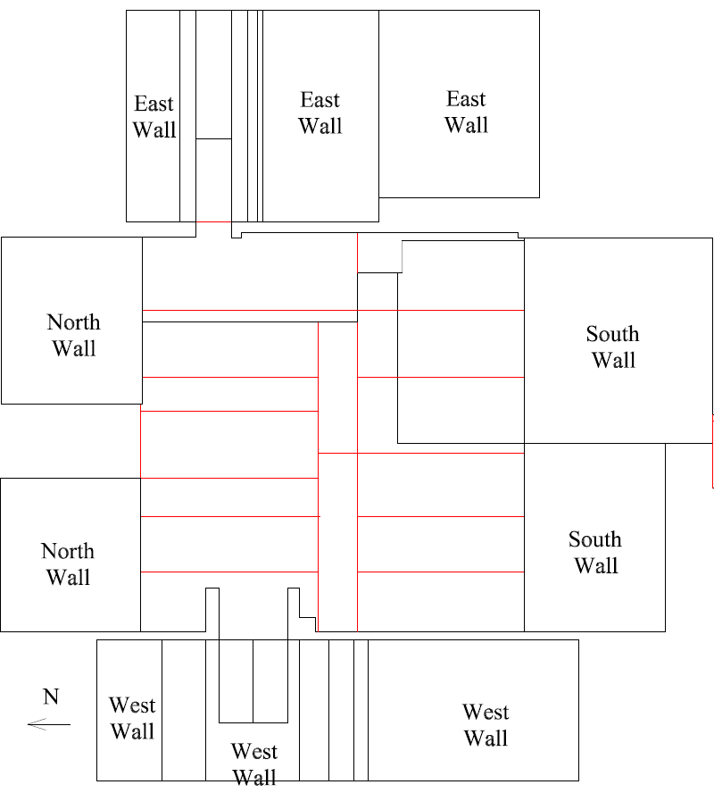

Survey Number | INIS-022820-1376
Date Surveyed | 2020-02-28
Survey Tech | J. Cuevas
Count Room Tech | P. Ray
Date Counted | 2020-02-28
Survey Type | Characterization
Level Of Posting | CA

Map (2)
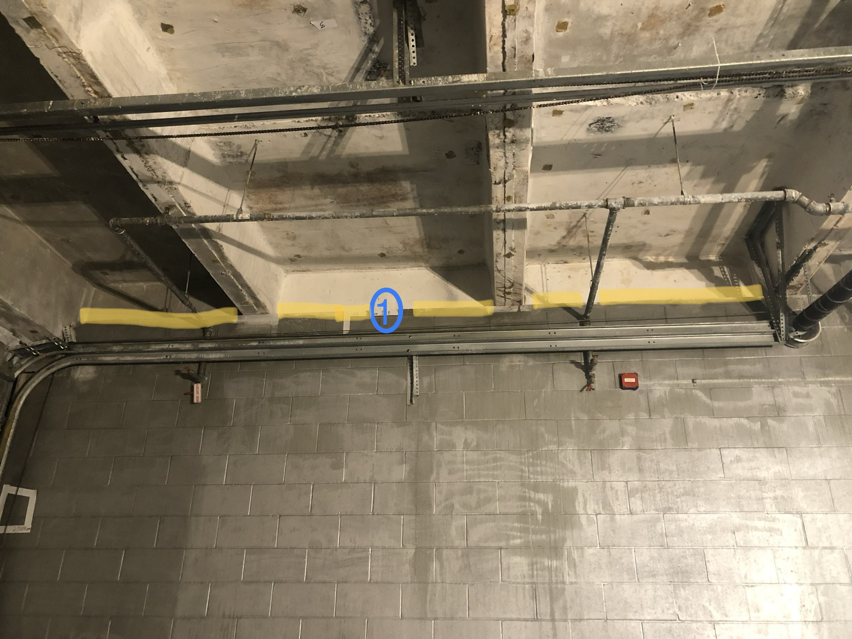

Survey Number | INIS-022820-1376
Date Surveyed | 2020-02-28
Survey Tech | J. Cuevas
Count Room Tech | P. Ray
Date Counted | 2020-02-28
Survey Type | Characterization
Level Of Posting | CA

