Map
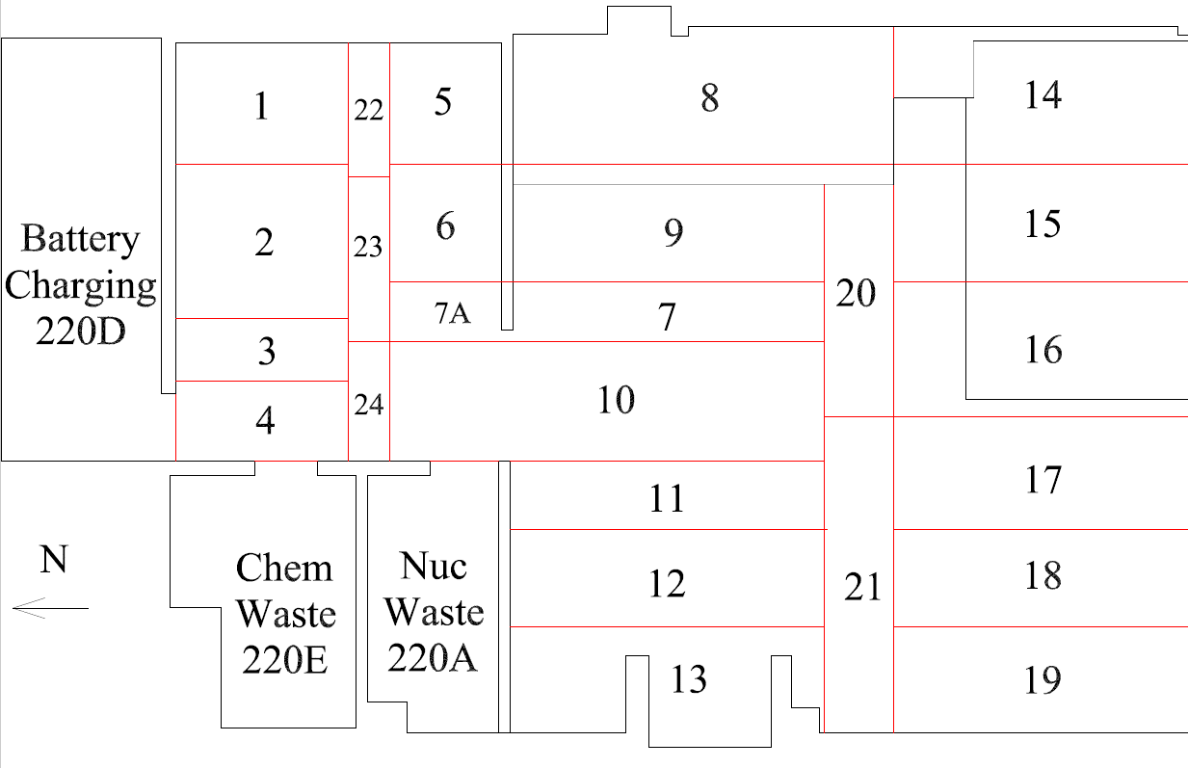

Survey No | INIS-022920-1380
Date | 2020-02-28
Survey Tech | M. Renderos.M. Dodge
Count Room Tech | P. Ray
Date Counted | 2020-02-29
Survey Type | Characterization
Level of Posting | CA
Comments

Map (2)
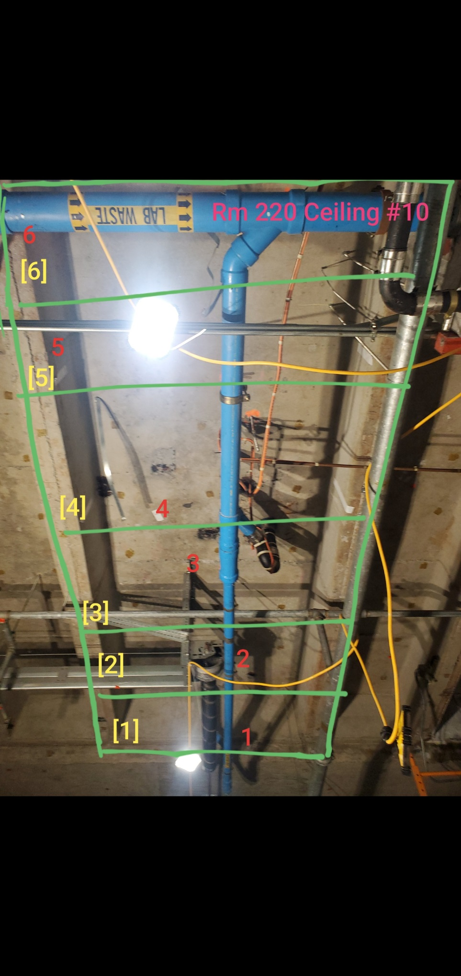

Survey No | INIS-022920-1380
Date | 2020-02-28
Survey Tech | M. Renderos.M. Dodge
Count Room Tech | P. Ray
Date Counted | 2020-02-29
Survey Type | Characterization
Level of Posting | CA
Comments

