Map (2)
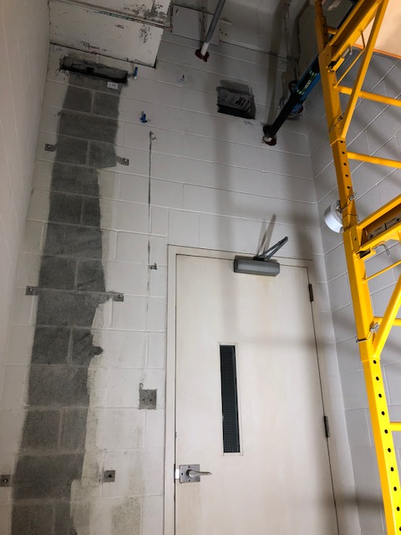

Survey No | INIS-022920-1383 | 100% of surface area was scanned. Smears and static measurements collected at areas of highest observed activity.
Date | 2020-02-29
Survey Tech | J. Kallunki
Count Room Tech | P. Ray
Date Counted | 2020-02-29
Survey Type | Characterization
Level of Posting | CA
Comments

Map
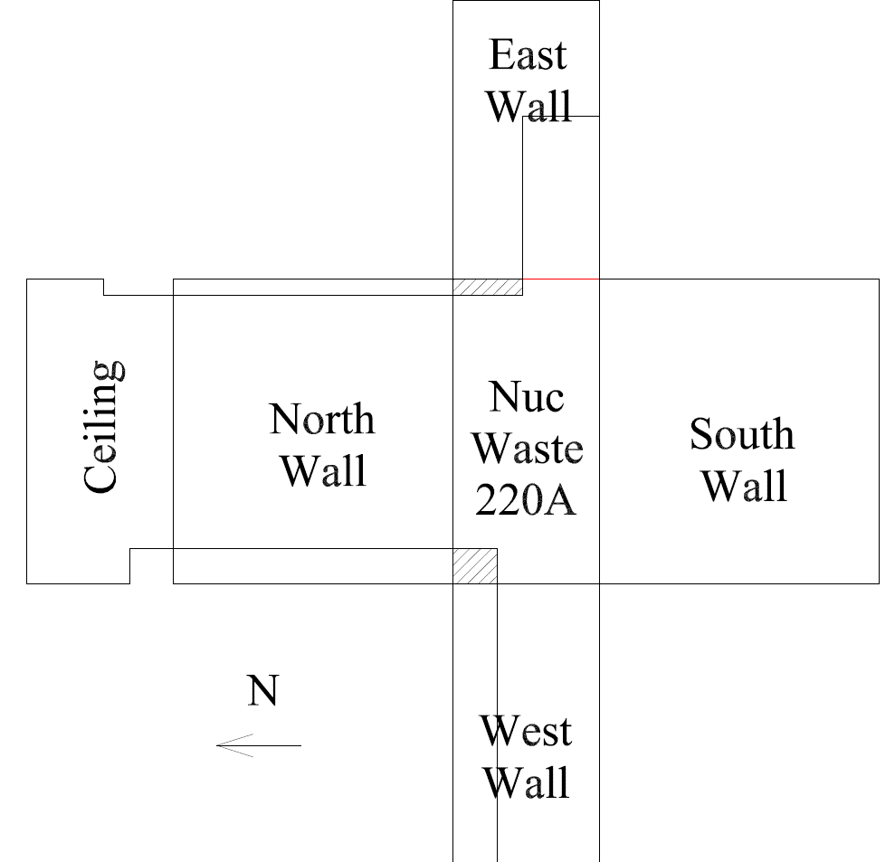

Survey No | INIS-022920-1383
Date | 2020-02-29
Survey Tech | J. Kallunki
Count Room Tech | P. Ray
Date Counted | 2020-02-29
Survey Type | Characterization
Level of Posting | CA
Comments

