Map (2)
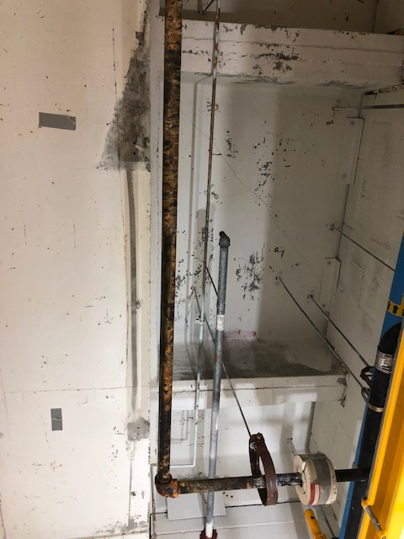
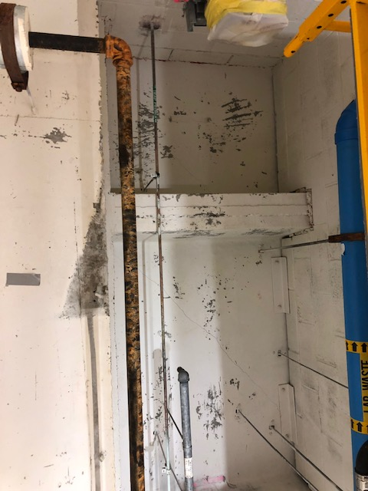

Survey No | INIS-022920-1384 | 100% scan of ceiling surface area was scanned. Range of the scan area was 200-800 cpm gross beta gamma
Date | 2020-02-29
Survey Tech | J. Kallunki
Count Room Tech | N/A
Date Counted | N/A
Survey Type | Characterization
Level of Posting | CA
Comments

