Map
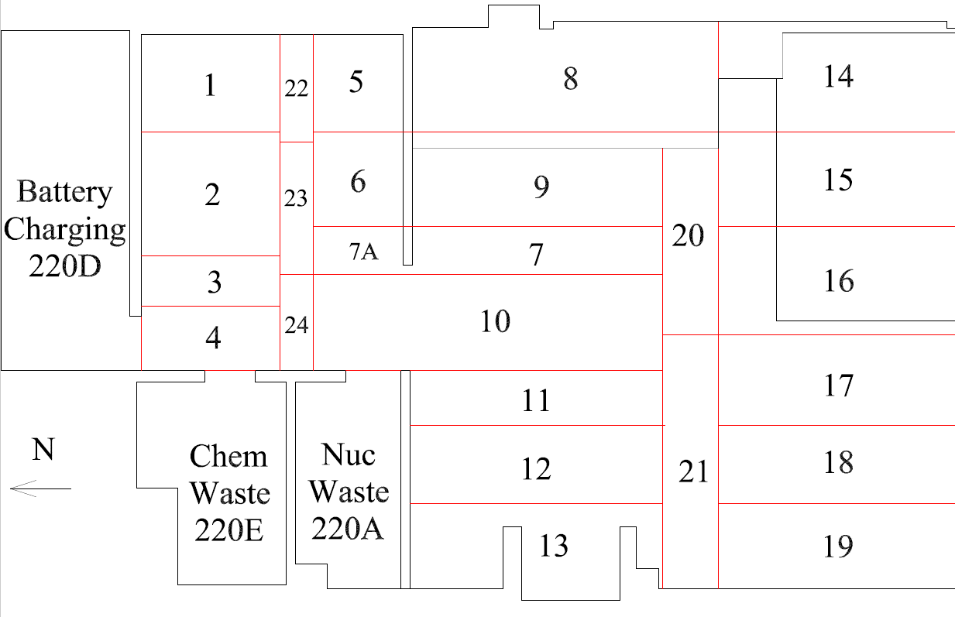

Survey Number | INIS-030220-1392
Date Surveyed | 2020-02-29
Survey Tech | M. Renderos/M. Dodge
Count Room Tech | P. Ray
Date Counted | 2020-03-02
Survey Type | Pre Decontamination
Level Of Posting | CA

Map (2)
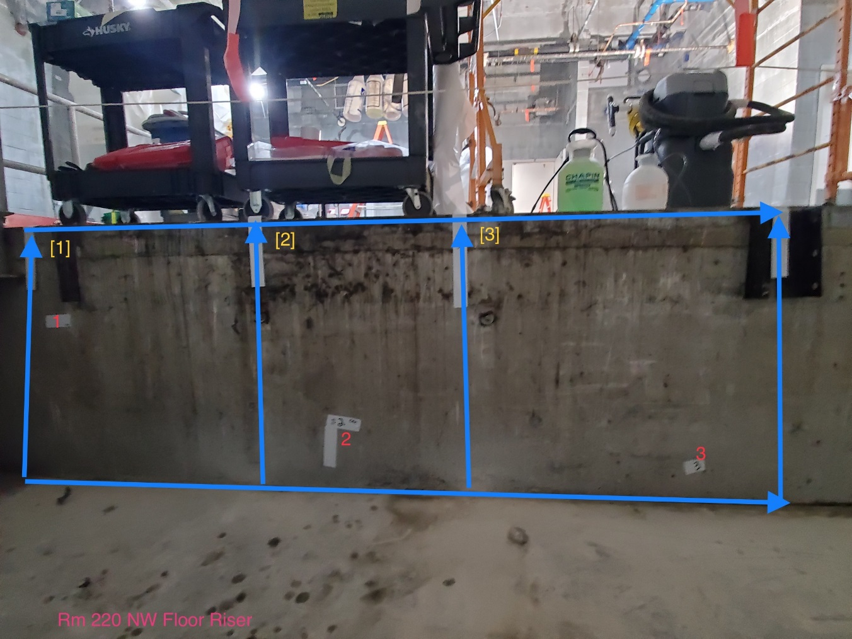
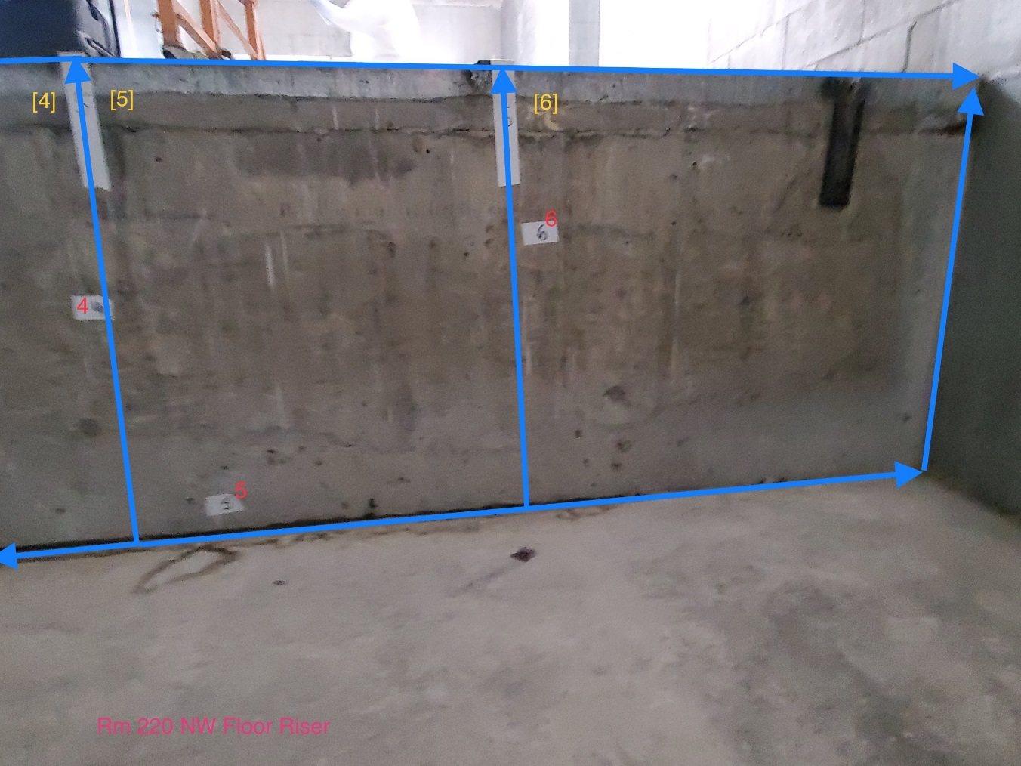

Survey Number | INIS-030220-1392
Date Surveyed | 2020-02-29
Survey Tech | M. Renderos/M. Dodge
Count Room Tech | P. Ray
Date Counted | 2020-03-02
Survey Type | Pre Decontamination
Level Of Posting | CA

