Map
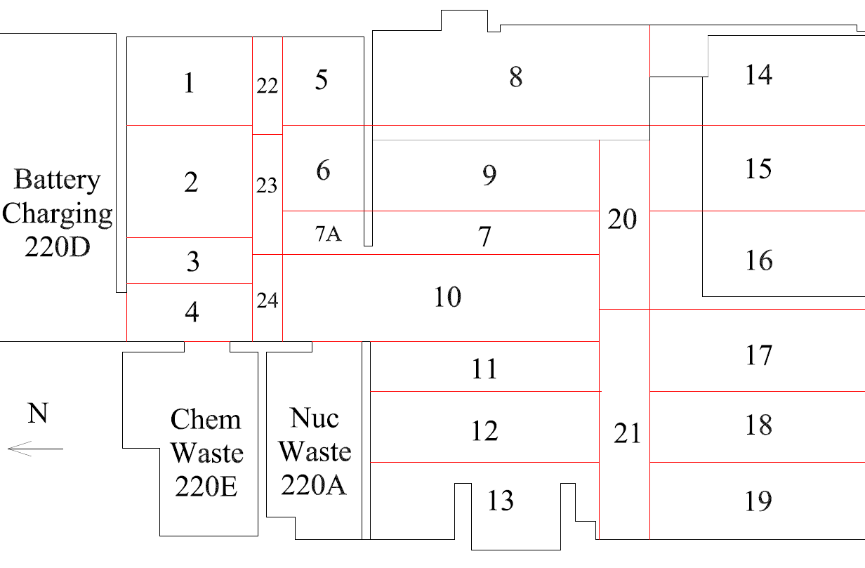

Survey Number | INIS-030320-1412
Date Surveyed | 2020-03-02
Survey Tech | M. Renderos/M. Dodge
Count Room Tech | P. Ray
Date Counted | 2020-03-03
Survey Type | Characterization
Level Of Posting | CA

Map (2)
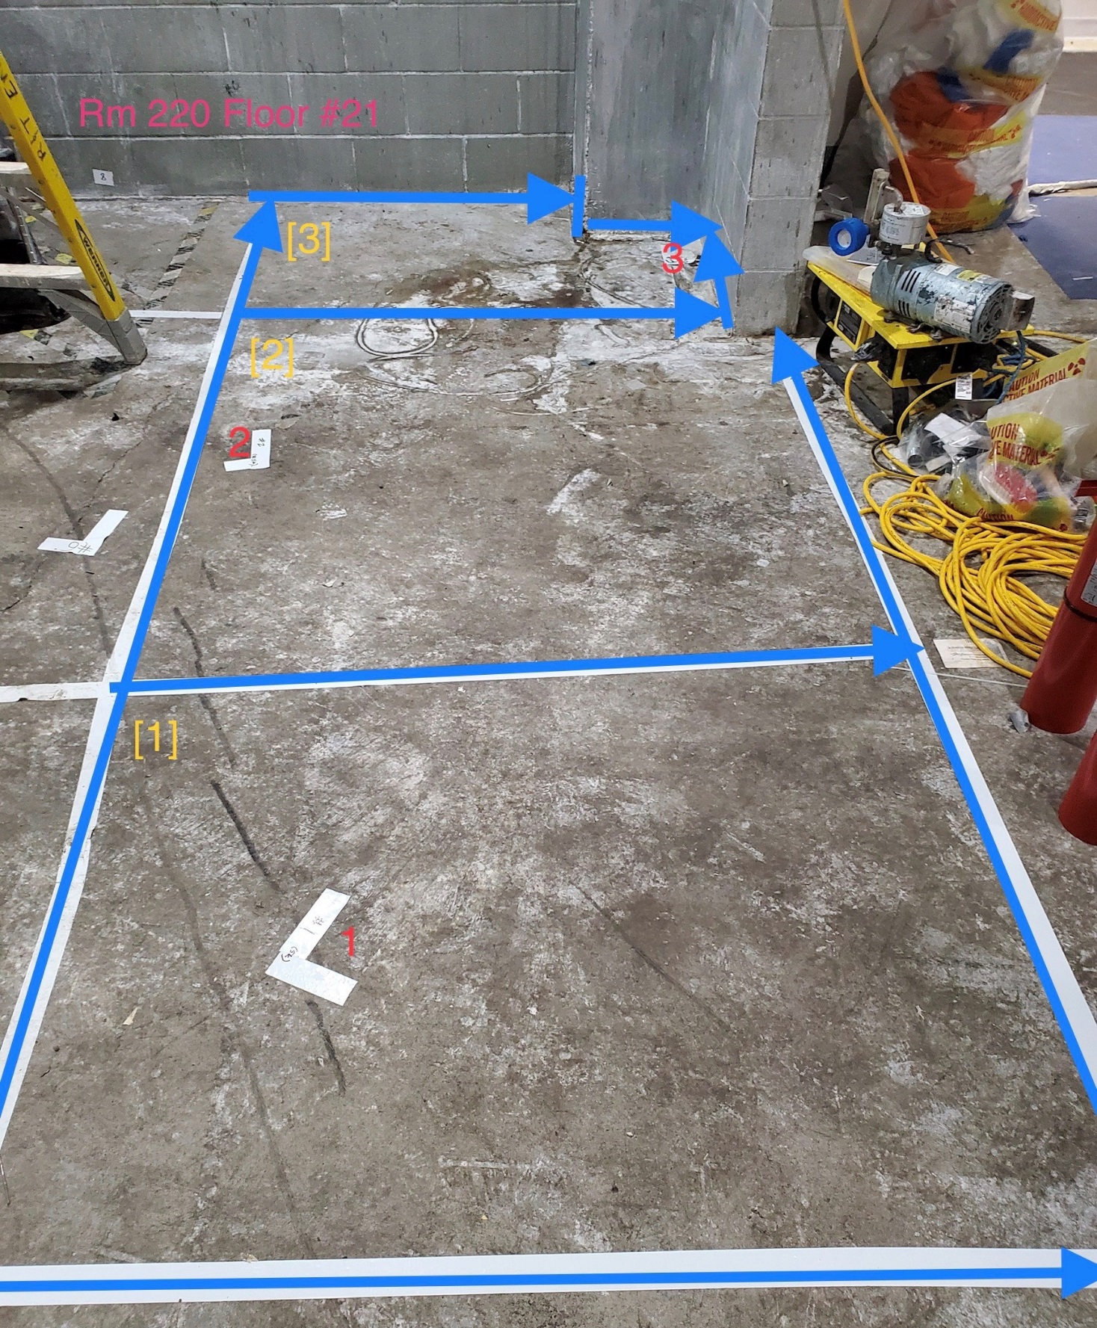

Survey Number | INIS-030320-1412
Date Surveyed | 2020-03-02
Survey Tech | M. Renderos/M. Dodge
Count Room Tech | P. Ray
Date Counted | 2020-03-03
Survey Type | Characterization
Level Of Posting | CA

