Map (3)
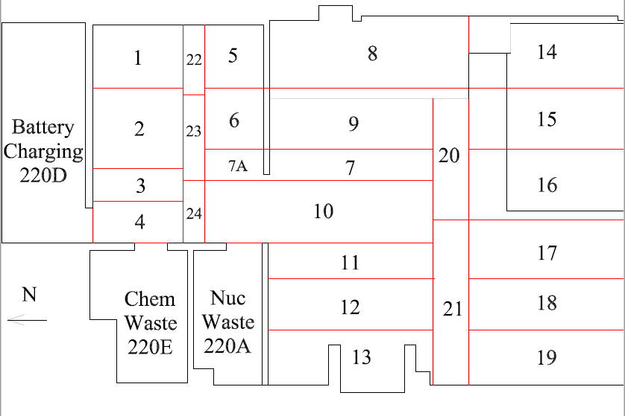

Survey No | INIS-030620-1454
Date | 2020-03-05
Survey Tech | M. Dodge
Count Room Tech | P. Ray
Date Counted | 2020-03-06
Survey Type | Characterization
Level of Posting | CA
Comments

Map
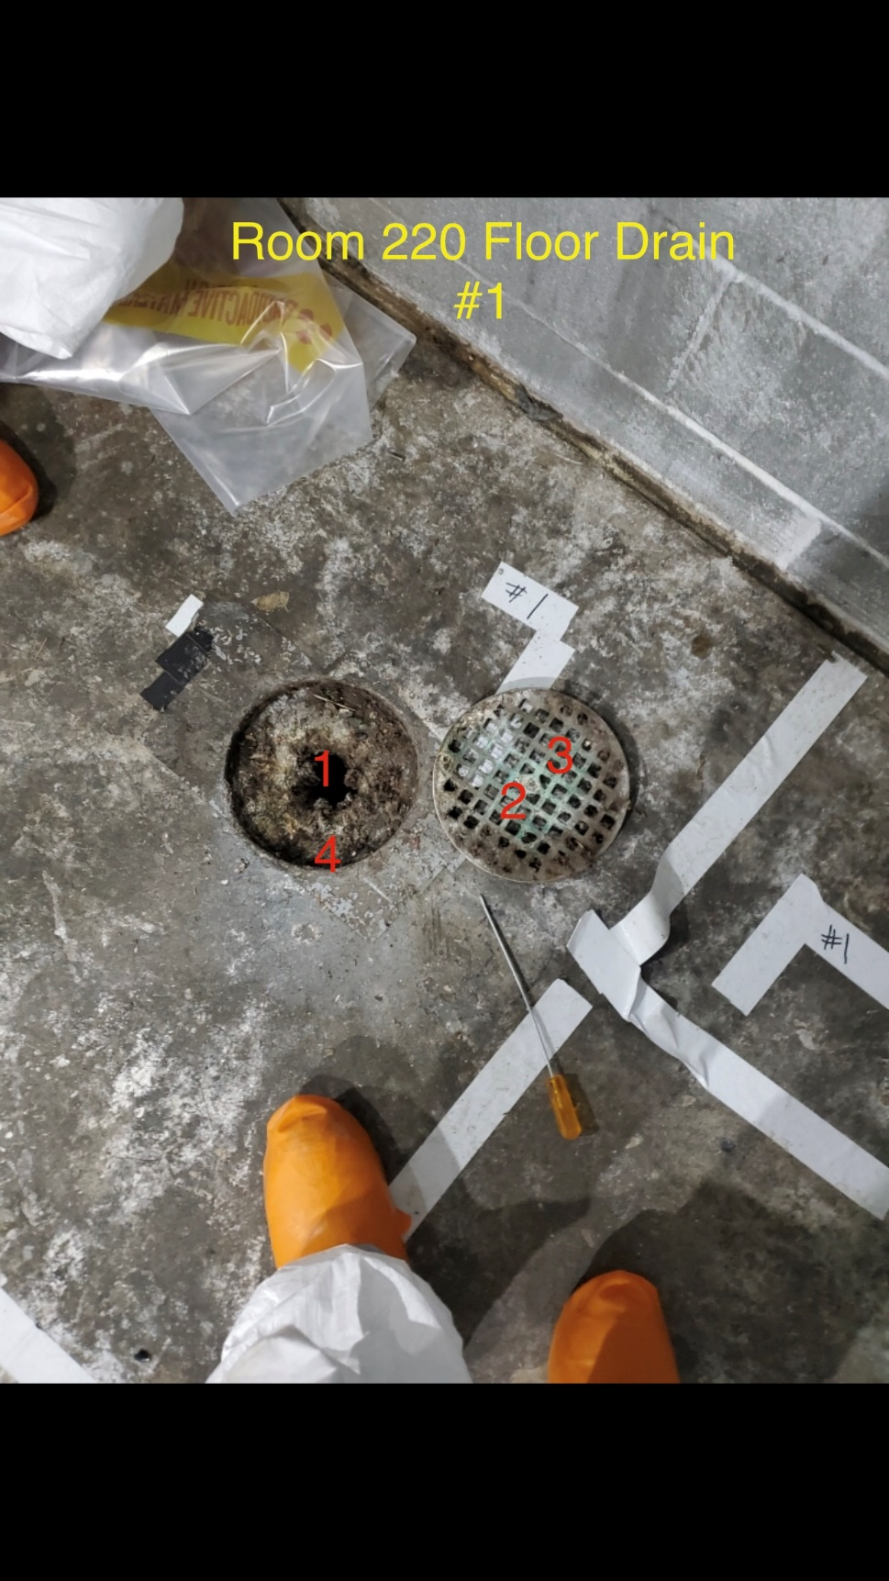
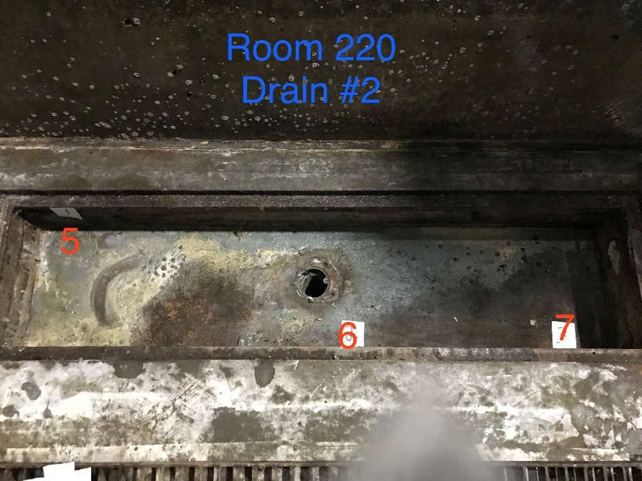

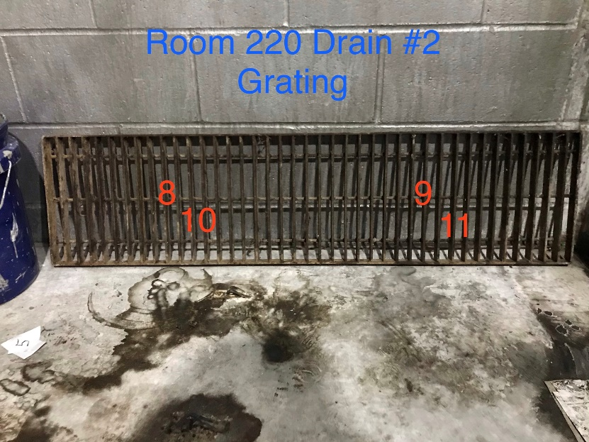

Survey No | INIS-030620-1454
Date | 2020-03-05
Survey Tech | M. Dodge
Count Room Tech | P. Ray
Date Counted | 2020-03-06
Survey Type | Characterization
Level of Posting | CA
Comments

Map (2)
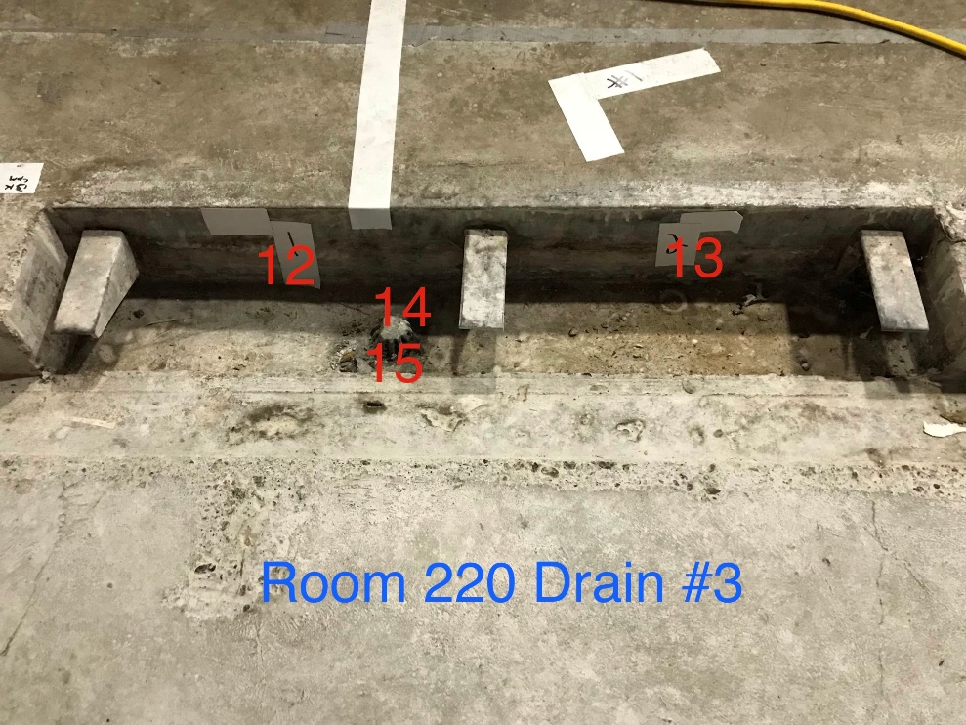
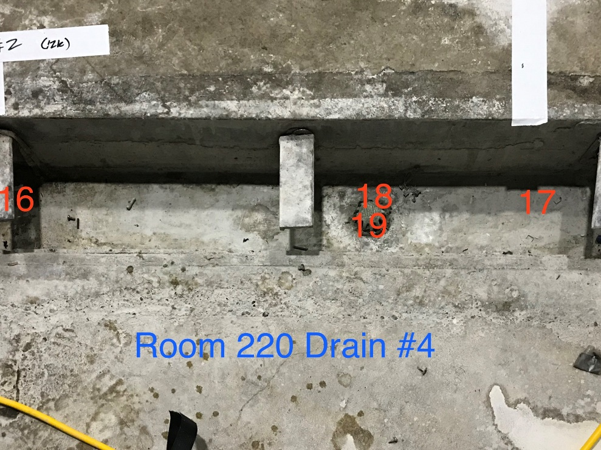

Survey No | INIS-030620-1454
Date | 2020-03-05
Survey Tech | M. Dodge
Count Room Tech | P. Ray
Date Counted | 2020-03-06
Survey Type | Characterization
Level of Posting | CA
Comments

