Map (3)
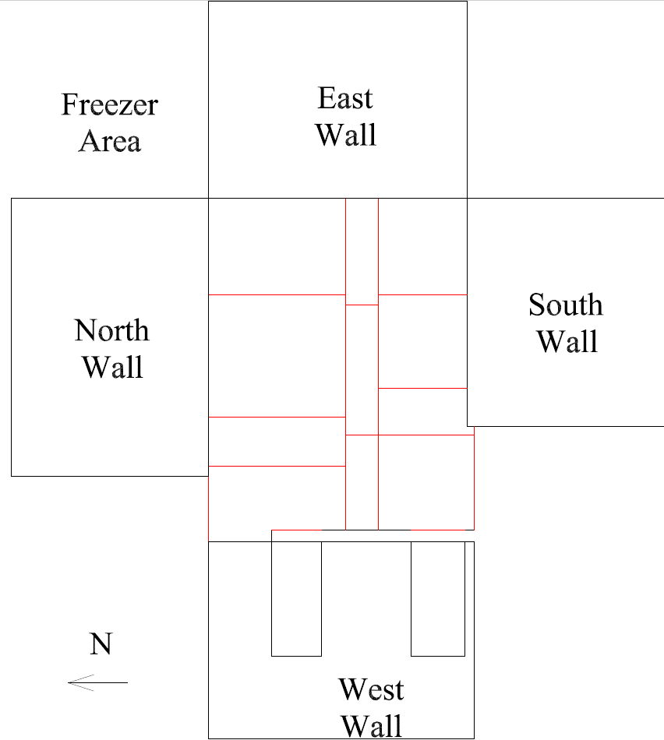

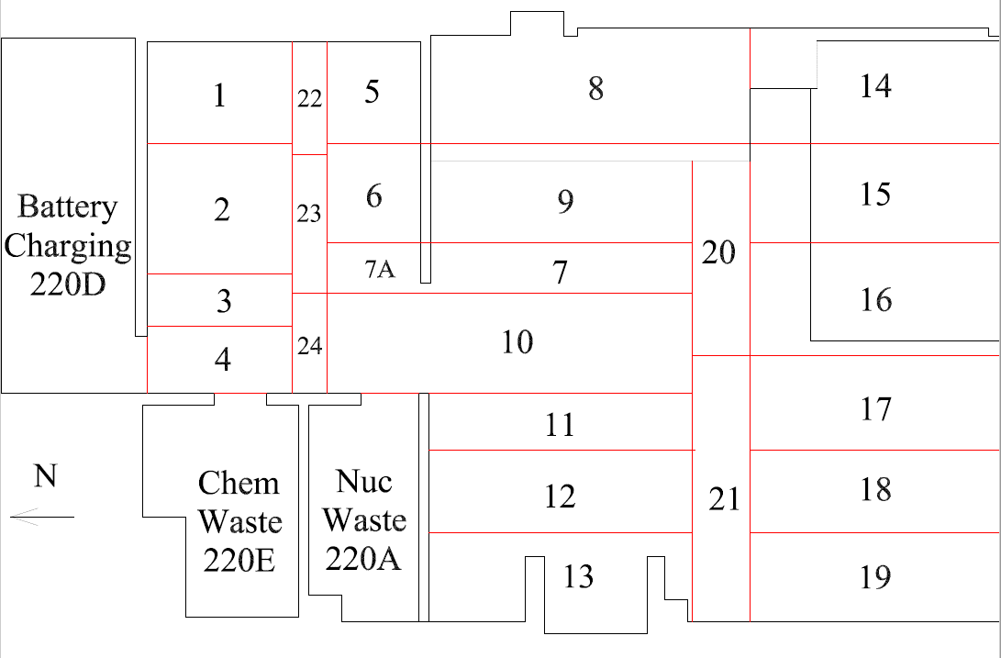

Survey No | INIS-030620-1456
Date | 2020-03-05
Survey Tech | J. Cuevas
Count Room Tech | P. Ray
Date Counted | 2020-03-06
Survey Type | Characterization
Level of Posting | CA
Comments

Map
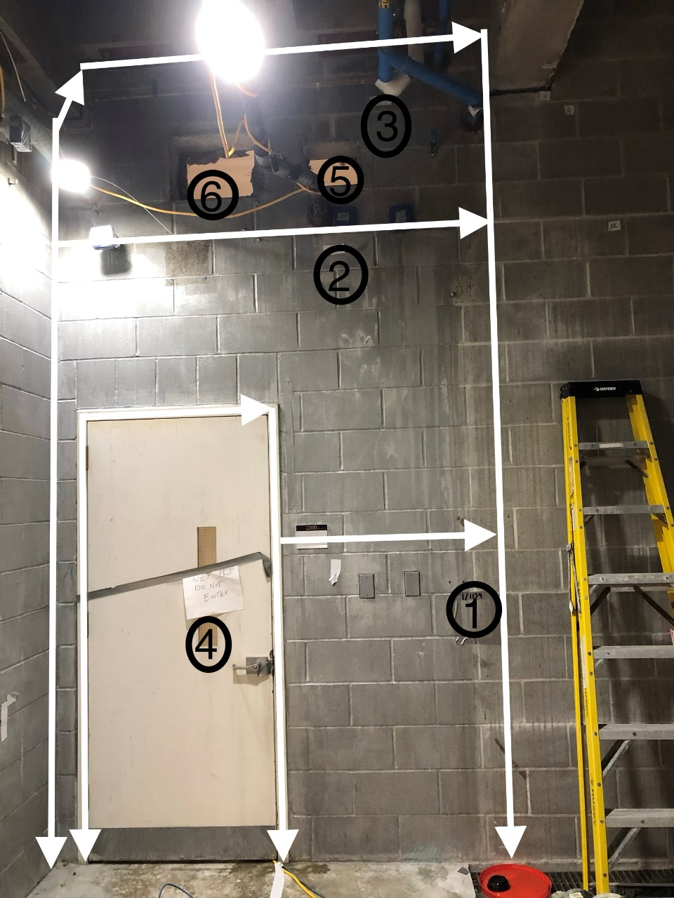

Survey No | INIS-030620-1456
Date | 2020-03-05
Survey Tech | J. Cuevas
Count Room Tech | P. Ray
Date Counted | 2020-03-06
Survey Type | Characterization
Level of Posting | CA
Comments

