Map
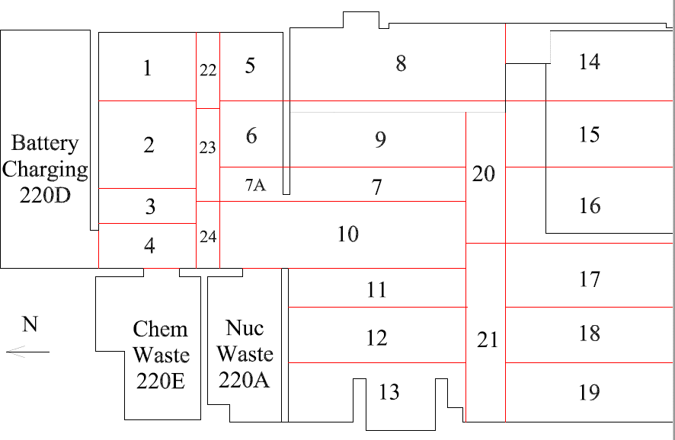

Survey No | INIS-030720-1462
Date | 2020-03-07
Survey Tech | M. Renderos / M. Dodge
Count Room Tech | P. Ray
Date Counted | 2020-03-07
Survey Type | Characterization
Level of Posting | CA
Comments

