Map (2)
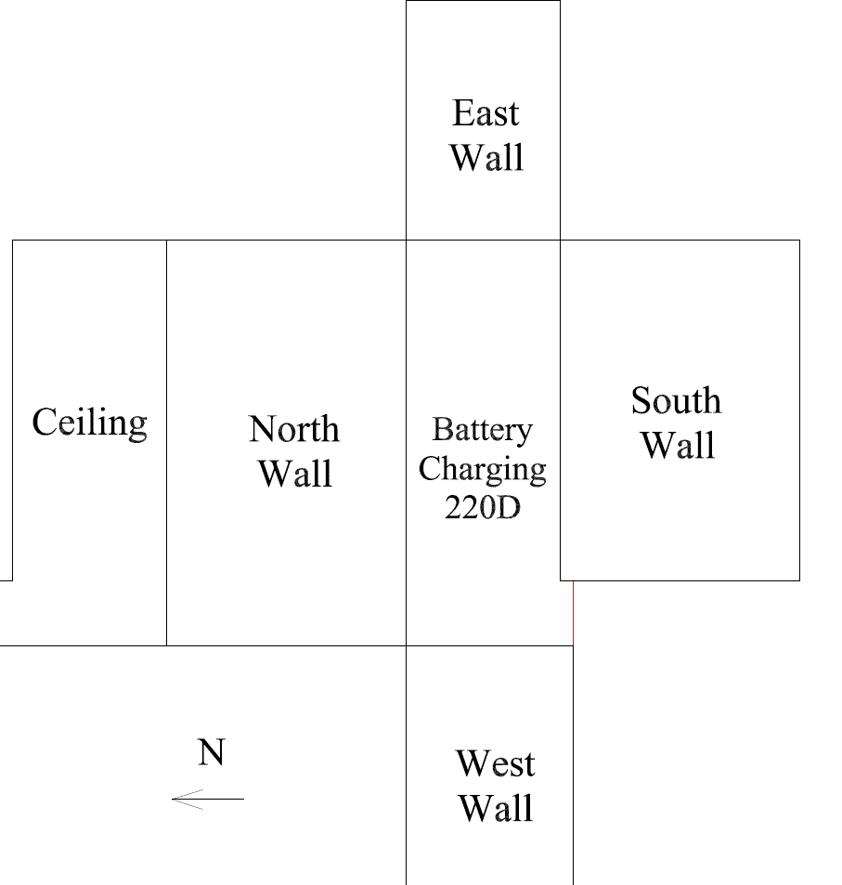

Survey No | INIS-030920-1477
Date | 2020-03-09
Survey Tech | J. Cuevas
Count Room Tech | P. Ray
Date Counted | 2020-03-09
Survey Type | Characterization
Level of Posting | CA
Comments

Map
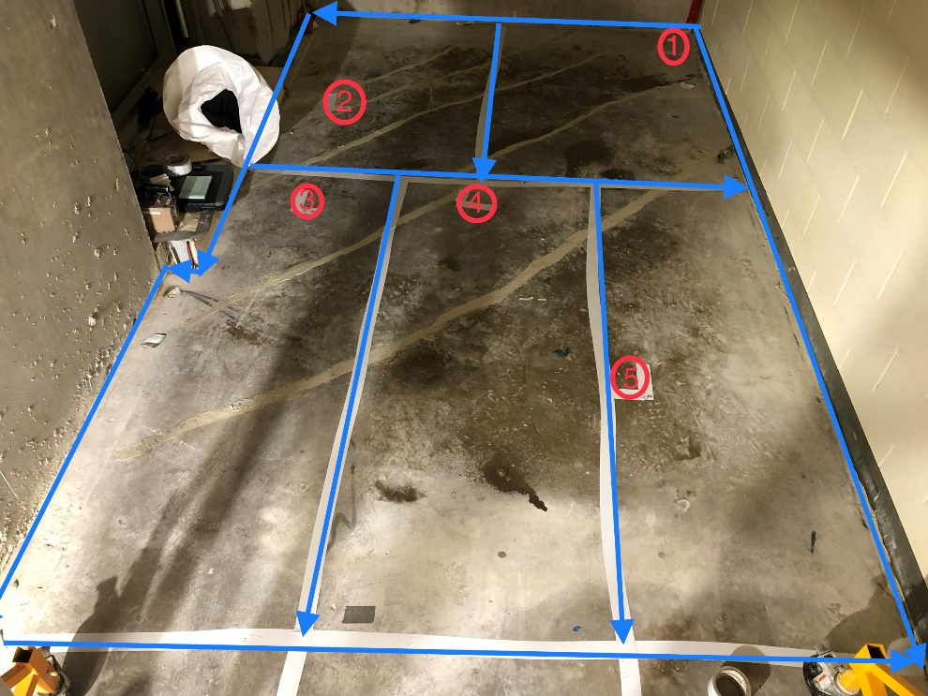
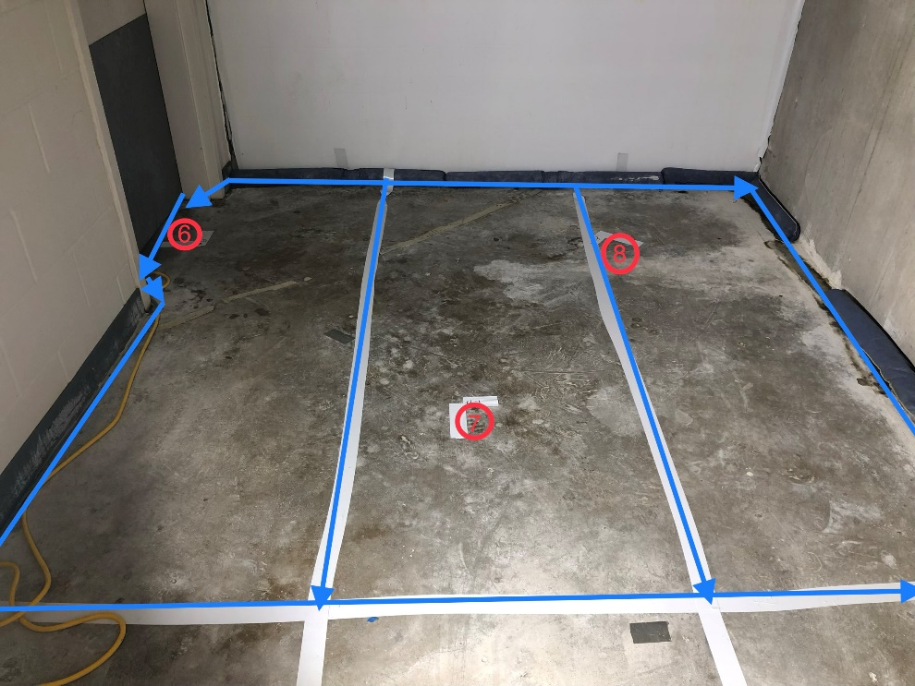

Survey No | INIS-030920-1477
Date | 2020-03-09
Survey Tech | J. Cuevas
Count Room Tech | P. Ray
Date Counted | 2020-03-09
Survey Type | Characterization
Level of Posting | CA
Comments

