Map (2)
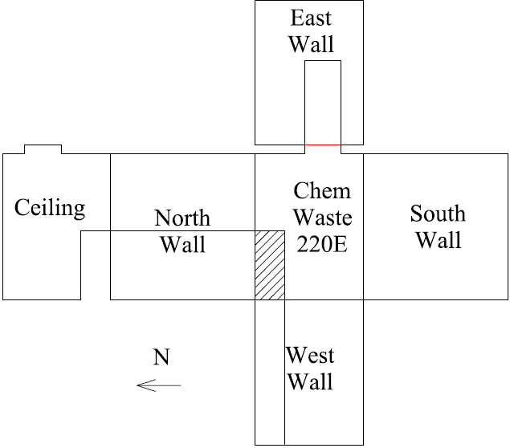

Survey No | INIS-030920-1478
Date | 2020-03-09
Survey Tech | J. Kallunki
Count Room Tech | P. Ray
Date Counted | 2020-03-09
Survey Type | Post Decontamination
Level of Posting | CA
Comments

Map
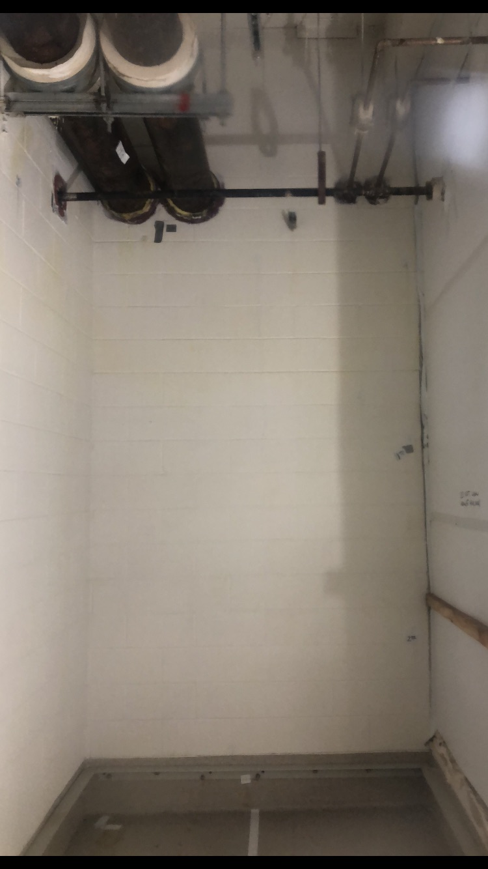

Survey No | INIS-030920-1478
Date | 2020-03-09
Survey Tech | J. Kallunki
Count Room Tech | P. Ray
Date Counted | 2020-03-09
Survey Type | Post Decontamination
Level of Posting | CA
Comments

