Map (2)
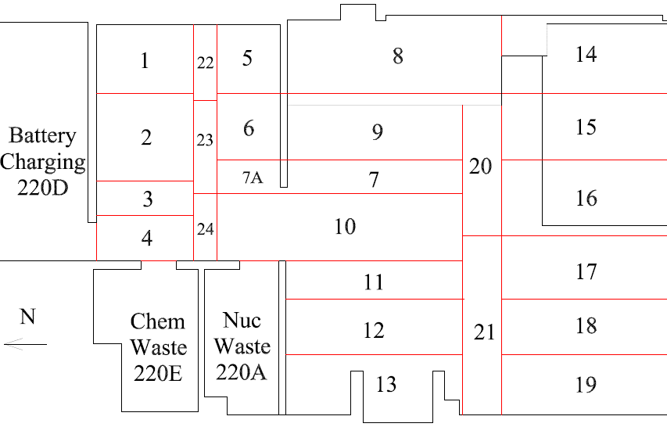

Survey No | INIS-031020-1484
Date | 2020-03-09
Survey Tech | M. Renderos / M. Dodge
Count Room Tech | P. Ray
Date Counted | 2020-03-10
Survey Type | Post Decontamination
Level of Posting | CA
Comments

Map
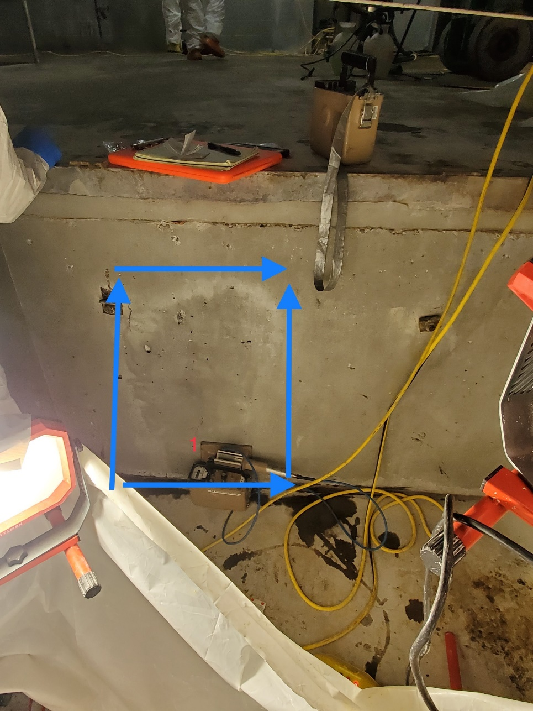
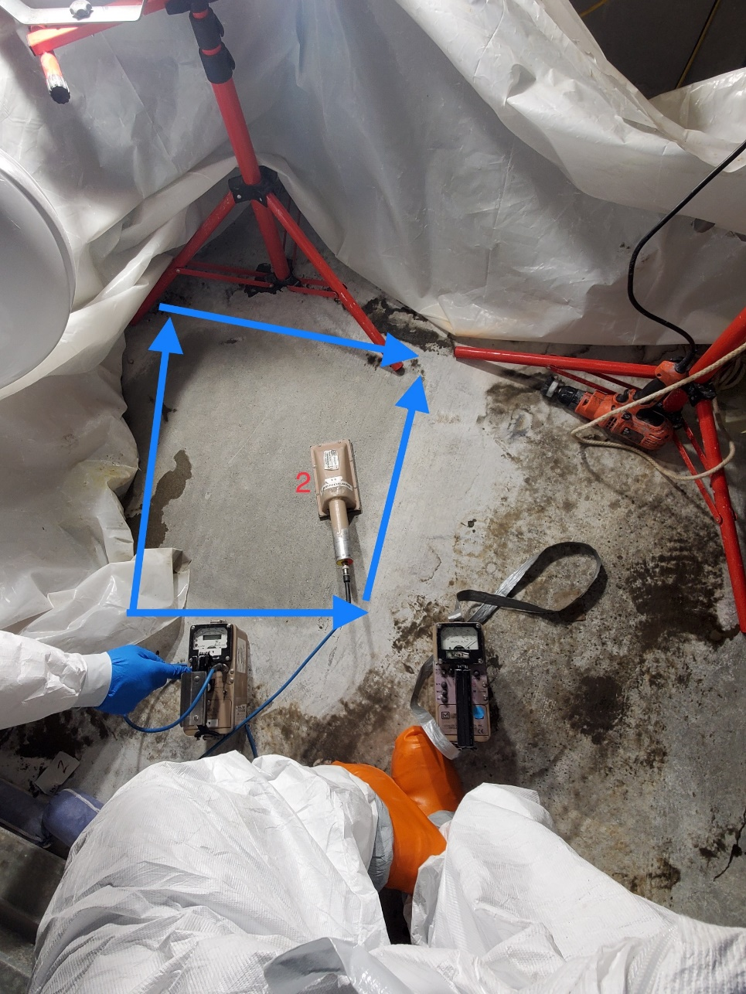

Survey No | INIS-031020-1484
Date | 2020-03-09
Survey Tech | M. Renderos / M. Dodge
Count Room Tech | P. Ray
Date Counted | 2020-03-10
Survey Type | Post Decontamination
Level of Posting | CA
Comments

