Map (2)
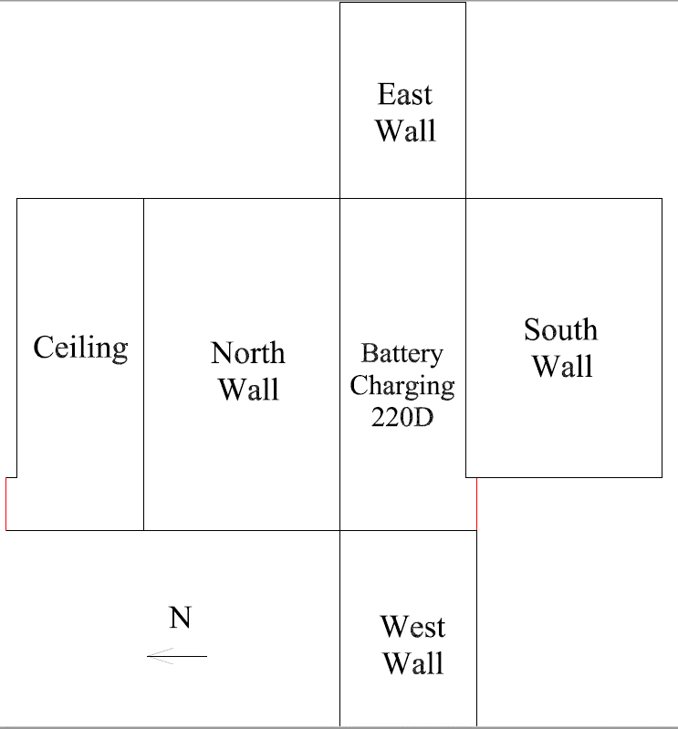

Survey Number | INIS-031020-1482
Date Surveyed | 2020-03-07
Survey Tech | M. Renderos / M. Dodge
Count Room Tech | P. Ray
Date Counted | 2020-03-10
Survey Type | Characterization
Level Of Posting | CA

Map
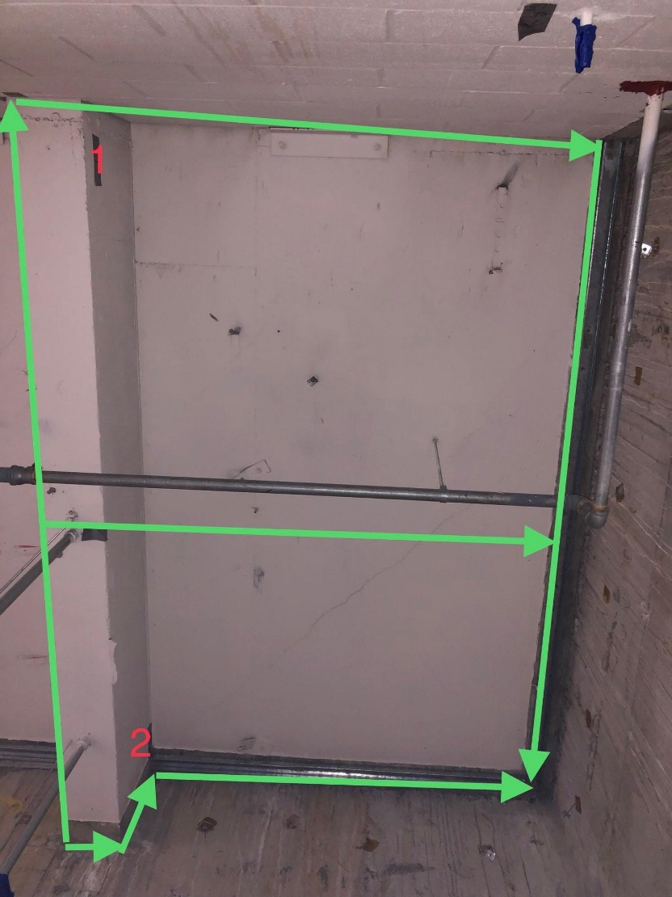
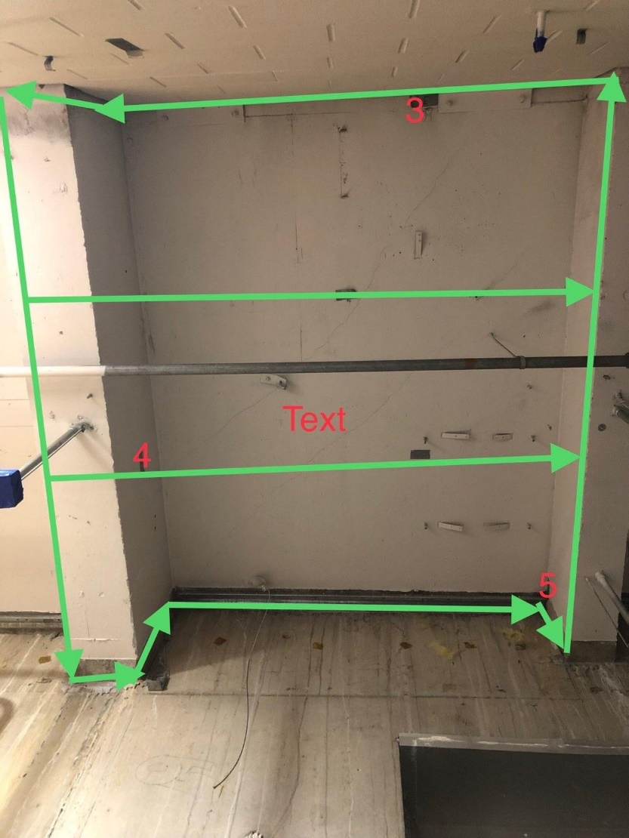
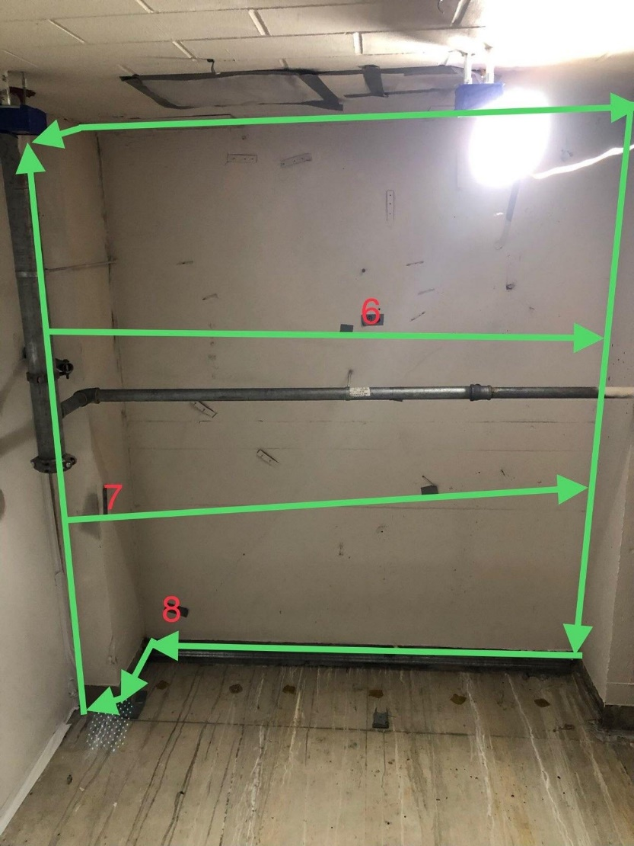

Survey Number | INIS-031020-1485
Date Surveyed | 2020-03-09
Survey Tech | M. Renderos / M. Dodge
Count Room Tech | P. Ray
Date Counted | 2020-03-10
Survey Type | Characterization
Level Of Posting | CA

