Map
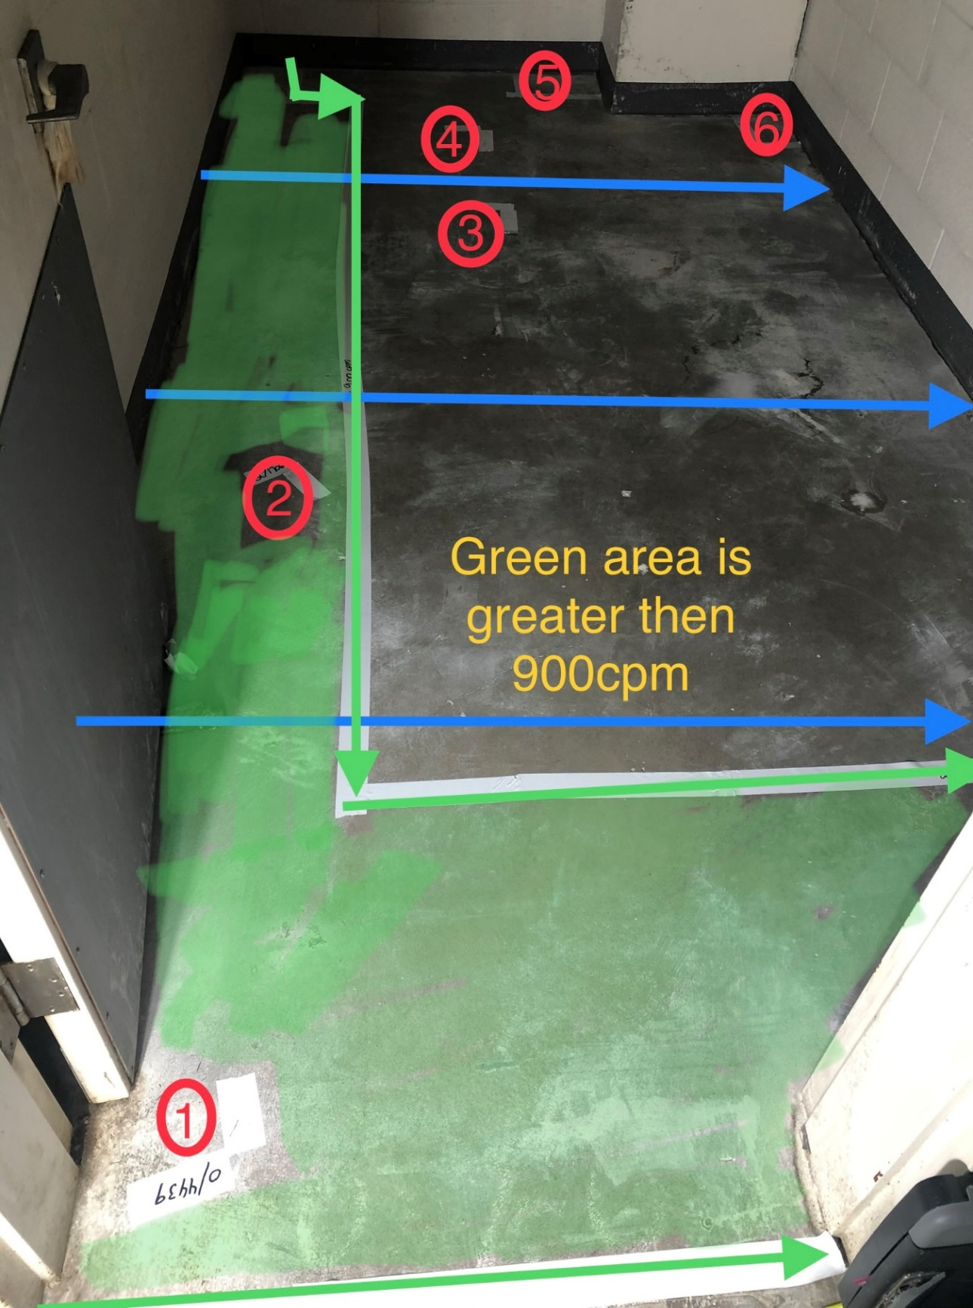

Survey Number | INIS-031020-1487
Date Surveyed | 2020-03-10
Survey Tech | J. Cuevas
Count Room Tech | P. Ray
Date Counted | 2020-03-10
Survey Type | Characterization
Level Of Posting | CA

