Map (2)
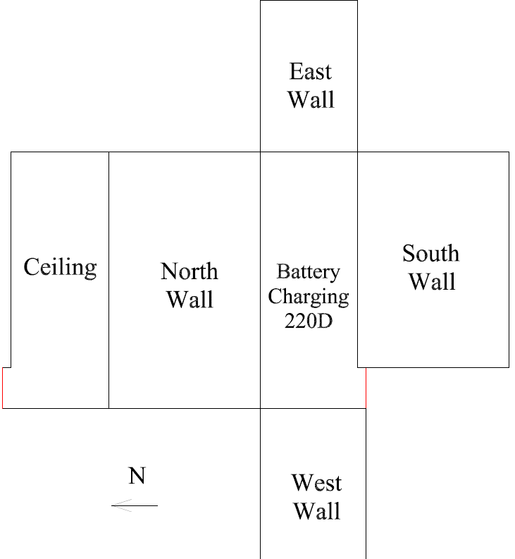

Survey Number | INIS-031120-1494
Date Surveyed | 2020-03-10
Survey Tech | M. Renderos / M. Dodge
Count Room Tech | P. Ray
Date Counted | 2020-03-11
Survey Type | Characterization
Level Of Posting | CA

Map
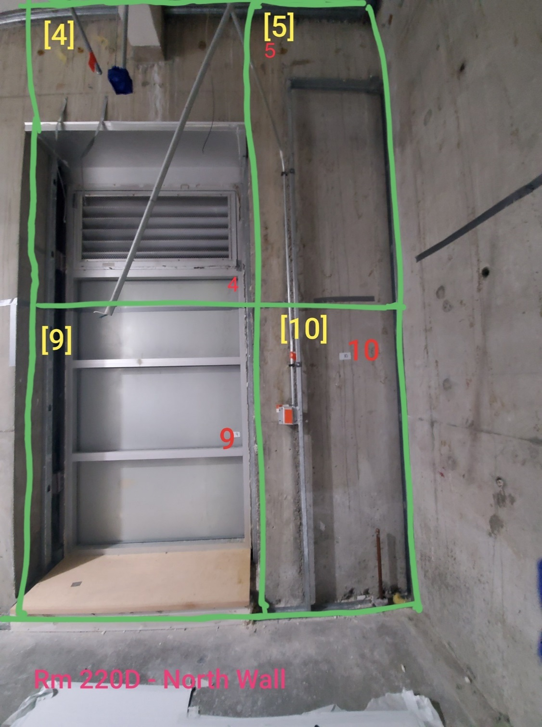

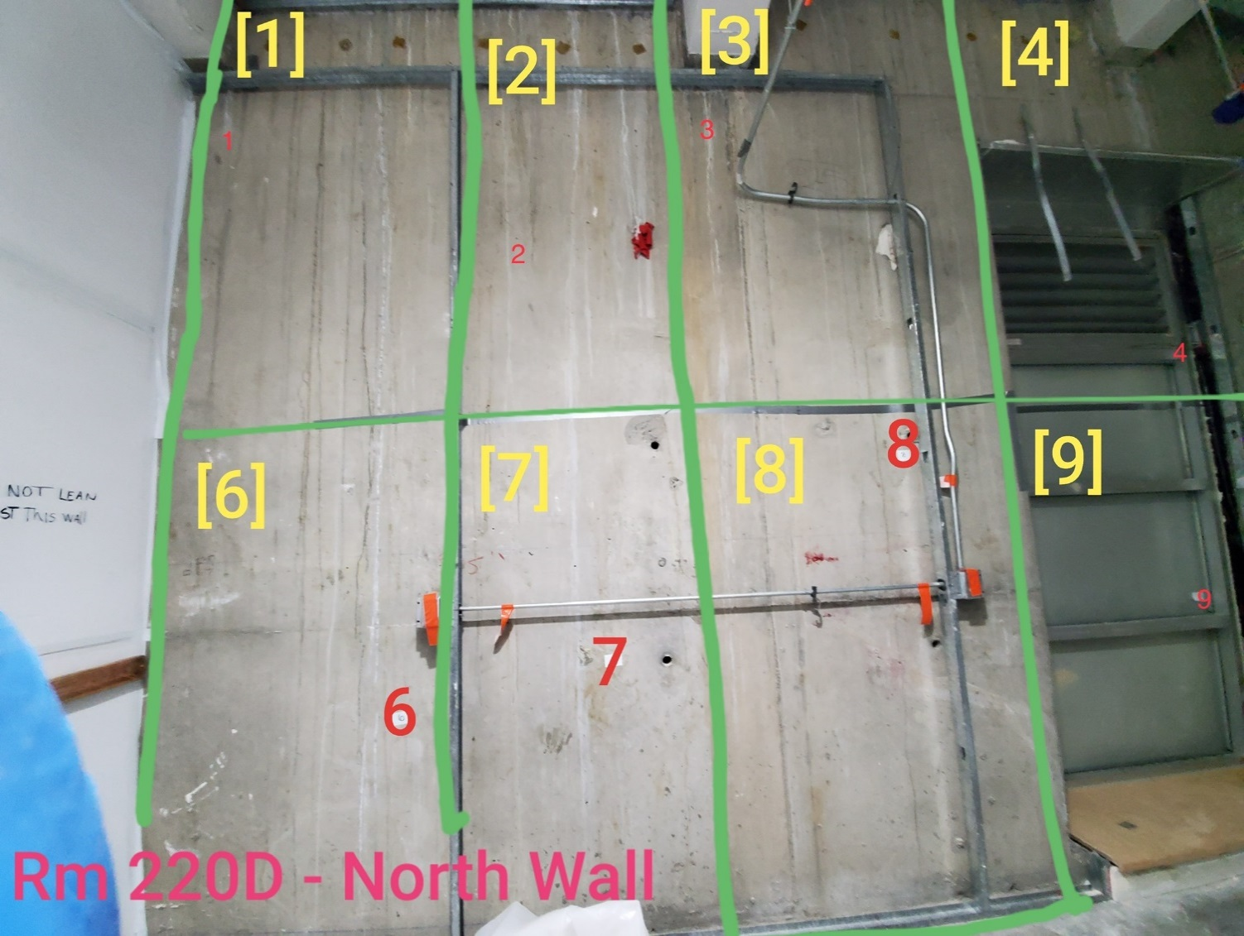

Survey Number | INIS-031120-1494
Date Surveyed | 2020-03-10
Survey Tech | M. Renderos / M. Dodge
Count Room Tech | P. Ray
Date Counted | 2020-03-11
Survey Type | Characterization
Level Of Posting | CA

