Map (2)
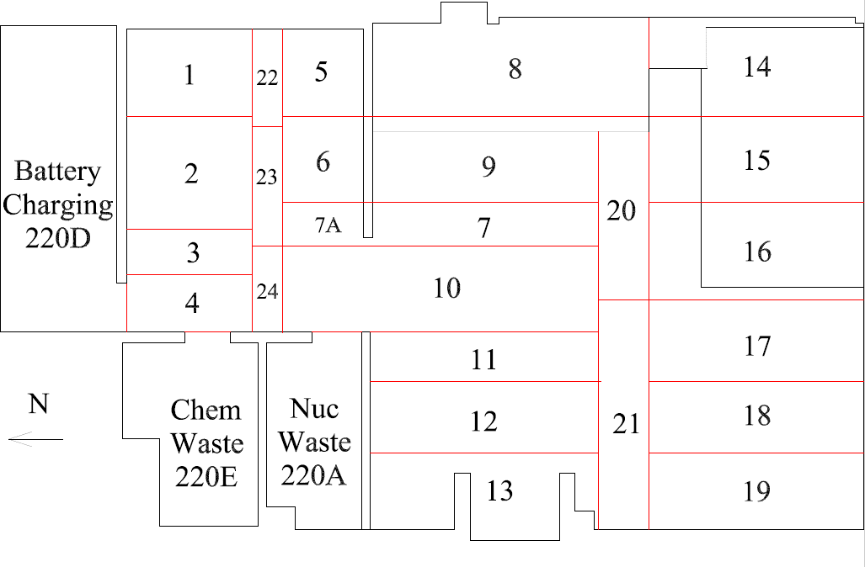

Survey Number | INIS-031120-1497
Date Surveyed | 2020-03-10
Survey Tech | J. Kallunki
Count Room Tech | P. Ray
Date Counted | 2020-03-11
Survey Type | Characterization
Level Of Posting | None

Map
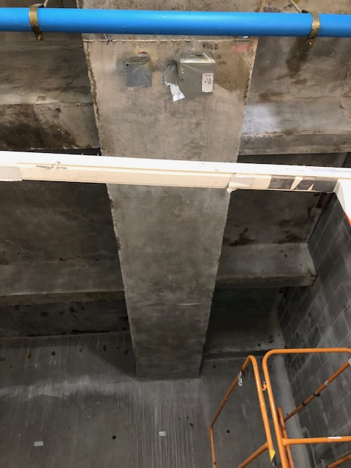

Survey Number | INIS-031120-1497
Date Surveyed | 2020-03-10
Survey Tech | J. Kallunki
Count Room Tech | P. Ray
Date Counted | 2020-03-11
Survey Type | Characterization
Level Of Posting | None

