Map (2)
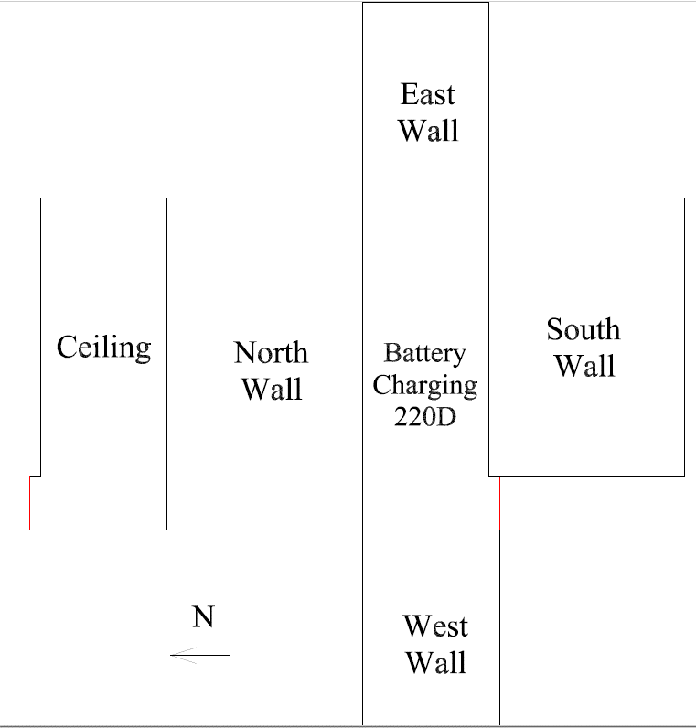

Survey Number | INIS-031220-1505
Date Surveyed | 2020-03-11
Survey Tech | J. Kallunki
Count Room Tech | P. Ray
Date Counted | 2020-03-12
Survey Type | Post Decontamination
Level Of Posting | CA

Map
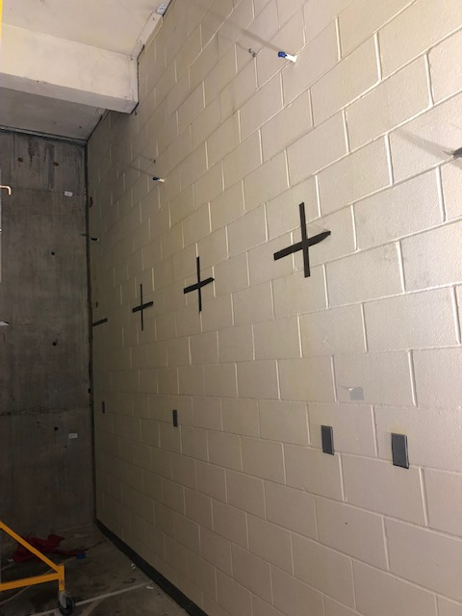
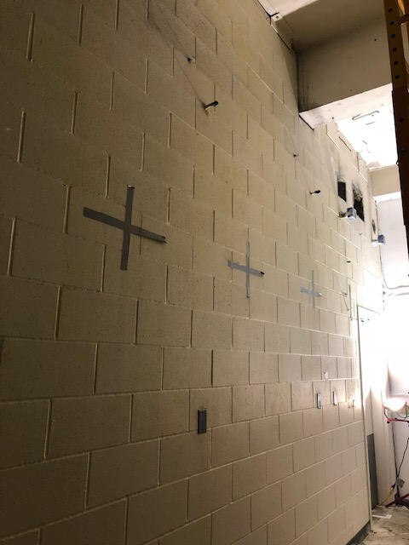

Survey Number | INIS-031220-1505
Date Surveyed | 2020-03-11
Survey Tech | J. Kallunki
Count Room Tech | P. Ray
Date Counted | 2020-03-12
Survey Type | Post Decontamination
Level Of Posting | CA

