Map
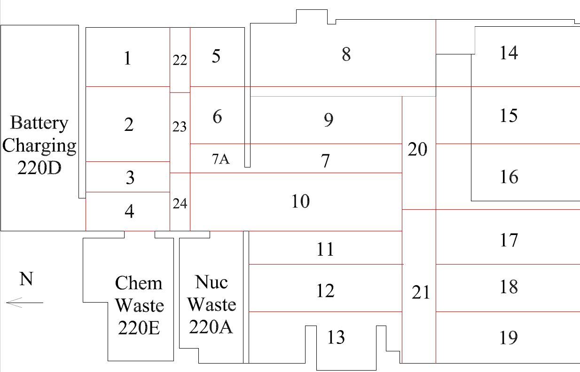

Survey Number | INIS-031220-1507
Date Surveyed | 2020-03-11
Survey Tech | M. Renderos/M. Dodge
Count Room Tech | P. Ray
Date Counted | 2020-03-12
Survey Type | Post Decontamination
Level Of Posting | CA

Map (2)
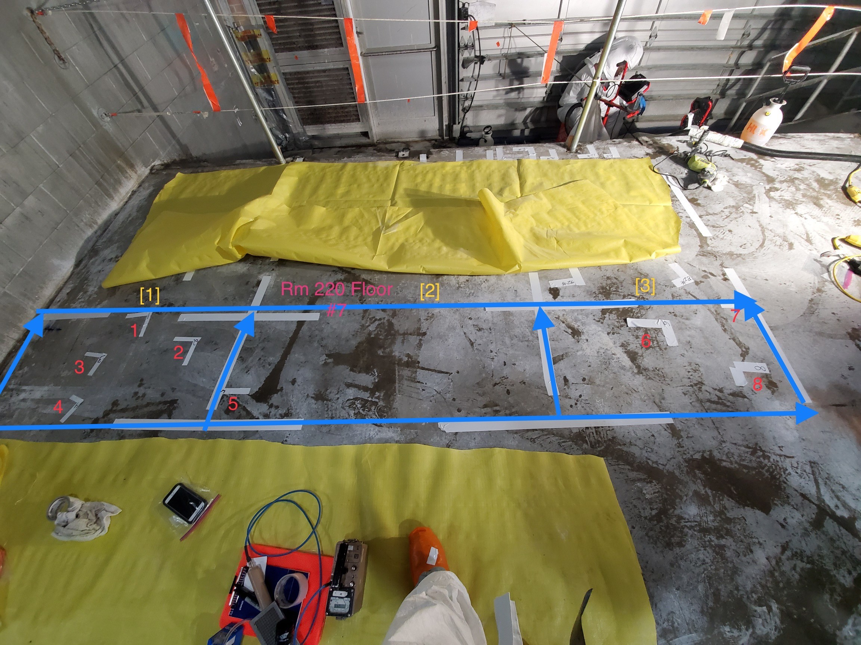

Survey Number | INIS-031220-1507
Date Surveyed | 2020-03-11
Survey Tech | M. Renderos/M. Dodge
Count Room Tech | P. Ray
Date Counted | 2020-03-12
Survey Type | Post Decontamination
Level Of Posting | CA

