Map (2)
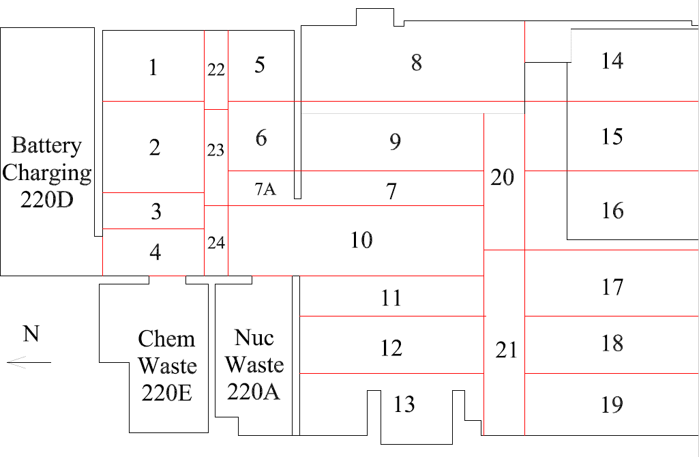

Survey Number | INIS-031220-1508
Date Surveyed | 2020-03-11
Survey Tech | M. Renderos / M. Dodge
Count Room Tech | P. Ray
Date Counted | 2020-03-12
Survey Type | Characterization
Level Of Posting | CA

Map
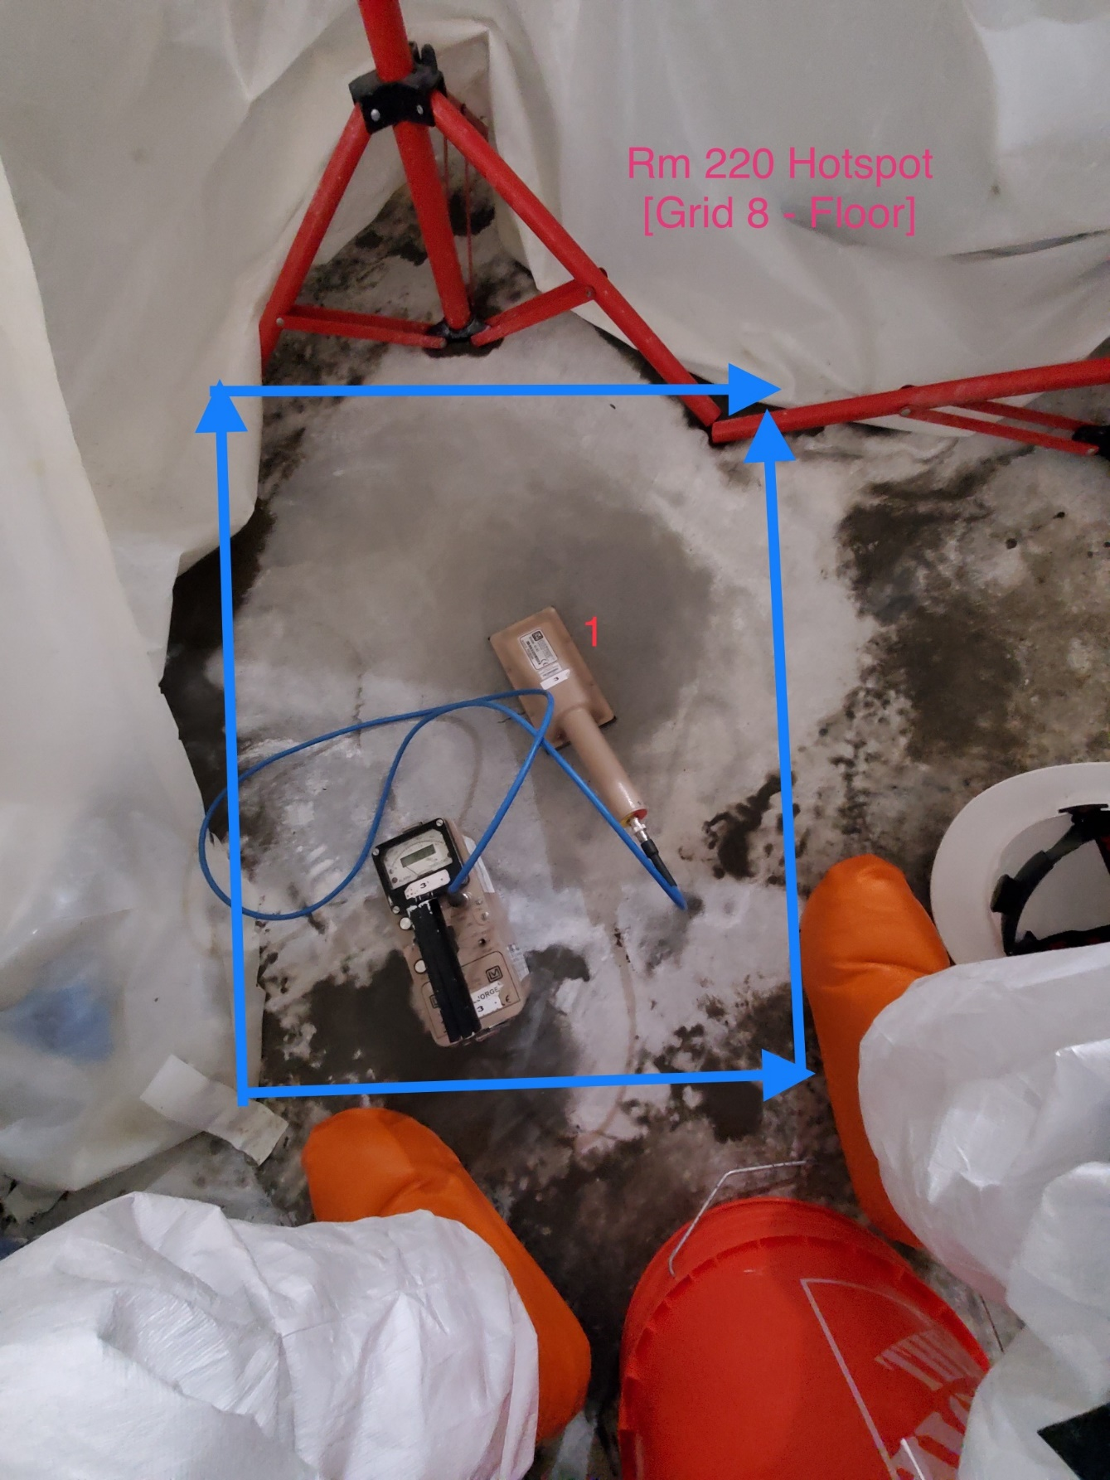

Survey Number | INIS-031220-1509
Date Surveyed | 2020-03-11
Survey Tech | M. Renderos / M. Dodge
Count Room Tech | P. Ray
Date Counted | 2020-03-12
Survey Type | Characterization
Level Of Posting | CA

