Map (2)
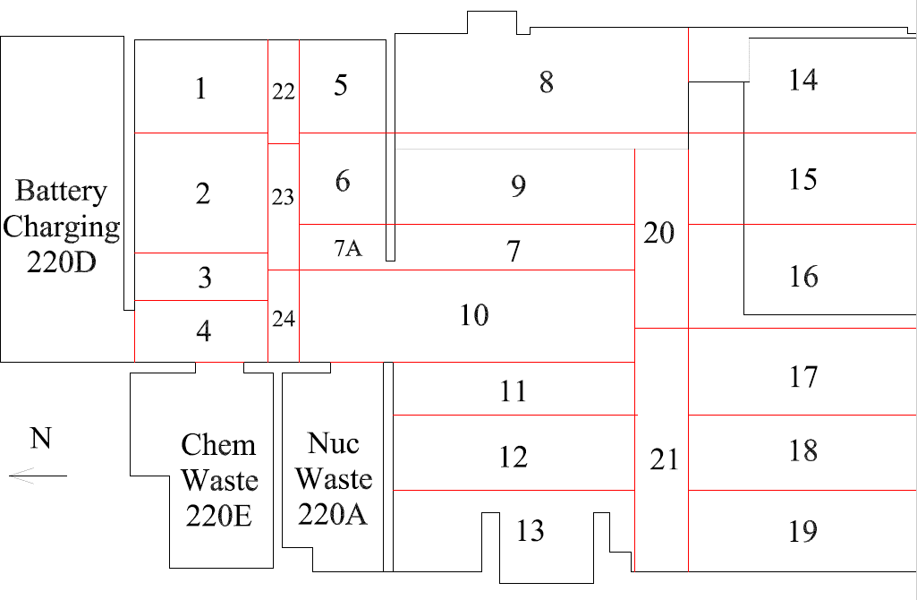

Survey Number | INIS-031320-1533
Date Surveyed | 2020-03-12
Survey Tech | M. Renderos
Count Room Tech | P. Ray
Date Counted | 2020-03-13
Survey Type | Characterization
Level Of Posting | CA

Map
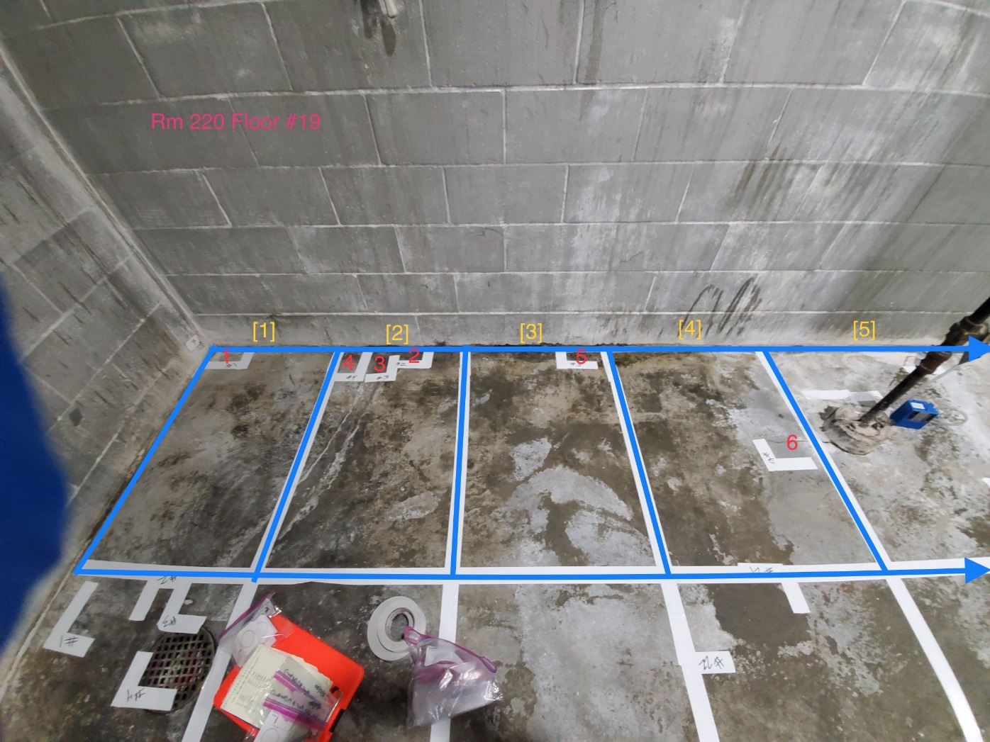
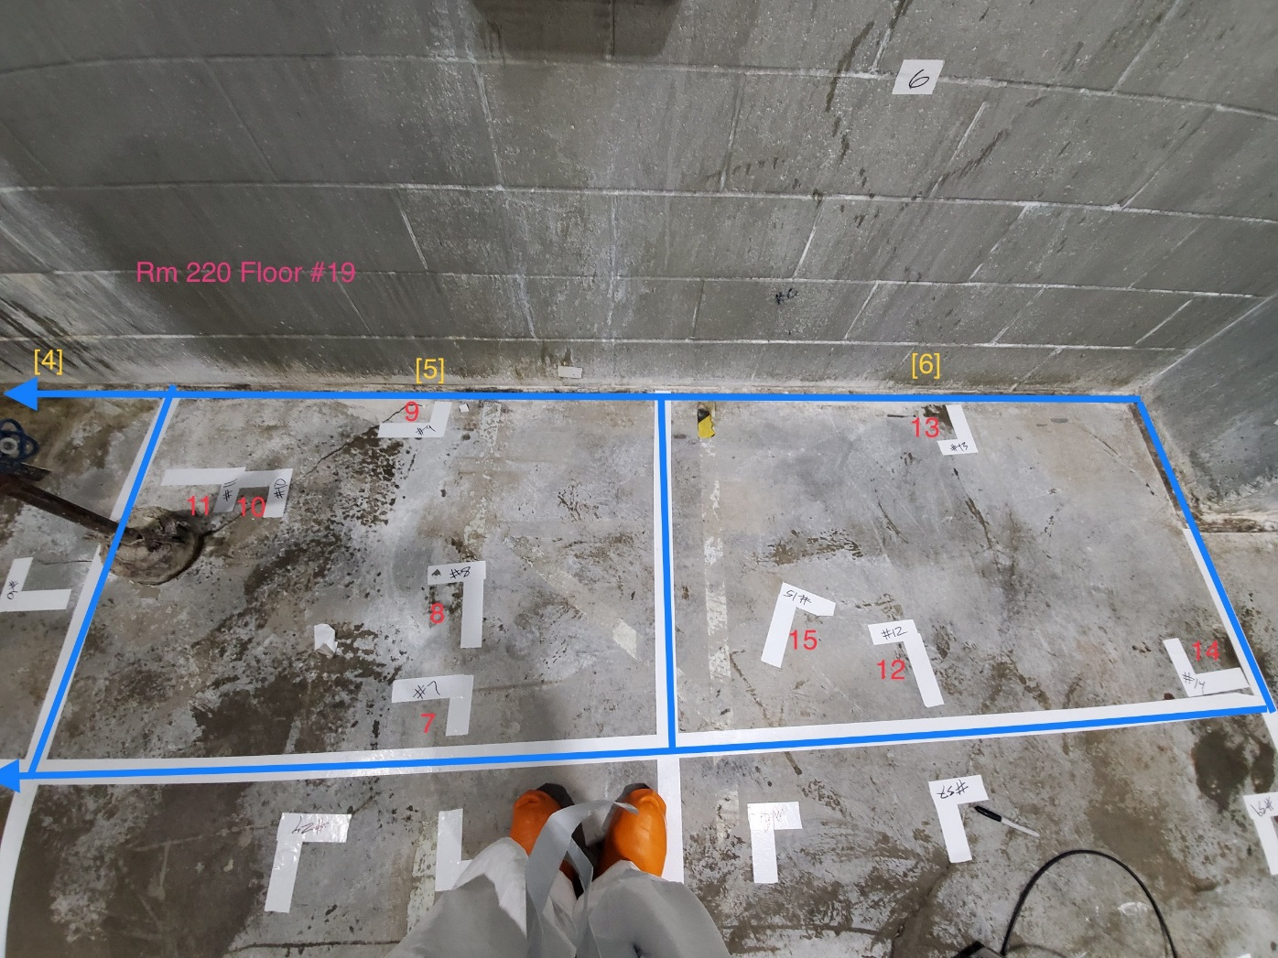

Survey Number | INIS-031320-1533
Date Surveyed | 2020-03-12
Survey Tech | M. Renderos
Count Room Tech | P. Ray
Date Counted | 2020-03-13
Survey Type | Characterization
Level Of Posting | CA

