Map
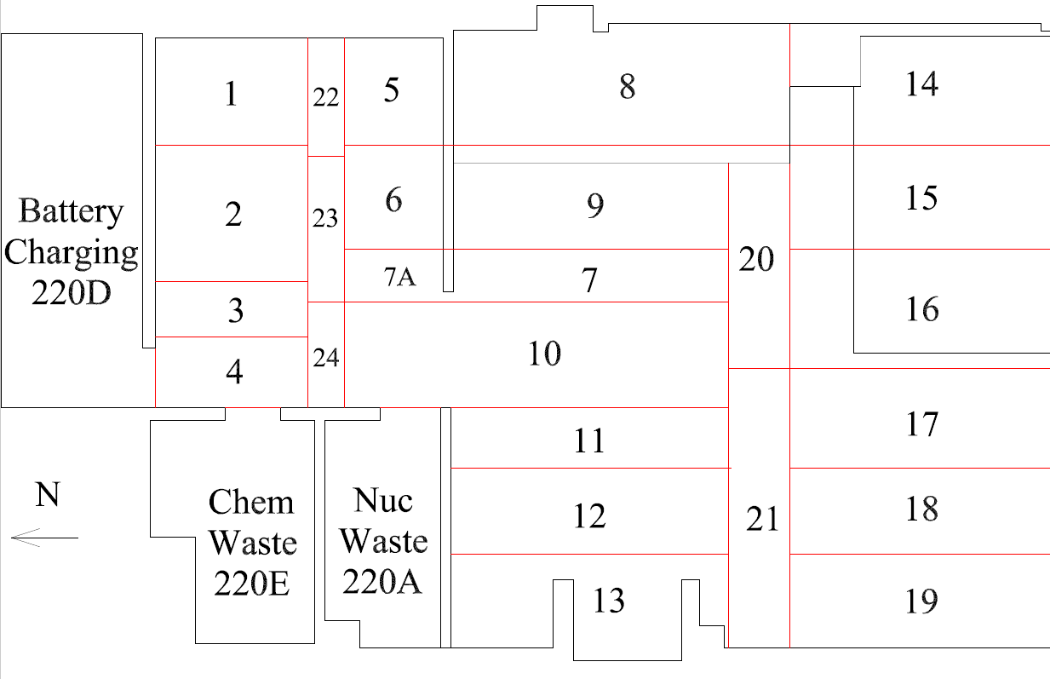

Survey Number | INIS-031420-1543
Date Surveyed | 2020-03-14
Survey Tech | J. Cuevas
Count Room Tech | P. Ray
Date Counted | 2020-03-14
Survey Type | Post Decontamination
Level Of Posting | CA

Map (2)
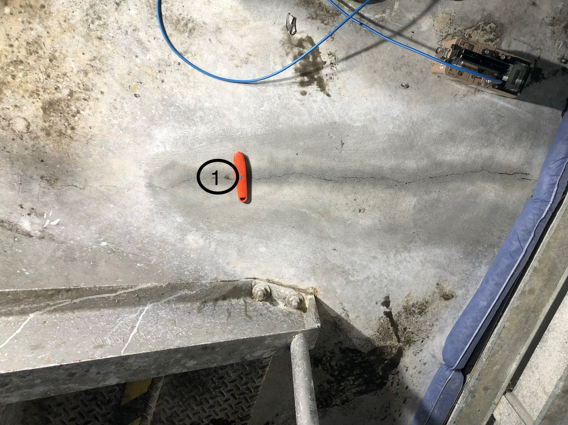

Survey Number | INIS-031420-1543
Date Surveyed | 2020-03-14
Survey Tech | J. Cuevas
Count Room Tech | P. Ray
Date Counted | 2020-03-14
Survey Type | Post Decontamination
Level Of Posting | CA

