cover
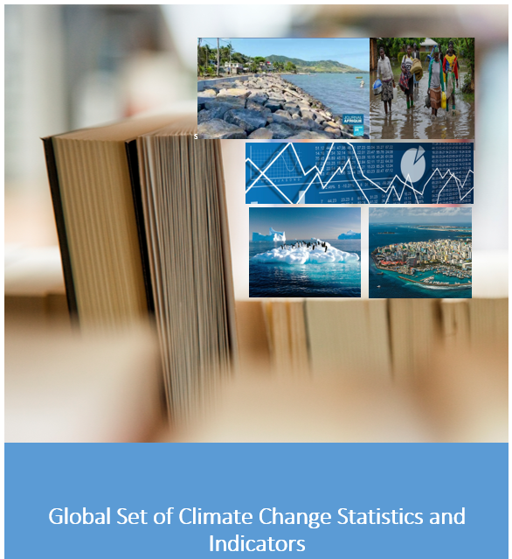

Climate Change Statistics and Indicators Self-Assessment Tool (CISAT)
Part ll: Statistics and Indicators Assessment
Prepared by the United Nations Statistics Division
31 January 2023
Version 1.0

