All Reviews
UCSD Data Science, HW#22 Big Data, Level 2
Alexis Perumal, 5/7/20

Hypothesis Testing |  |  |  | Wikipedia: Student's t-test
H0: Equal means; H1: Vine mean higher (1 tail)
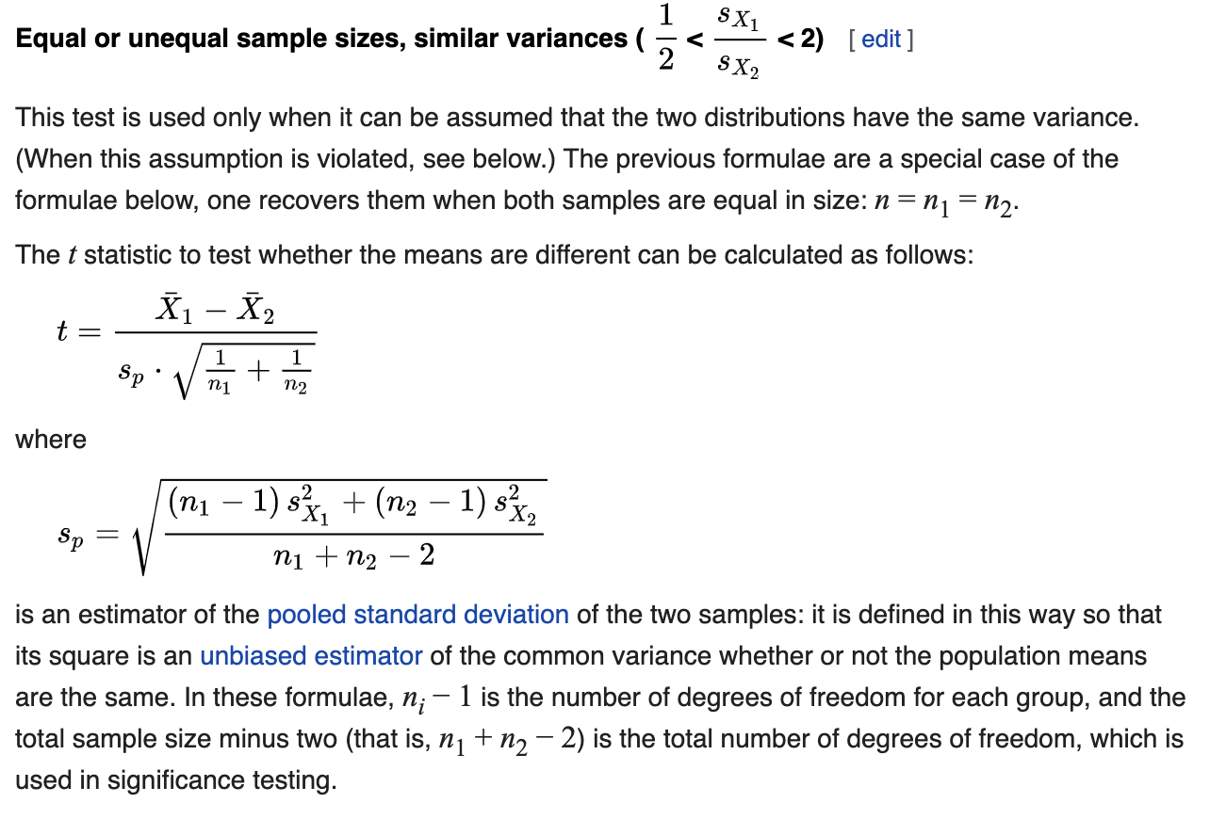
vine | count | rating_mean | rating_sd
N | 4886954 | 4.1379 | 1.2887
Y | 4292 | 4.075 | 0.9182

4.14 | x_bar_1
4.08 | x_bar_2
1.66 | s1_sq
0.84 | s2_sq
4,886,954 | n1
4,292 | n2
1.29 | s_p
3.19692 | t
4305.85984 | df
95% | confidence
0.0700% | p value

Conclusion: The T-stat/p-value is significant, therefore we reject the null and conclude that there is a meaningful difference in the average ratings of Vine reviewers and non-vine reviewers
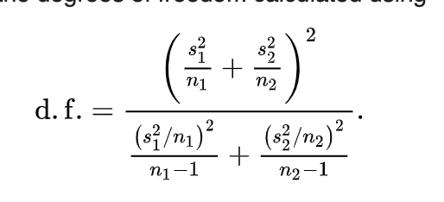

See the next tab for filtered reviews.

