Info
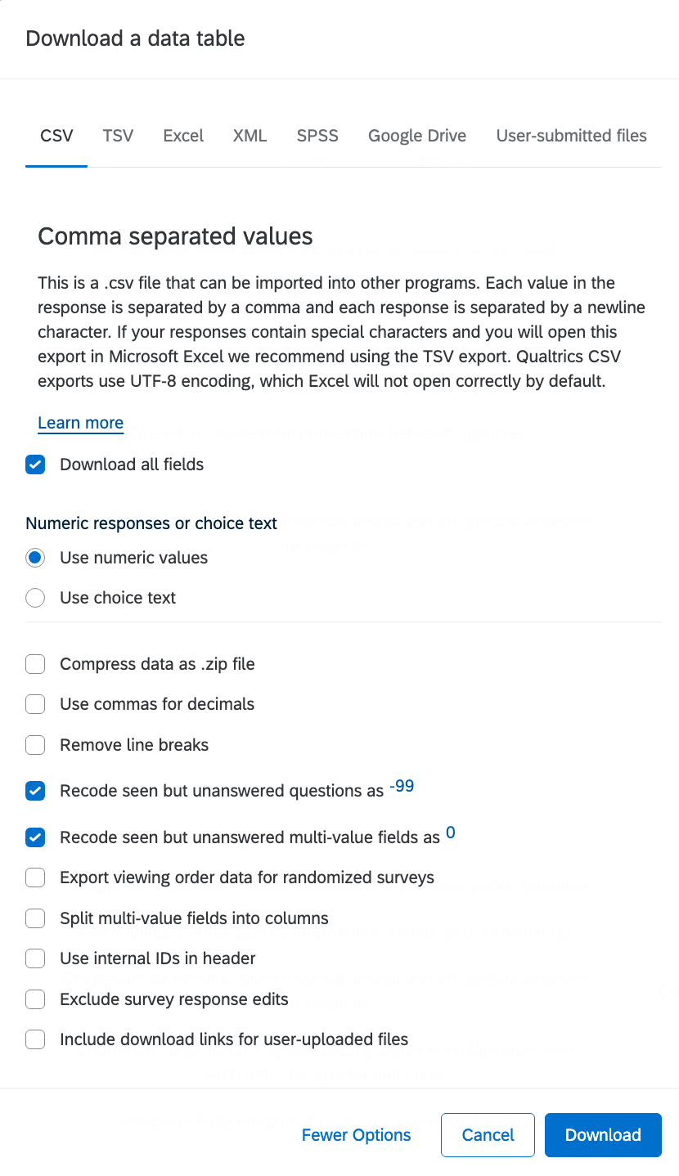
Info For Analysis

Definitions | Term/Label | Description
 | Classification Colum | Based on type of respondent
 | CBO Leader | Directors Executives, etc. These people have broader roles that serve the CBO before the program
 | Program Lead | a broad range of more defined roles that serve the program over the CBO. Could be contrat tracers, supervisors or area directors (vs cbo directors)
 | X | I still wated to classify the respondent, but it's secondary to another respondent in the same classification for the same organization.

 | Decision Column | based on completeness
 | Primary-I | Didn’t finish the survey, but was the only respondent for that organization. Why did I feel the need to distinguish this? I have no idea. Probably because I don't trust the "finished" column.
 | Secondary | Less complete respondent regardless of classification

Grouping Rules
 | Priortized Best Respondent Prioritized Network | if two completes | priortized director or length of time at organization
 | Program Leads/Specialist Network | if two completes | Prioritize supervisor over Contact Tracer Worker and then go by length at organization ( I didn't have to use the latter for Program Leads)
 | CBO Leader Network Situations | If two CBO Leaders | Defer to CBO Decision "Primary"

ISSUE LOG
 | Issue | Solution
 | on respondants that did not select single "not aware" option for questions Q3#1_1 -Q3#1_36 but selected muliple "aware" responses | I added 'not aware*" to all those blank responses there were only a few or less responses that had missing responses with both selected. otherwise those with an incomplete response for this portion selected neither aware nore not aware.
 | Joseph green - Note on CBO contact Lists | listing him as a program lead, will check to see if he's in a
 | Hugo Avila - not on CBO Contact Lists
 | Why does Y3 look so much less wide than Y1? | Y3 doesn't have Question 2 (or Q3#2_00) to be exact. The reason for this is because by the second data collection we figured organizations already knew each od other.
 | Kolp and CDPH Resoondents--- KOLP is a supervisor on one of the Tabs, which I wouldn’t think would be embedded in CDPH. Further I couldn't find this respondent in CDPH's public employee info (granted maybe they no longer work there) but I did find eva Terry who is Dir. Level.Kolp is more complete | used Terry as CBO Lead and Kolp as Supervisor even though I'm not 100% about Kolp. For now I left both Kolp and Terry as a primary for the prioritized list

