Sheet1
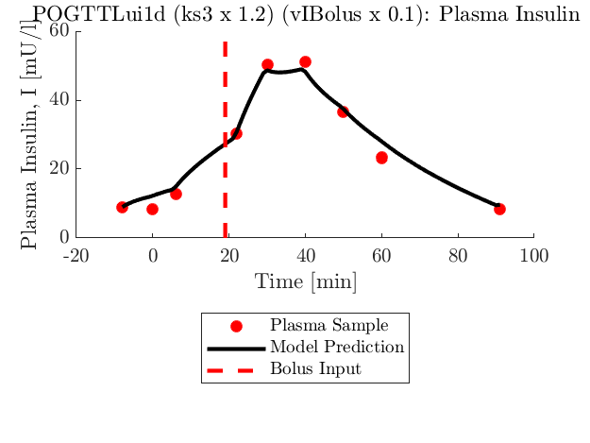
 | ks3 Multiplier | 1.0 | 1.2 | 1.4 | 1.6 | 1.8 | 2 | 1.00 | 1.20 | 1.40 | 1.60 | 1.80 | 2.00 | 1.00 | 1.20 | 1.40 | 1.60 | 1.80 | 2.00
P1d | JLK | insulin SSE | insulin SSE | insulin SSE | insulin SSE | insulin SSE | insulin SSE | nL | nL | nL | nL | nL | nL | xL | xL | xL | xL | xL | xL
Std Dev of SSE from 5% Assay error | 0.1 | 57.1 | 56.7 | 84.5 | 83.3 | 82.2 | 81.1 | 0.14 | 0.14 | 0.10 | 0.10 | 0.10 | 0.10 | 0.68 | 0.68 | 0.74 | 0.74 | 0.74 | 0.74
100.84 | 0.2 | 109.9 | 107.5 | 104.8 | 102.0 | 99.1 | 97.1 | 0.10 | 0.10 | 0.10 | 0.10 | 0.10 | 0.11 | 0.74 | 0.74 | 0.74 | 0.74 | 0.74 | 0.74
Min Error | 0.3 | 152.4 | 162.0 | 159.1 | 153.7 | 148.4 | 145.1 | 0.10 |  |  | 0.10 | 0.10 | 0.10 | 0.76 |  |  | 0.76 | 0.76 | 0.76
56.7 | 0.4 | 229.6 | 226.1 | 219.8 | 214.1 | 205.5 | 199.6
 | 0.5 | 311.1 | 309.1 | 303.1 | 292.4 | 281.9 | 271.5
 | 0.6 | 414.2 | 410.5 | 401.0 | 389.6 | 374.8 | 361.2
 | 0.7 | 535.5 | 533.5 | 519.8 | 504.5 | 484.4 | 467.3
 | 0.8 | 678.7 | 672.2 | 655.5 | 638.8 | 615.5 | 591.6
 | 0.9 | 845.2 | 835.2 | 815.6 | 789.6 | 758.4 | 731.4
 | 1 | 1028.4 | 1023.7 | 994.2 | 959.1 | 925.9 | 887.0
 |  |  |  |  |  |  |  | Range | 0.10 | to | 0.14 |  |  | Range | 0.68 | to | 0.76

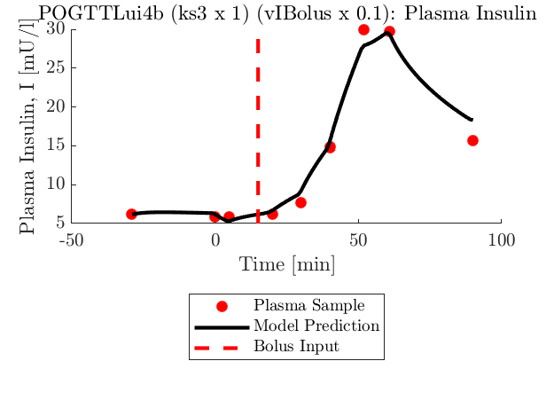
 | ks3 Multiplier | 1.0 | 1.2 | 1.4 | 1.6 | 1.8 | 2 | 1.00 | 1.20 | 1.40 | 1.60 | 1.80 | 2.00 | 1.00 | 1.20 | 1.40 | 1.60 | 1.80 | 2.00
P4b | JLK | insulin SSE | insulin SSE | insulin SSE | insulin SSE | insulin SSE | insulin SSE | nL | nL | nL | nL | nL | nL | xL | xL | xL | xL | xL | xL
Std Dev of SSE from 5% Assay error | 0.1 | 15.0 | 15.4 | 15.7 | 16.4 | 17.0 | 17.7 | 0.10 | 0.10 | 0.10 | 0.10 | 0.10 | 0.10 | 0.71 | 0.71 | 0.71 | 0.72 | 0.72 | 0.72
25.28 | 0.2 | 19.9 | 22.1 | 24.7 | 27.1 | 29.6 | 31.9 | 0.10 | 0.09 | 0.08 | 0.08 | 0.07 | 0.07 | 0.73 | 0.75 | 0.76 | 0.77 | 0.78 | 0.79
Min Error | 0.3 | 34.9 | 38.8 | 43.8 | 48.8 | 53.9 | 58.7 | 0.07 | 0.06 |  |  |  |  | 0.80 | 0.81
15.0 | 0.4 | 54.3 | 62.0 | 70.3 | 78.9 | 86.8 | 95.4
 | 0.5 | 80.0 | 91.9 | 104.7 | 117.5 | 154.2 | 181.7
 | 0.6 | 111.4 | 128.9 | 146.1 | 162.9 | 179.1 | 193.4
 | 0.7 | 150.3 | 171.9 | 193.9 | 214.8 | 235.2 | 285.8
 | 0.8 | 194.0 | 221.2 | 247.9 | 300.9 | 314.9 | 320.1
 | 0.9 | 243.2 | 275.8 | 322.2 | 341.6 | 365.9 | 393.9
 | 1 | 298.1 | 336.0 | 364.1 | 408.2 | 443.0 | 477.8
 |  |  |  |  |  |  |  | Range | 0.06 | to | 0.10 |  |  | Range | 0.71 | to | 0.81

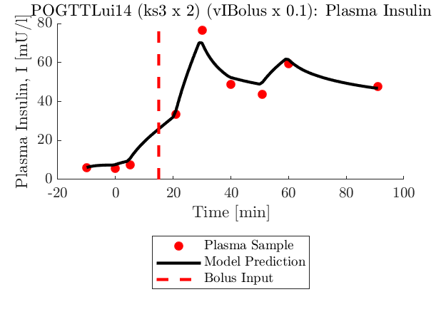
 | ks3 Multiplier | 1.0 | 1.2 | 1.4 | 1.6 | 1.8 | 2 | 1.00 | 1.20 | 1.40 | 1.60 | 1.80 | 2.00 | 1.00 | 1.20 | 1.40 | 1.60 | 1.80 | 2.00
P14 | JLK | insulin SSE | insulin SSE | insulin SSE | insulin SSE | insulin SSE | insulin SSE | nL | nL | nL | nL | nL | nL | xL | xL | xL | xL | xL | xL
Std Dev of SSE from 5% Assay error | 0.1 | 121.8 | 121.2 | 120.7 | 119.9 | 119.7 | 119.5 | 0.15 | 0.15 | 0.15 | 0.15 | 0.15 | 0.15 | 0.55 | 0.55 | 0.55 | 0.55 | 0.55 | 0.55
137.97 | 0.2 | 138.9 | 136.5 | 136.7 | 133.6 | 131.2 | 130.3 | 0.14 | 0.14 | 0.14 | 0.15 | 0.15 | 0.15 | 0.57 | 0.57 | 0.57 | 0.57 | 0.57 | 0.57
Min Error | 0.3 | 160.4 | 159.2 | 156.2 | 153.4 | 150.1 | 146.1 | 0.14 | 0.14 | 0.14 | 0.14 | 0.14 | 0.14 | 0.59 | 0.59 | 0.59 | 0.59 | 0.58 | 0.58
119.5 | 0.4 | 187.0 | 187.1 | 181.0 | 177.6 | 171.8 | 167.7 | 0.13 | 0.13 | 0.13 | 0.14 | 0.14 | 0.14 | 0.61 | 0.61 | 0.61 | 0.61 | 0.60 | 0.60
 | 0.5 | 183.8 | 180.6 | 176.0 | 204.8 | 197.6 | 193.4 | 0.15 | 0.15 | 0.15 | 0.13 | 0.13 | 0.13 | 0.59 | 0.59 | 0.59 | 0.62 | 0.62 | 0.62
 | 0.6 | 257.7 | 252.5 | 245.8 | 237.2 | 228.2 | 221.7 |  | 0.12 | 0.13 | 0.13 | 0.13 | 0.13 |  | 0.64 | 0.64 | 0.64 | 0.64 | 0.64
 | 0.7 | 301.6 | 292.5 | 283.9 | 271.5 | 263.6 | 252.4 |  |  |  |  |  | 0.13 |  |  |  |  |  | 0.66
 | 0.8 | 347.0 | 337.3 | 323.9 | 309.7 | 299.1 | 288.4
Weird??? | 0.9 | 395.2 | 381.4 | 368.6 | 350.8 | 338.1 | 143.6 |  |  |  |  |  | 0.22 |  |  |  |  |  | 0.53
 | 1 | 446.8 | 432.2 | 415.3 | 394.9 | 377.9 | 361.0
 |  |  |  |  |  |  |  | Range | 0.12 | to | 0.22 |  |  | Range | 0.53 | to | 0.66

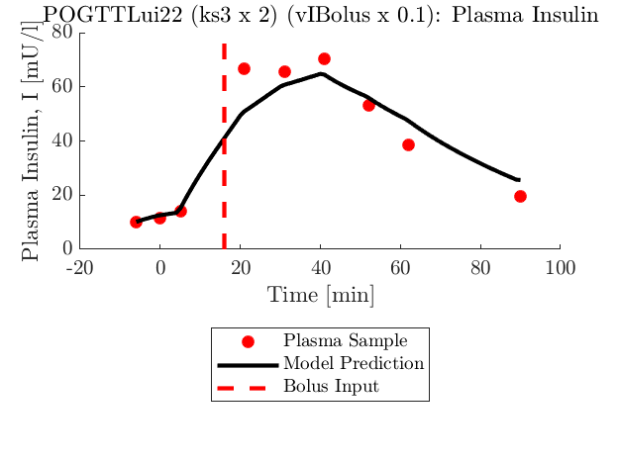
 | ks3 Multiplier | 1.0 | 1.2 | 1.4 | 1.6 | 1.8 | 2 | 1.00 | 1.20 | 1.40 | 1.60 | 1.80 | 2.00 | 1.00 | 1.20 | 1.40 | 1.60 | 1.80 | 2.00
P22 | JLK | insulin SSE | insulin SSE | insulin SSE | insulin SSE | insulin SSE | insulin SSE | nL | nL | nL | nL | nL | nL | xL | xL | xL | xL | xL | xL
Std Dev of SSE from 5% Assay error | 0.1 | 446.1 | 442.8 | 442.3 | 438.0 | 433.9 | 431.5 | 0.07 | 0.07 | 0.07 | 0.07 | 0.07 | 0.07 | 0.73 | 0.73 | 0.73 | 0.73 | 0.73 | 0.73
286.41 | 0.2 | 571.2 | 566.1 | 557.8 | 549.5 | 542.6 | 535.7 | 0.06 | 0.06 | 0.06 | 0.06 | 0.07 | 0.07 | 0.75 | 0.75 | 0.75 | 0.75 | 0.75 | 0.75
Min Error | 0.3 | 718.3 | 710.6 | 696.1 | 687.2 | 670.8 | 656.6 |  | 0.06 | 0.06 | 0.06 | 0.06 | 0.06 |  | 0.77 | 0.77 | 0.77 | 0.77 | 0.77
431.5 | 0.4 | 883.3 | 870.9 | 852.2 | 841.8 | 818.5 | 798.5
 | 0.5 | 1092.0 | 1071.3 | 1040.7 | 1012.0 | 987.4 | 963.6
 | 0.6 | 1317.1 | 1292.6 | 1258.9 | 1213.7 | 1175.0 | 1144.4
 | 0.7 | 1571.2 | 1541.5 | 1502.9 | 1450.9 | 1387.2 | 1340.7
 | 0.8 | 1854.4 | 1818.3 | 1768.7 | 1706.1 | 1643.0 | 1574.6
 | 0.9 | 2160.7 | 2123.6 | 2062.8 | 1986.6 | 1907.5 | 1831.6
 | 1 | 2498.7 | 2458.9 | 2376.4 | 2286.2 | 2193.3 | 2105.0
 |  |  |  |  |  |  |  | Range | 0.06 | to | 0.07 |  |  | Range | 0.73 | to | 0.77

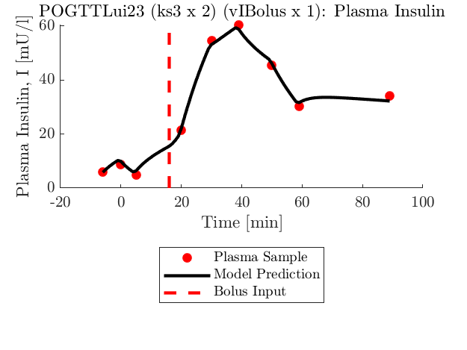
 | ks3 Multiplier | 1.0 | 1.2 | 1.4 | 1.6 | 1.8 | 2 | 1.00 | 1.20 | 1.40 | 1.60 | 1.80 | 2.00 | 1.00 | 1.20 | 1.40 | 1.60 | 1.80 | 2.00
P23 | JLK | insulin SSE | insulin SSE | insulin SSE | insulin SSE | insulin SSE | insulin SSE | nL | nL | nL | nL | nL | nL | xL | xL | xL | xL | xL | xL
Std Dev of SSE from 5% Assay error | 0.1 | 57.5 | 57.0 | 57.0 | 57.2 | 57.6 | 57.4
26.16 | 0.2 | 49.3 | 48.5 | 48.4 | 47.9 | 47.5 | 47.2
Min Error | 0.3 | 42.2 | 41.2 | 41.0 | 40.4 | 39.5 | 39.3 |  |  |  | 0.07 | 0.07 | 0.07 |  |  |  | 0.67 | 0.67 | 0.67
14.6 | 0.4 | 36.2 | 35.6 | 34.6 | 33.7 | 33.7 | 33.1 | 0.08 | 0.08 | 0.08 | 0.08 | 0.08 | 0.08 | 0.65 | 0.65 | 0.65 | 0.66 | 0.66 | 0.66
 | 0.5 | 32.4 | 30.4 | 29.6 | 28.7 | 28.2 | 28.2 | 0.09 | 0.09 | 0.09 | 0.09 | 0.09 | 0.09 | 0.64 | 0.64 | 0.65 | 0.65 | 0.65 | 0.66
 | 0.6 | 28.1 | 26.9 | 25.7 | 24.4 | 24.1 | 23.5 | 0.10 | 0.10 | 0.10 | 0.10 | 0.10 | 0.10 | 0.63 | 0.63 | 0.64 | 0.64 | 0.65 | 0.65
 | 0.7 | 25.7 | 23.3 | 22.5 | 21.2 | 20.9 | 19.9 | 0.11 | 0.12 | 0.12 | 0.12 | 0.11 | 0.11 | 0.62 | 0.63 | 0.63 | 0.64 | 0.64 | 0.65
 | 0.8 | 23.8 | 21.4 | 19.4 | 19.0 | 18.2 | 17.5 | 0.12 | 0.13 | 0.13 | 0.13 | 0.13 | 0.12 | 0.61 | 0.62 | 0.62 | 0.63 | 0.63 | 0.64
 | 0.9 | 22.4 | 20.0 | 17.8 | 16.7 | 16.4 | 15.7 | 0.13 | 0.14 | 0.14 | 0.14 | 0.14 | 0.13 | 0.61 | 0.61 | 0.62 | 0.62 | 0.63 | 0.64
 | 1 | 21.7 | 18.7 | 17.0 | 15.5 | 14.9 | 14.6 | 0.14 | 0.15 | 0.15 | 0.15 | 0.15 | 0.14 | 0.60 | 0.61 | 0.61 | 0.62 | 0.62 | 0.63
 |  |  |  |  |  |  |  | Range | 0.07 | to | 0.15 |  |  | Range | 0.60 | to | 0.67

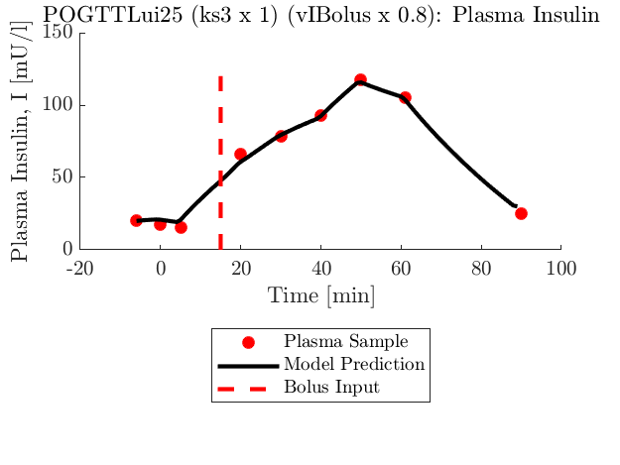
 | ks3 Multiplier | 1.0 | 1.2 | 1.4 | 1.6 | 1.8 | 2 | 1.00 | 1.20 | 1.40 | 1.60 | 1.80 | 2.00 | 1.00 | 1.20 | 1.40 | 1.60 | 1.80 | 2.00
P25 | JLK | insulin SSE | insulin SSE | insulin SSE | insulin SSE | insulin SSE | insulin SSE | nL | nL | nL | nL | nL | nL | xL | xL | xL | xL | xL | xL
Std Dev of SSE from 5% Assay error | 0.1 | 135.9 | 134.6 | 133.0 | 134.6 | 134.0 | 133.0 | 0.01 | 0.01 | 0.01 | 0.01 | 0.01 | 0.01 | 0.72 | 0.72 | 0.72 | 0.72 | 0.72 | 0.72
81.31 | 0.2 | 124.0 | 123.1 | 123.7 | 122.6 | 123.3 | 123.9 | 0.02 | 0.02 | 0.02 | 0.02 | 0.02 | 0.02 | 0.71 | 0.71 | 0.71 | 0.71 | 0.71 | 0.71
Min Error | 0.3 | 114.6 | 115.1 | 113.0 | 114.8 | 115.4 | 116.6 | 0.02 | 0.02 | 0.02 | 0.02 | 0.02 | 0.02 | 0.70 | 0.70 | 0.71 | 0.71 | 0.71 | 0.71
98.6 | 0.4 | 109.5 | 108.2 | 107.7 | 110.2 | 109.9 | 112.2 | 0.03 | 0.03 | 0.03 | 0.03 | 0.03 | 0.03 | 0.70 | 0.70 | 0.70 | 0.70 | 0.70 | 0.71
 | 0.5 | 103.8 | 103.4 | 106.2 | 105.4 | 108.4 | 110.9 | 0.04 | 0.04 | 0.04 | 0.04 | 0.04 | 0.04 | 0.69 | 0.69 | 0.70 | 0.70 | 0.70 | 0.70
:( | 0.6 | 101.4 | 101.2 | 104.3 | 104.9 | 108.6 | 111.2 | 0.04 | 0.04 | 0.04 | 0.04 | 0.04 | 0.04 | 0.68 | 0.69 | 0.69 | 0.69 | 0.70 | 0.70
 | 0.7 | 98.9 | 99.1 | 104.1 | 106.2 | 108.5 | 113.3 | 0.05 | 0.05 | 0.05 | 0.05 | 0.05 | 0.05 | 0.68 | 0.68 | 0.69 | 0.69 | 0.69 | 0.69
 | 0.8 | 98.6 | 100.9 | 105.4 | 109.1 | 114.5 | 120.6 | 0.06 | 0.06 | 0.05 | 0.05 | 0.05 | 0.05 | 0.67 | 0.68 | 0.68 | 0.68 | 0.69 | 0.69
 | 0.9 | 99.9 | 103.1 | 109.4 | 115.1 | 121.2 | 128.2 | 0.06 | 0.06 | 0.06 | 0.06 | 0.06 | 0.06 | 0.67 | 0.67 | 0.68 | 0.68 | 0.68 | 0.69
 | 1 | 102.7 | 108.2 | 113.8 | 122.2 | 129.6 | 136.7 | 0.07 | 0.07 | 0.07 | 0.07 | 0.07 | 0.06 | 0.66 | 0.67 | 0.67 | 0.68 | 0.68 | 0.68
 |  |  |  |  |  |  |  | Range | 0.01 | to | 0.07 |  |  | Range | 0.66 | to | 0.72

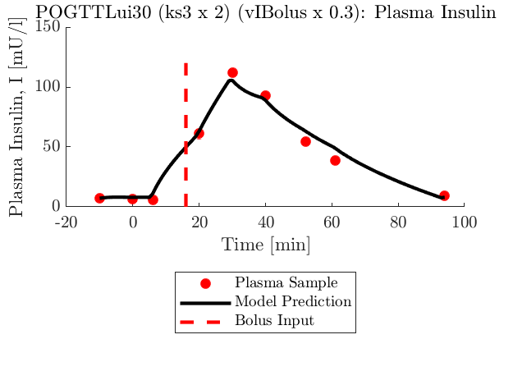
 | ks3 Multiplier | 1.0 | 1.2 | 1.4 | 1.6 | 1.8 | 2 | 1.00 | 1.20 | 1.40 | 1.60 | 1.80 | 2.00 | 1.00 | 1.20 | 1.40 | 1.60 | 1.80 | 2.00
P30 | JLK | insulin SSE | insulin SSE | insulin SSE | insulin SSE | insulin SSE | insulin SSE | nL | nL | nL | nL | nL | nL | xL | xL | xL | xL | xL | xL
Std Dev of SSE from 5% Assay error | 0.1 | 386.4 | 384.7 | 387.4 | 385.6 | 377.8 | 376.5 | 0.11 | 0.11 | 0.11 | 0.11 | 0.11 | 0.11 | 0.58 | 0.58 | 0.58 | 0.58 | 0.58 | 0.58
283.85 | 0.2 | 441.0 | 443.4 | 436.0 | 432.4 | 430.5 | 422.5 | 0.11 | 0.11 | 0.11 | 0.11 | 0.11 | 0.11 | 0.59 | 0.59 | 0.59 | 0.59 | 0.59 | 0.59
Min Error | 0.3 | 301.6 | 296.7 | 293.1 | 286.6 | 286.7 | 281.3 | 0.16 | 0.16 | 0.16 | 0.16 | 0.16 | 0.16 | 0.50 | 0.50 | 0.50 | 0.50 | 0.50 | 0.50
281.3 | 0.4 | 609.3 | 607.8 | 604.7 | 592.8 | 584.2 | 572.0
 | 0.5 | 719.3 | 722.7 | 713.7 | 704.9 | 692.4 | 679.9
 | 0.6 | 855.1 | 858.0 | 852.1 | 837.8 | 817.6 | 801.9
 | 0.7 | 999.5 | 1009.8 | 993.6 | 976.4 | 968.1 | 951.4
 | 0.8 | 1182.7 | 1184.1 | 1177.8 | 1158.8 | 1136.2 | 1109.8
 | 0.9 | 1368.1 | 1381.6 | 1370.8 | 1347.5 | 1307.3 | 1287.9
 | 1 | 1582.6 | 1597.5 | 1585.0 | 1558.6 | 1529.8 | 1493.4
 |  |  |  |  |  |  |  | Range | 0.11 | to | 0.16 |  |  | Range | 0.50 | to | 0.59

