BAR_MAIN
LEVEL | CAPTION | ACTION | DIVIDER | FACEID |  |  |  |  |  | WorksheetMenu | VbeMenu | RightClickMenu
1 | 1 |  |  |  | PopUp | BUILD ON WB OPEN? | FALSE |  | INSTRUCTIONS | Worksheet Menu Bar | FLOATING
2 | 1.1 | TestProcedure |  | 28 | Button |  |  |  | Choose Level | Cell | Menu Bar
1 | 2 |  |  |  | PopUp | C_TAG | wbTag | * | 1 : if next lvl = 2 then popup else button | Column | Code Window
2 | 2.1 | TestProcedure |  | 30 | Button | MenuType | WorksheetMenu | * | (For RightClickMenu only 1 level 1 and it's always popup) | Row | Project Window
2 | 2.2 |  |  | 31 | PopUp | BarLocation | Worksheet Menu Bar | * | 2 : if next lvl = 2 then popup sub category, else button |  | Edit
3 | 2.2.1 | TestProcedure | TRUE | 32 | Button | TargetControl |  |  | 3 : button |  | Debug
1 | 3 |  |  |  | PopUp |  |  |  | Choose Captions (& means next letter is shortcut key) |  | Userform
Open This Bar
Close This Bar
2 | 3.1 |  |  | 34 | PopUp |  |  |  | Choose Action (name of sub to call).
3 | 3.1.1 | TestProcedure |  | 35 | Button |  |  |  | Divider is a separating line between items
 |  |  |  |  |  |  |  |  | FaceID are the built in images.
Close All Bars
Open All Bars
 |  |  |  |  |  |  |  |  |  |  | VBE menu bar Controls
 |  |  |  |  |  |  |  |  |  |  | wbTag
 |  |  |  |  |  |  |  |  |  |  | File
List Existing Bars
 |  |  |  |  |  |  |  |  |  |  | Edit
 |  |  |  |  |  |  |  |  |  |  | View
Open New Bar
 |  |  |  |  |  |  |  |  |  |  | Insert
 |  |  |  |  |  |  |  |  |  |  | Format
 |  |  |  |  |  |  |  |  |  |  | Debug
 |  |  |  |  |  |  |  |  |  |  | Run
 |  |  |  |  |  |  |  |  |  |  | Tools
 |  |  |  |  |  |  |  |  |  |  | Add-Ins
 |  |  |  |  |  |  |  |  |  |  | Window

FaceID
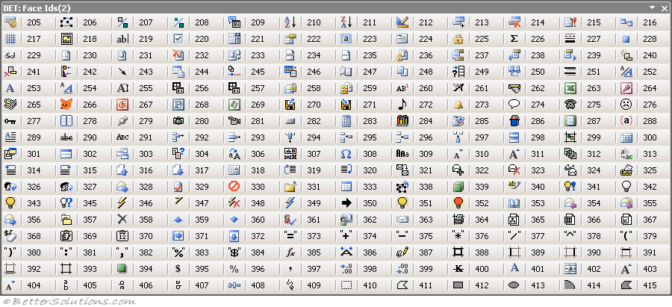
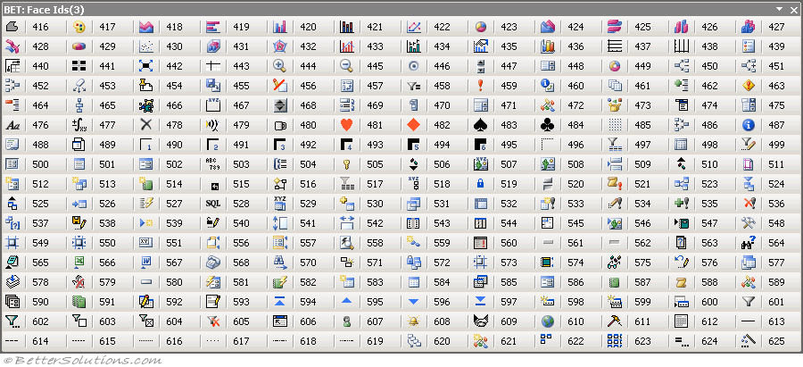
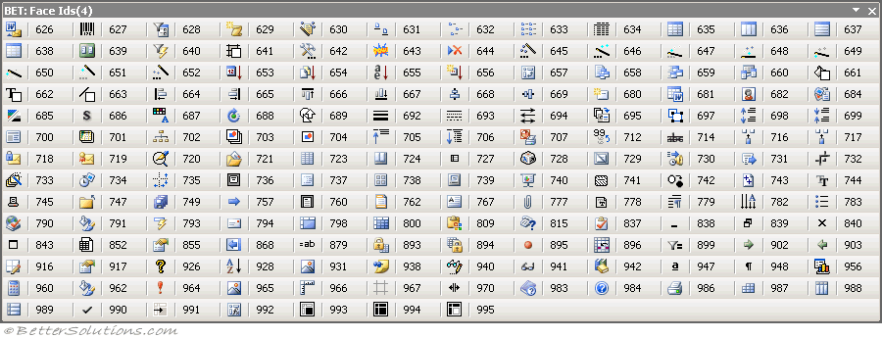
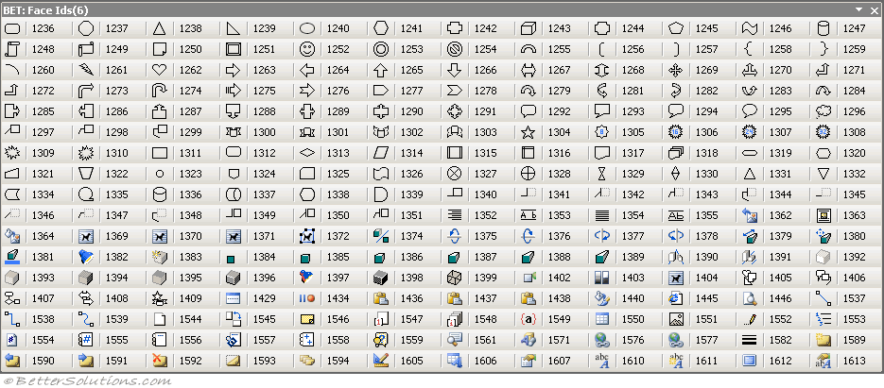
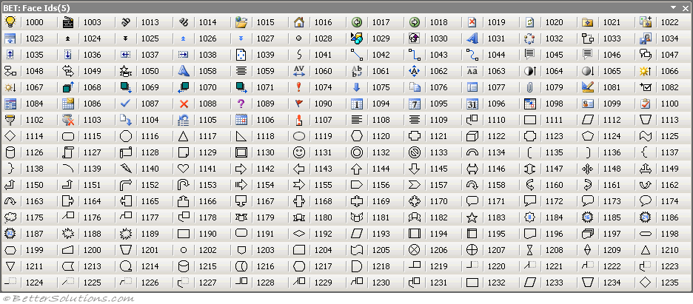
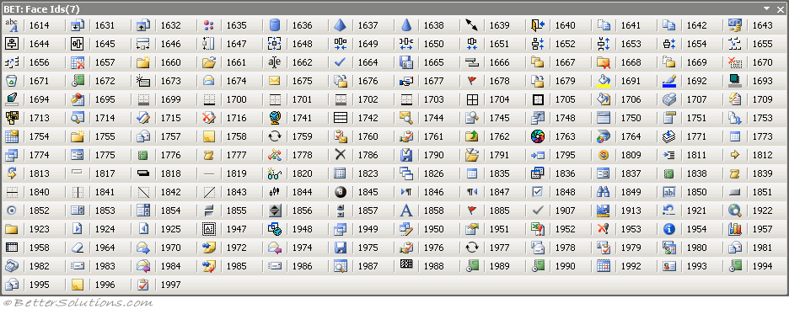
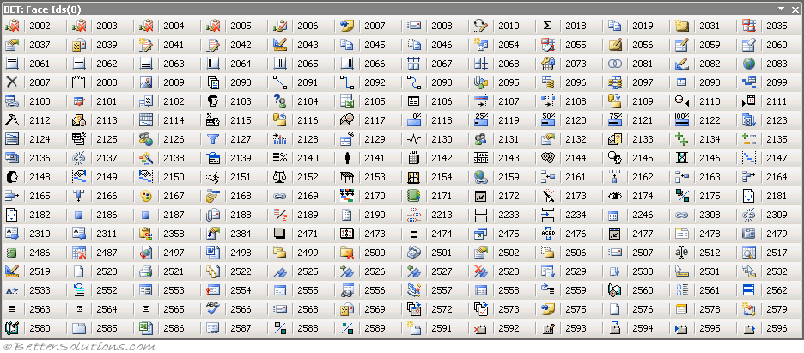
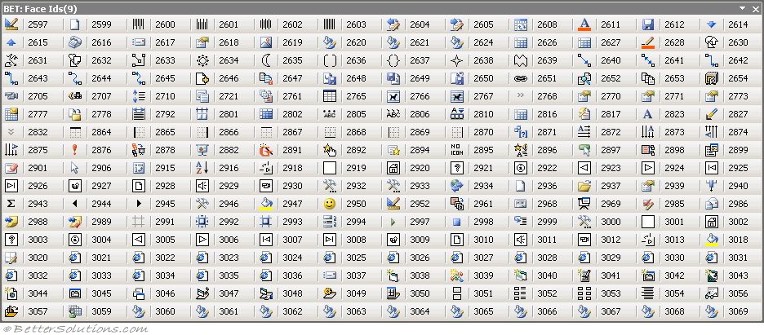
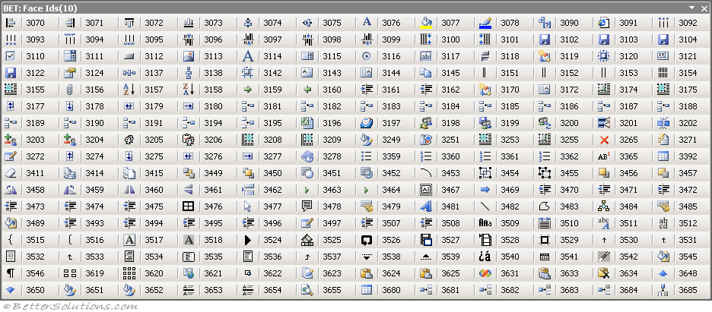
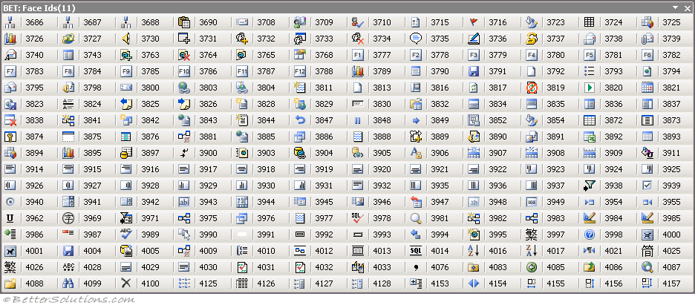
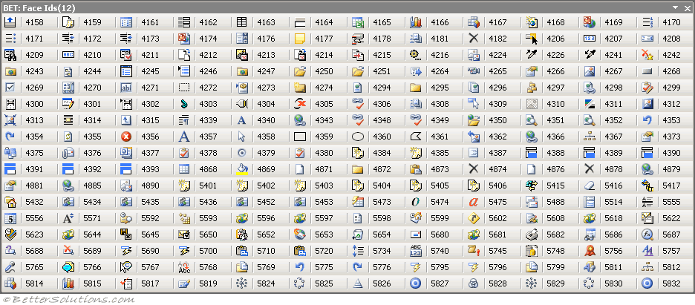
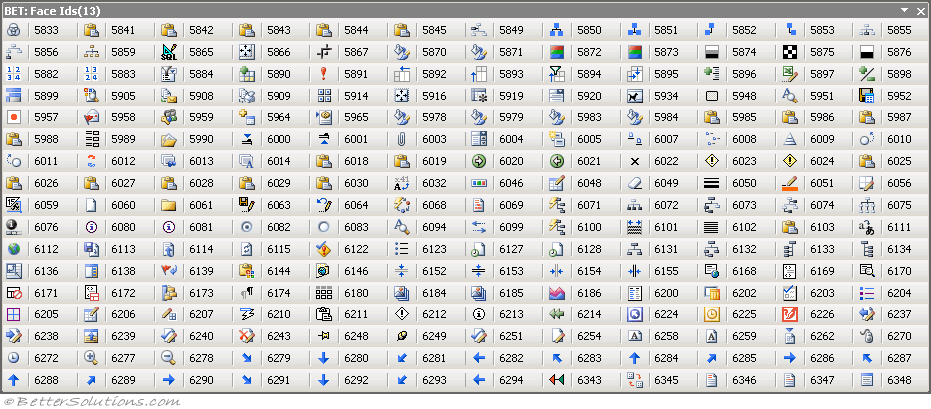
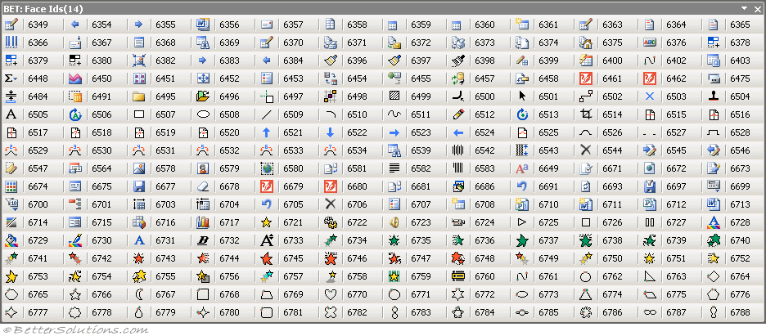
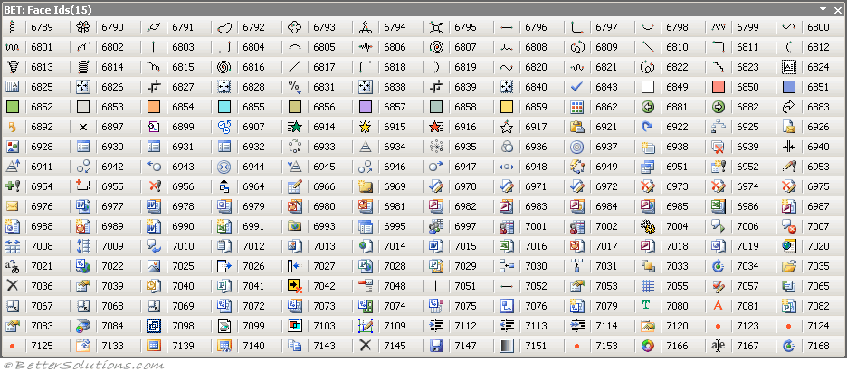
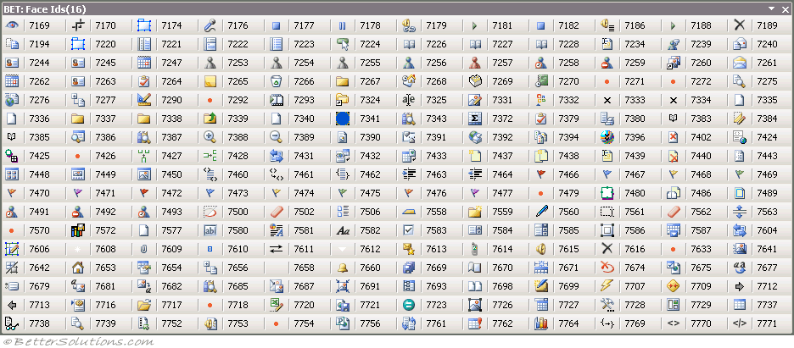
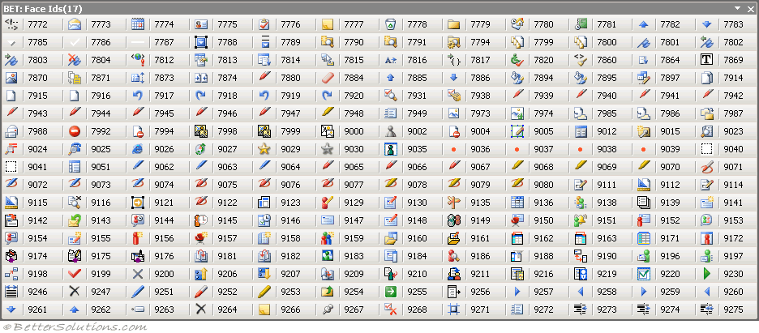
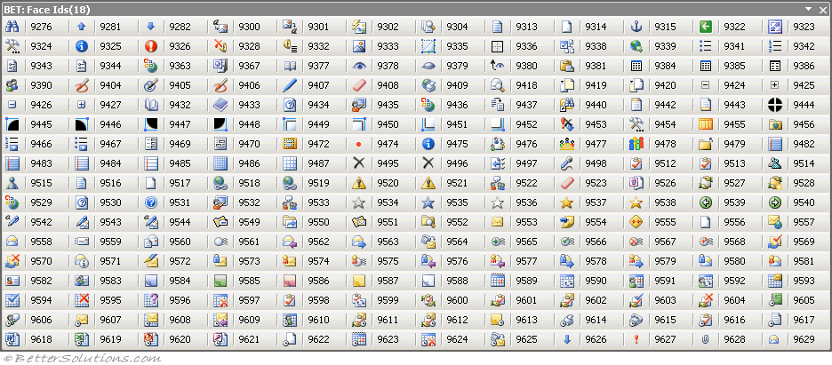
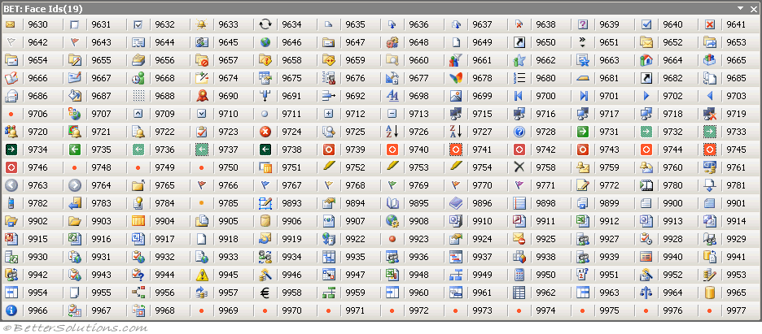
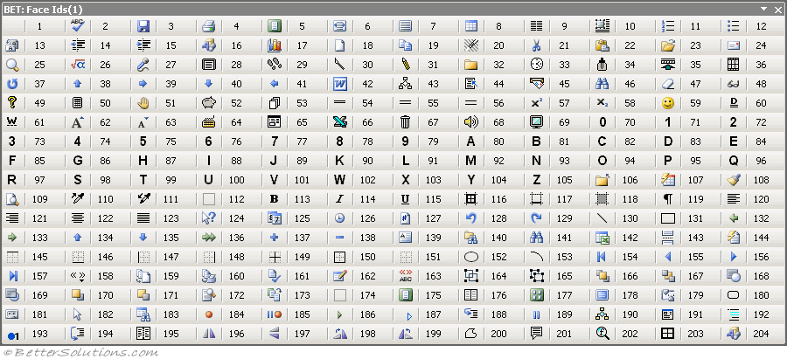
FACE IDS

