README

vbArc by Anastasiou Alex
 | VK | Project Name | : | vbArc Features Guide
 | eMail | Purpose | : | Display a Treeview of features with multiple translatable texts and images
 | GitHub | Video Link | : | https://youtu.be/0jhE-ZJXIGw
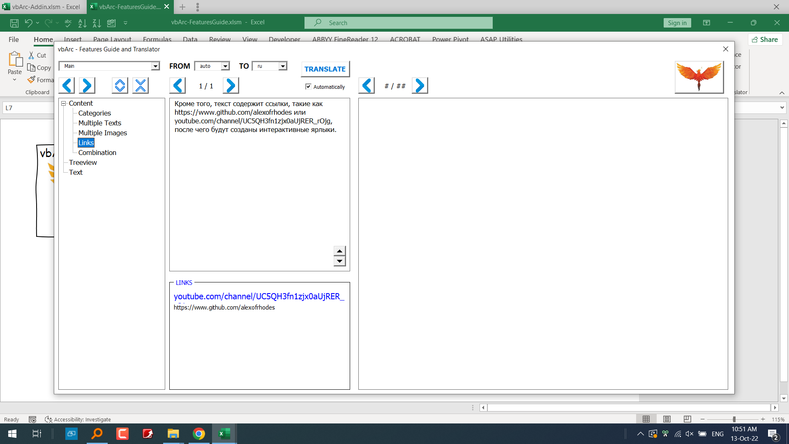
 | YouTube | Screenhots | :
 | FaceBook
 | buy me a coffee

