ProjectManagerPrinter
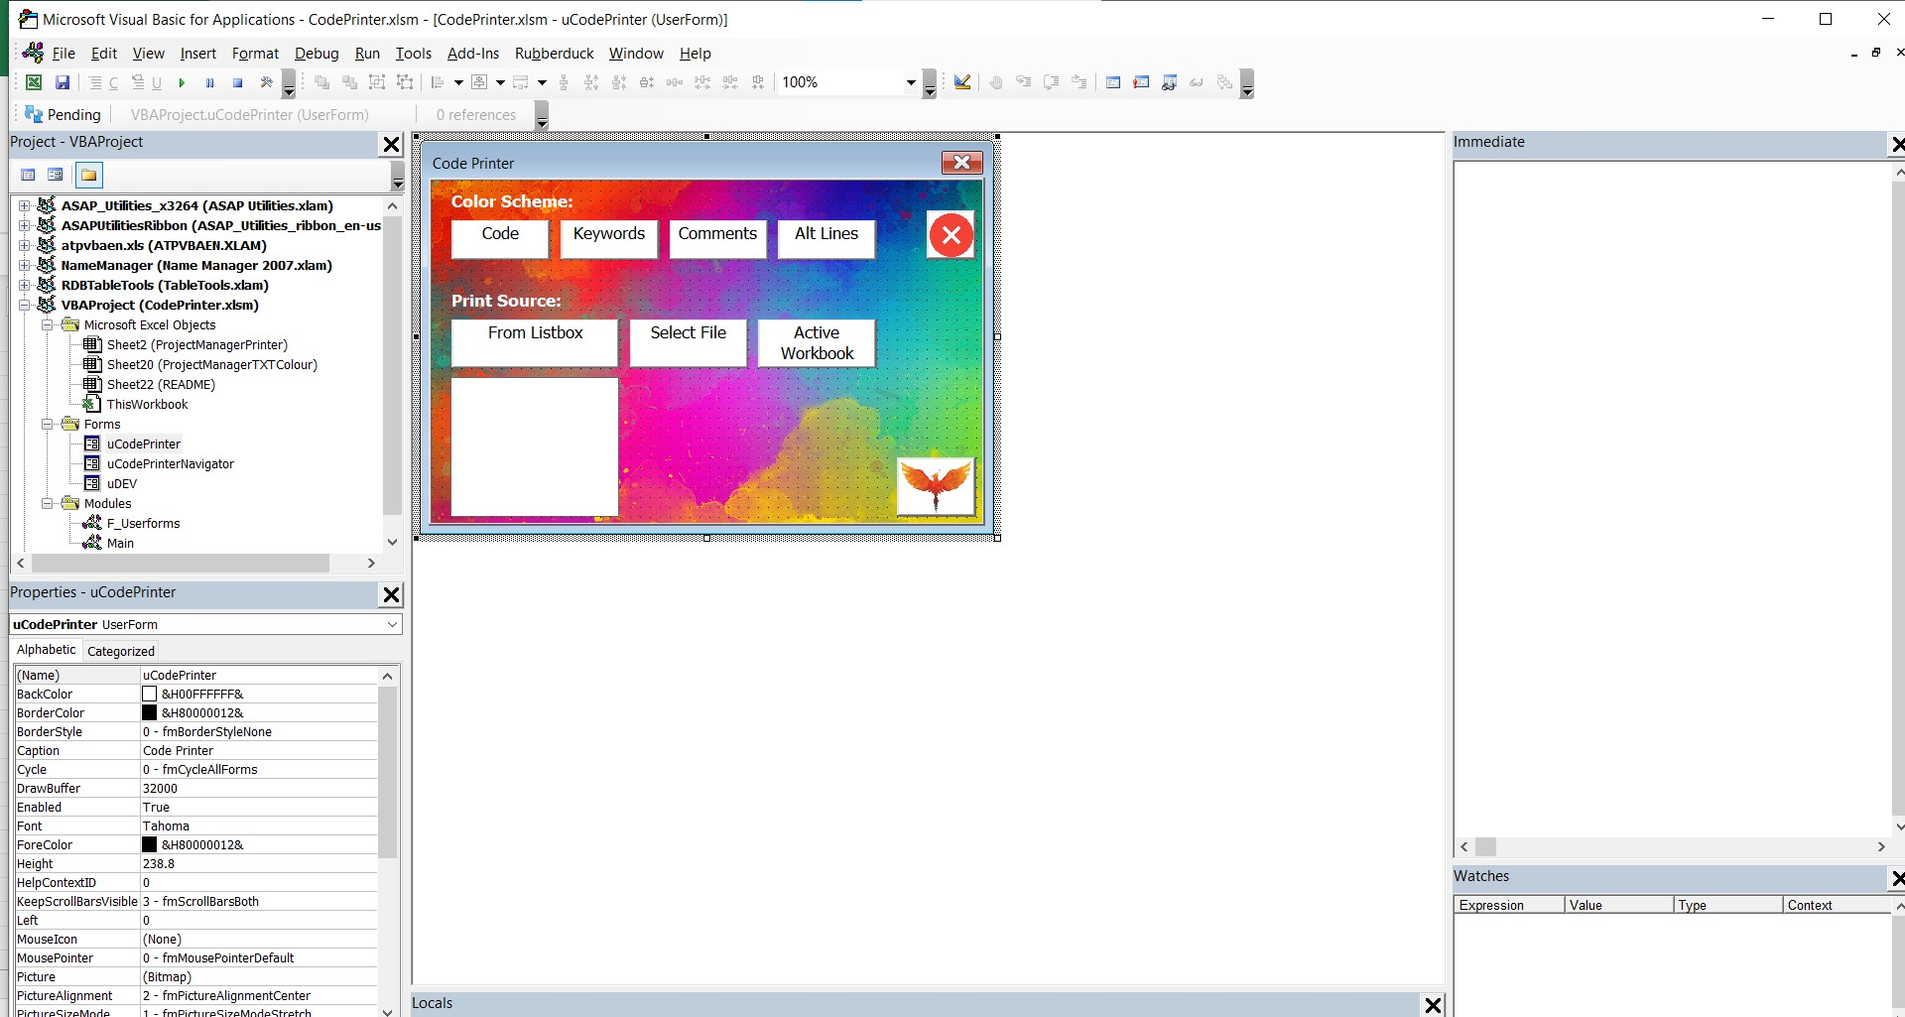
 |  vbArc > Code Printer > CodePrinter.xlsm

 | --- Table of Contents: ---
5 | (Document) ThisWorkbook
6 | (Document) ProjectManagerTXTColour - Sheet20
7 | (Document) README - Sheet22
8 | (Document) Sheet1 - Sheet1
9 | (Document) ProjectManagerPrinter - Sheet2
10 | (UserForm) uCodePrinter
 | 1. ActiveFile_Click
 | 2. ColorPaletteDialog
 | 3. FormatColourFormatters
 | 4. Image1_MouseDown
 | 5. LBLcolourCode_Click
 | 6. LBLcolourComment_Click
 | 7. LBLcolourKey_Click
 | 8. LBLcolourOdd_Click
 | 9. LoadBooksAndAddins
 | 10. SelectFile_Click
 | 11. SelectFromList_Click
 | 12. SortListboxOnColumn
 | 13. UserForm_Initialize
 | 14. cInfo_MouseDown
13 | (UserForm) uCodePrinterNavigator
 | 1. Label1_Click
 | 2. Label2_Click
 | 3. ListBox1_Click
 | 4. TOCProceduresVisibility
 | 5. TOCProceduresVisibilityOFF
 | 6. TOCProceduresVisibilityON
 | 7. UserForm_Initialize
 | 8. changeTOC
14 | (UserForm) uDEV
 | 1. CLIP
 | 2. FollowLink
 | 3. LBuyMeACoffee_Click
 | 4. LEmail_Click
 | 5. LFaceBook_Click
 | 6. LGitHub_Click
 | 7. LVK_Click
 | 8. LYouTube_Click
 | 9. Label2_Click
 | 10. MailDev
 | 11. MakeFormBorderless
 | 12. MakeFormTransparent
 | 13. UserForm_Initialize
17 | (Module) Main
 | 1. ActiveCodepaneWorkbook
 | 2. AddLogoToFirstPage
 | 3. AddPageBreaksToPrinter
 | 4. AddShape
 | 5. ApplyPrinterTableStyle
 | 6. Array1dTo2dByIndentation
 | 7. ArrayDimensionLength
 | 8. ArrayDimensions
 | 9. ArrayToRange2D
 | 10. AssignPageNumbersToToc
 | 11. BreakText
 | 12. CalculateByteCharacters
 | 13. ClearClipboard
 | 14. CollectionToArray
 | 15. ColorWords
 | 16. ColorizeBlockLinksByLevel
 | 17. Combine2Array
 | 18. CommentsToOwnLine
 | 19. ComponentTypeToString
 | 20. CountOfCharacters
 | 21. DPH
 | 22. DebugPrintHairetu
 | 23. DeleteWorksheet
 | 24. EndTimer
 | 25. FindAll
 | 26. FolderExists
 | 27. FoldersCreate
 | 28. FormatPrinterTitles
 | 29. FormatTextColors
 | 30. GetCodeOf
 | 31. GetCompText
 | 32. GetModuleText
 | 33. GetProcText
 | 34. GetProjectText
 | 35. GetSheetByCodeName
 | 36. GreenifyComments
 | 37. GreenifyInlineComments
 | 38. HasProject
 | 39. InStrExact
 | 40. IndentCodeString
 | 41. InitChrWidths
 | 42. IsBlockEnd
 | 43. IsBlockStart
 | 44. IsOnlyLetters
 | 45. LastCell
 | 46. LinkCodeBlocksWithShape
 | 47. ModuleOfProcedure
 | 48. MoveCommentQuoteToActualPosition
 | 49. NumberOfArrayDimensions
 | 50. PrintProject
 | 51. PrintScreen
 | 52. PrinterLastCell
 | 53. PrinterTocAndCode
 | 54. PrinterTocRange
 | 55. ProceduresOfModule
 | 56. ProtectedVBProject
 | 57. PutCodeInPrinter
 | 58. RandomRGB
 | 59. RangeFindAll
 | 60. RangeToString
 | 61. RemoveBlankLines
 | 62. RemoveComments
 | 63. ResetPrinter
 | 64. SetVbeNormal
 | 65. SetVbeOnTop
 | 66. SetXLNormal
 | 67. SetXLOnTop
 | 68. SetupPrinterPage
 | 69. SheetsToPicture
 | 70. ShortenToByteCharacters
 | 71. ShowOnTop
 | 72. SortCollection
 | 73. StartOptimizeCodeRun
 | 74. StartTimer
 | 75. StopOptimizeCodeRun
 | 76. StrWidth
 | 77. TextDecomposition
 | 78. TxtAppend
 | 79. UserformsToPicture
 | 80. WorkbookOfModule
 | 81. WorkbookOfProject
 | 82. closePair
 | 83. dp
 | 84. getLastColumn
 | 85. getLastRow
 | 86. getModuleName
 | 87. getWhichFirstPosition
 | 88. mapOfPageBreaks
 | 89. openPair
 | 90. printArray
 | 91. printCollection
 | 92. printDictionary
 | 93. printRange
 | 94. showPrinter
57 | (Module) F_Userforms
 | 1. AddFormControls
 | 2. AddMinimizeButtonToUserform
 | 3. AddMultipleControls
 | 4. CopyControlProperties
 | 5. CreateListboxHeader
 | 6. DeselectListbox
 | 7. DisplayErrorText
 | 8. EditObjectProperties
 | 9. EditObjectsProperty
 | 10. FilterListboxByColumn
 | 11. GetSystemErrorMessageText
 | 12. ListboxContains
 | 13. ListboxSelectedCount
 | 14. ListboxSelectedIndexes
 | 15. ListboxSelectedValues
 | 16. ListboxToRangeSelect
 | 17. LoadPosition
 | 18. LoadUserformOptions
 | 19. MakeFormBorderless
 | 20. MakeFormTransparent
 | 21. MakeUserFormChildOfVBEditor
 | 22. PasteControlProperties
 | 23. Reframe
 | 24. RemoveControlsCaptions
 | 25. RenameControlAndCode
 | 26. ResizeControlColumns
 | 27. ResizeUserformToFitControls
 | 28. SavePosition
 | 29. SaveUserformOptions
 | 30. SelectControItemsByFilter
 | 31. SelectDeselectAll
 | 32. SelectListboxItems
 | 33. SelectedControl
 | 34. SelectedControls
 | 35. SelectedFrameControl
 | 36. SelectedFrameControls
 | 37. SetHandCursor
 | 38. ShowUserform
 | 39. SortControls
 | 40. SortControlsHorizontally
 | 41. SortControlsVertivally
 | 42. SortListboxOnColumn
 | 43. SwitchControlNames
 | 44. SwitchControlPositions
 | 45. TextOfControl
 | 46. TrimToNull
 | 47. UserformOnTop
 | 48. UserformSelectedControlsSetHandCursor
 | 49. UserformSetHandCursor
 | 50. flashControl
 | 51. whichOption

 | WORKSHEET Snapshots

78 | (Image of Worksheet) ProjectManagerTXTColour
79 | (Image of Worksheet) ProjectManagerPrinter
80 | (Image of Worksheet) README
 | (Image of Worksheet) Sheet1

 | USERFORM Snapshots

81 | (Image of Userform) uCodePrinter
 | (Image of Userform) uCodePrinterNavigator
 | (Image of Userform) uDEV
 | --- ThisWorkbook ---
 | --- ProjectManagerTXTColour - Sheet20 ---
 | --- README - Sheet22 ---
 | --- Sheet1 - Sheet1 ---
 | --- ProjectManagerPrinter - Sheet2 ---
 | --- uCodePrinter ---
 | Private Sub Image1_MouseDown(ByVal Button As Integer, ByVal Shift As Integer, ByVal X As Single, _
 | ByVal Y As Single)
 | Unload Me
 | End Sub
 | Private Sub UserForm_Initialize()
 | LoadBooksAndAddins listOpenBooks
 | SortListboxOnColumn listOpenBooks, 0
 | FormatColourFormatters Me
 | MakeFormBorderless Me
 | End Sub
 | Private Sub SelectFile_Click()
 | Dim TargetWorkbook As Workbook
 | Dim fPath As String
 | fPath = PickExcelFile
 | If fPath = "" Then Exit Sub
 | Set TargetWorkbook = Workbooks.Open(fileName:=fPath, UpdateLinks:=0, ReadOnly:=False)
 | Me.Hide
 | PrintProject TargetWorkbook
 | Me.Show
 | End Sub
 | Private Sub SelectFromList_Click()
 | If listOpenBooks.ListIndex = -1 Then
 | MsgBox "No book selected"
 | Exit Sub
 | End If
 | Dim TargetWorkbook As Workbook
 | Set TargetWorkbook = Workbooks(listOpenBooks.list(listOpenBooks.ListIndex))
 | Me.Hide
 | PrintProject TargetWorkbook
 | Me.Show
 | End Sub
 | Private Sub ActiveFile_Click()
 | Dim TargetWorkbook As Workbook
 | Set TargetWorkbook = ActiveWorkbook
 | Me.Hide
 | PrintProject TargetWorkbook
 | Me.Show
 | End Sub
 | Private Sub LBLcolourCode_Click()
 | ColorPaletteDialog ThisWorkbook.Sheets("ProjectManagerTXTColour").Range("J1"), LBLcolourCode
 | End Sub
 | Private Sub LBLcolourComment_Click()
 | ColorPaletteDialog ThisWorkbook.Sheets("ProjectManagerTXTColour").Range("J4"), LBLcolourComment
 | End Sub
 | Private Sub LBLcolourKey_Click()
 | ColorPaletteDialog ThisWorkbook.Sheets("ProjectManagerTXTColour").Range("J3"), LBLcolourKey
 | End Sub
 | Private Sub LBLcolourOdd_Click()
 | ColorPaletteDialog ThisWorkbook.Sheets("ProjectManagerTXTColour").Range("J2"), LBLcolourOdd
 | End Sub
 | Private Sub cInfo_MouseDown(ByVal Button As Integer, ByVal Shift As Integer, ByVal X As Single, _
 | ByVal Y As Single)
 | uDEV.Show
 | End Sub
 | Private Sub LoadBooksAndAddins(TargetControl As MSForms.control)
 | Dim coll As New Collection
 | Dim wb As Workbook
 | For Each wb In Workbooks
 | If Len(wb.Path) > 0 Then
 | If ProtectedVBProject(wb) = False Then
 | On Error Resume Next
 | coll.Add wb.Name, wb.Name
 | On Error GoTo 0
 | End If
 | End If
 | Next
 | Dim vbProj As VBProject
 | Dim wbPath As String
 | For Each vbProj In Application.VBE.VBProjects
 | On Error GoTo ErrorHandler
 | wbPath = vbProj.fileName
 | If Right(wbPath, 4) = "xlam" Or Right(wbPath, 3) = "xla" Then
 | Dim wbName As String
 | wbName = Mid(wbPath, InStrRev(wbPath, "\") + 1)
 | If ProtectedVBProject(Workbooks(wbName)) = False Then
 | On Error Resume Next
 | coll.Add wbName, wbName
 | On Error GoTo 0
 | End If
 | End If
 | Skip:
 | Next vbProj
 | Dim el As Variant
 | For Each el In coll
 | TargetControl.AddItem el
 | Next
 | Exit Sub
 | ErrorHandler:
 | If err.Number = 76 Then GoTo Skip
 | End Sub
 | Private Sub SortListboxOnColumn(lBox As MSForms.ListBox, Optional OnColumn As Long = 0)
 | Dim vntData As Variant
 | Dim vntTempItem As Variant
 | Dim lngOuterIndex As Long
 | Dim lngInnerIndex As Long
 | Dim lngSubItemIndex As Long
 | vntData = lBox.list
 | For lngOuterIndex = LBound(vntData, 1) To UBound(vntData, 1) - 1
 | For lngInnerIndex = lngOuterIndex + 1 To UBound(vntData, 1)
 | If vntData(lngOuterIndex, OnColumn) > vntData(lngInnerIndex, OnColumn) Then
 | For lngSubItemIndex = 0 To lBox.columnCount - 1
 | vntTempItem = vntData(lngOuterIndex, lngSubItemIndex)
 | vntData(lngOuterIndex, lngSubItemIndex) = vntData(lngInnerIndex, _
 | lngSubItemIndex)
 | vntData(lngInnerIndex, lngSubItemIndex) = vntTempItem
 | Next
 | End If
 | Next lngInnerIndex
 | Next lngOuterIndex
 | lBox.clear
 | lBox.list = vntData
 | End Sub
 | Private Sub FormatColourFormatters(form As Object)
 | Dim ws As Worksheet
 | Set ws = ThisWorkbook.Sheets("ProjectManagerTXTColour")
 | form.LBLcolourCode.ForeColor = ws.Range("J1").Value
 | form.LBLcolourKey.ForeColor = ws.Range("J3").Value
 | form.LBLcolourOdd.BackColor = ws.Range("J2").Value
 | form.LBLcolourComment.ForeColor = ws.Range("J4").Value
 | End Sub
 | Private Sub ColorPaletteDialog(rng As Range, Lbl As MSForms.Label)
 | If Application.Dialogs(xlDialogEditColor).Show(10, 0, 125, 125) = True Then
 | lcolor = ActiveWorkbook.Colors(10)
 | rng.Value = lcolor
 | rng.OFFSET(0, 1).Interior.color = lcolor
 | Lbl.ForeColor = lcolor
 | End If
 | ActiveWorkbook.ResetColors
 | End Sub
 | --- uCodePrinterNavigator ---
 | Private Sub Label1_Click()
 | TOCProceduresVisibilityON
 | End Sub
 | Private Sub Label2_Click()
 | TOCProceduresVisibilityOFF
 | End Sub
 | Sub TOCProceduresVisibilityON()
 | TOCProceduresVisibility True
 | End Sub
 | Sub TOCProceduresVisibilityOFF()
 | TOCProceduresVisibility False
 | End Sub
 | Sub TOCProceduresVisibility(Display As Boolean)
 | Dim rng As Range
 | Set rng = PrinterTocRange
 | Dim proceduresRange As Range
 | Dim cell As Range
 | For Each cell In rng
 | If Not cell Like "(*" Then
 | If proceduresRange Is Nothing Then
 | Set proceduresRange = cell
 | Else
 | Set proceduresRange = Union(proceduresRange, cell)
 | End If
 | End If
 | Next
 | proceduresRange.Rows.Hidden = Not Display
 | End Sub
 | Private Sub ListBox1_Click()
 | changeTOC
 | End Sub
 | Private Sub UserForm_Initialize()
 | Dim ws As Worksheet
 | Set ws = ThisWorkbook.Worksheets("ProjectManagerPrinter")
 | Dim cell As Range
 | For Each cell In ws.Columns(2).Cells.SpecialCells(xlCellTypeConstants)
 | If cell.Value Like "--- *" Then
 | ListBox1.AddItem cell.Value
 | End If
 | Next
 | Me.Top = 100
 | Me.Left = 800
 | counter = -1
 | End Sub
 | Sub changeTOC()
 | Dim ws As Worksheet
 | Set ws = ThisWorkbook.Worksheets("ProjectManagerPrinter")
 | Dim cell As Range
 | Set cell = ws.Columns(2).Find(ListBox1.list(ListBox1.ListIndex))
 | cell.Select
 | ActiveWindow.ScrollRow = cell.Row
 | End Sub
 | --- uDEV ---
 | Private Declare PtrSafe Function SetWindowLong Lib "user32" Alias "SetWindowLongA" (ByVal hWnd As _
 | Long, ByVal nIndex As Long, ByVal dwNewLong As Long) As Long
 | Private Declare PtrSafe Function FindWindow Lib "user32" Alias "FindWindowA" (ByVal lpClassName As _
 | String, ByVal lpWindowName As String) As Long
 | Private Declare PtrSafe Function FindWindowA Lib "user32" (ByVal lpClassName As String, ByVal _
 | lpWindowName As String) As Long
 | Private Declare PtrSafe Function GetWindowLong Lib "user32" Alias "GetWindowLongA" (ByVal hWnd As _
 | Long, ByVal nIndex As Long) As Long
 | Private Declare PtrSafe Function DrawMenuBar Lib "user32" (ByVal hWnd As Long) As Long
 | Private Declare PtrSafe Function SetLayeredWindowAttributes Lib "user32" (ByVal hWnd As Long, ByVal _
 | crKey As Long, ByVal bAlpha As Byte, ByVal dwFlags As Long) As Long
 | Private Const GWL_STYLE As Long = (-16)
 | Private Const GWL_EXSTYLE As Long = (-20)
 | Private Const WS_CAPTION As Long = &HC00000
 | Private Const WS_EX_DLGMODALFRAME As Long = &H1
 | Private Const WS_EX_LAYERED = &H80000
 | Private Const LWA_COLORKEY = &H1
 | Private Const LWA_ALPHA = &H2
 | Private m_sngDownX As Single
 | Private m_sngDownY As Single
 | Private Sub MakeFormTransparent(frm As Object, Optional color As Variant)
 | Dim formhandle As Long
 | Dim bytOpacity As Byte
 | formhandle = CLng(FindWindow(vbNullString, frm.Caption))
 | If IsMissing(color) Then color = vbWhite
 | bytOpacity = 100
 | SetWindowLong formhandle, GWL_EXSTYLE, GetWindowLong(formhandle, GWL_EXSTYLE) Or WS_EX_LAYERED
 | frm.BackColor = color
 | SetLayeredWindowAttributes formhandle, color, bytOpacity, LWA_COLORKEY
 | End Sub
 | Private Sub MakeFormBorderless(frm As Object)
 | Dim lngWindow As Long
 | Dim lFrmHdl As Long
 | lFrmHdl = CLng(FindWindow(vbNullString, frm.Caption))
 | lngWindow = GetWindowLong(lFrmHdl, GWL_STYLE)
 | lngWindow = lngWindow And (Not WS_CAPTION)
 | SetWindowLong lFrmHdl, GWL_STYLE, lngWindow
 | lngWindow = GetWindowLong(lFrmHdl, GWL_EXSTYLE)
 | lngWindow = lngWindow And Not WS_EX_DLGMODALFRAME
 | SetWindowLong lFrmHdl, GWL_EXSTYLE, lngWindow
 | DrawMenuBar lFrmHdl
 | End Sub
 | Private Sub LVK_Click()
 | FollowLink ("https://vk.com/vbarc_hive")
 | End Sub
 | Private Sub Label2_Click()
 | Unload Me
 | End Sub
 | Private Sub LFaceBook_Click()
 | FollowLink ("https://www.facebook.com/VBA-Code-Archive-110295994460212")
 | End Sub
 | Private Sub LGitHub_Click()
 | FollowLink ("https://github.com/alexofrhodes")
 | End Sub
 | Private Sub LYouTube_Click()
 | FollowLink ("https://www.youtube.com/channel/UC5QH3fn1zjx0aUjRER_rOjg")
 | End Sub
 | Private Sub LBuyMeACoffee_Click()
 | FollowLink ("http://paypal.me/alexofrhodes")
 | End Sub
 | Private Function CLIP(Optional StoreText As String) As String
 | Dim X As Variant
 | X = StoreText
 | With CreateObject("htmlfile")
 | With .parentWindow.clipboardData
 | Select Case True
 | Case Len(StoreText)
 | .SetData "text", X
 | Case Else
 | CLIP = .GetData("text")
 | End Select
 | End With
 | End With
 | End Function
 | Private Sub LEmail_Click()
 | If GetInternetConnectedState = False Then
 | MsgBox "Seems Internet is not available"
 | Exit Sub
 | End If
 | If OutlookCheck = True Then
 | MailDev
 | Else
 | Dim out As String
 | out = AUTHOR_EMAIL
 | CLIP out
 | MsgBox ("Seems Outlook is not available" & Chr(10) & _
 | "DEV's email address " & vbNewLine & out & vbNewLine & "copied to clipboard")
 | End If
 | End Sub
 | Sub MailDev()
 | Dim OutApp As Object
 | Dim OutMail As Object
 | Dim strBody As String
 | Set OutApp = CreateObject("Outlook.Application")
 | Set OutMail = OutApp.CreateItem(0)
 | On Error Resume Next
 | With OutMail
 | .To = AUTHOR_EMAIL
 | .CC = vbNullString
 | .BCC = vbNullString
 | .Subject = "DEV REQUEST OR FEEDBACK FOR -CODE ARCHIVE-"
 | .body = strBody
 | .Display
 | End With
 | On Error GoTo 0
 | Set OutMail = Nothing
 | Set OutApp = Nothing
 | End Sub
 | Private Sub FollowLink(FolderPath As String)
 | If Right(FolderPath, 1) = "\" Then FolderPath = Left(FolderPath, Len(FolderPath) - 1)
 | On Error Resume Next
 | Dim oShell As Object
 | Dim Wnd As Object
 | Set oShell = CreateObject("Shell.Application")
 | For Each Wnd In oShell.Windows
 | If Wnd.Name = "File Explorer" Then
 | If Wnd.document.Folder.Self.Path = FolderPath Then Exit Sub
 | End If
 | Next Wnd
 | Application.ThisWorkbook.FollowHyperlink Address:=FolderPath, NewWindow:=True
 | End Sub
 | Private Sub UserForm_Initialize()
 | MakeFormBorderless Me
 | MakeFormTransparent Me, vbBlack
 | End Sub
 | --- Main ---
 | #If VBA7 Then
 | Private Declare PtrSafe Function CloseClipboard Lib "user32" () As Long
 | Private Declare PtrSafe Function EmptyClipboard Lib "user32" () As Long
 | Private Declare PtrSafe Function OpenClipboard Lib "user32" (ByVal hWnd As Long) As Long
 | #Else
 | Private Declare Function CloseClipboard Lib "user32" () As Long
 | Private Declare Function EmptyClipboard Lib "user32" () As Long
 | Private Declare Function OpenClipboard Lib "user32" (ByVal hwnd As Long) As Long
 | #End If
 | #If Win64 Then
 | Private Declare PtrSafe Function SetWindowPos Lib "user32" (ByVal hWnd As LongPtr, ByVal _
 | hWndInsertAfter As LongPtr, ByVal X As Long, ByVal Y As Long, ByVal cx As Long, ByVal cy As _
 | Long, ByVal wFlags As Long) As Long
 | #Else
 | Private Declare Function SetWindowPos Lib "user32" (ByVal hwnd As Long,ByVal hwndInsertAfter As _
 | Long,ByVal x As Long, ByVal y As Long,ByVal cx As Long, ByVal cy As Long,ByVal wFlags As Long) _
 | As Long
 | #End If
 | #If VBA7 Then
 | Private Declare PtrSafe Sub keybd_event Lib "user32" (ByVal bVk As Byte, ByVal bScan As Byte, _
 | ByVal dwFlags As Long, ByVal dwExtraInfo As LongPtr)
 | #Else
 | Private Declare Sub keybd_event Lib "user32" (ByVal bVk As Byte, ByVal bScan As Byte, ByVal _
 | dwFlags As Long, ByVal dwExtraInfo As Long)
 | #End If
 | Private Const VK_SNAPSHOT = 44
 | Private Const VK_LMENU = 164
 | Private Const KEYEVENTF_KEYUP = 2
 | Private Const KEYEVENTF_EXTENDEDKEY = 1
 | Public mafChrWid(32 To 127) As Double
 | Public Const mblncTimer As Boolean = True
 | Public mvarTimerName
 | Public mvarTimerStart
 | Sub showPrinter()
 | uCodePrinter.Show
 | End Sub
 | Public Sub PrintProject(WorkbookOrPath As Variant)
 | Dim TargetWorkbook As Workbook
 | Dim wasOpen As Boolean
 | On Error Resume Next
 | Set TargetWorkbook = WorkbookOrPath
 | If Not TargetWorkbook Is Nothing Then
 | wasOpen = True
 | Else
 | wasOpen = False
 | Set TargetWorkbook = Workbooks.Open(WorkbookOrPath)
 | If Not TargetWorkbook Is Nothing Then wasOpen = True
 | If TargetWorkbook Is Nothing Then Set TargetWorkbook = Workbooks.Open(WorkbookOrPath)
 | End If
 | If TargetWorkbook Is Nothing Then
 | MsgBox "No valid workbook or path passed."
 | Exit Sub
 | End If
 | On Error GoTo 0
 | If ProtectedVBProject(TargetWorkbook) = True Or HasProject(TargetWorkbook) = False Then
 | MsgBox "Project Empty or Protected"
 | Exit Sub
 | End If
 | Dim wasAddin As Boolean
 | wasAddin = TargetWorkbook.IsAddin
 | TargetWorkbook.IsAddin = False
 | StartTimer "PrintProject"
 | ResetPrinter
 | PutCodeInPrinter PrinterTocAndCode(TargetWorkbook), True
 | ApplyPrinterTableStyle
 | AddLogoToFirstPage TargetWorkbook
 | FormatTextColors
 | FormatPrinterTitles
 | LinkCodeBlocksWithShape
 | SheetsToPicture TargetWorkbook, PrinterLastCell.OFFSET(1)
 | UserformsToPicture TargetWorkbook, PrinterLastCell.OFFSET(1)
 | AddPageBreaksToPrinter
 | SetupPrinterPage TargetWorkbook
 | AssignPageNumbersToToc
 | ThisWorkbook.Sheets("ProjectManagerPrinter").Copy
 | EndTimer
 | SetXLNormal
 | If Not wasOpen Then
 | TargetWorkbook.Close False
 | Else
 | TargetWorkbook.IsAddin = wasAddin
 | End If
 | End Sub
 | Private Function StartTimer(TimerName)
 | On Error GoTo ERR_HANDLER
 | If mblncTimer Then
 | mvarTimerName = TimerName
 | mvarTimerStart = Timer
 | End If
 | On Error Resume Next
 | Exit Function
 | ERR_HANDLER:
 | MsgBox err.Number & " " & err.Description, vbCritical, "StartTimer()"
 | End Function
 | Private Function EndTimer()
 | On Error GoTo ERR_HANDLER
 | Dim strFile As String
 | Dim strContent As String
 | If mblncTimer Then
 | Dim strPath As String
 | strPath = Environ("USERprofile") & "\My Documents\vbArc\Timers\"
 | FoldersCreate strPath
 | strFile = strPath & mvarTimerName & ".txt"
 | & Left(ThisWorkbook.Name, InStr(1, ThisWorkbook.Name, ".") - 1) _
 | & "TimerLog.txt"
 | If Len(Dir(strFile)) = 0 Then
 | strContent = _
 | "Timestamp" & vbTab & vbTab & vbTab & vbTab & _
 | "ElapsedTime" & vbTab & vbTab & _
 | "TimerName"
 | TxtAppend strFile, strContent
 | End If
 | strContent = Now() & vbTab & vbTab & _
 | Format(Timer - mvarTimerStart, "0.00") & vbTab & vbTab & vbTab & _
 | mvarTimerName
 | TxtAppend strFile, strContent
 | End If
 | On Error Resume Next
 | Exit Function
 | ERR_HANDLER:
 | MsgBox err.Number & " " & err.Description, vbCritical, "EndTimer()"
 | End Function
 | Private Sub StartOptimizeCodeRun()
 | Application.ScreenUpdating = False
 | Application.DisplayStatusBar = False
 | Application.Calculation = xlCalculationManual
 | Application.EnableEvents = False
 | ActiveSheet.DisplayPageBreaks = False
 | End Sub
 | Private Sub StopOptimizeCodeRun()
 | Application.ScreenUpdating = True
 | Application.DisplayStatusBar = True
 | Application.Calculation = xlCalculationAutomatic
 | Application.EnableEvents = True
 | ActiveSheet.DisplayPageBreaks = False
 | End Sub
 | Private Function HasProject(wb As Workbook) As Boolean
 | Dim WbProjComp As Object
 | On Error Resume Next
 | Set WbProjComp = wb.VBProject.VBComponents
 | If Not WbProjComp Is Nothing Then HasProject = True
 | End Function
 | Public Function ProtectedVBProject(ByVal wb As Workbook) As Boolean
 | If wb.VBProject.Protection = 1 Then
 | ProtectedVBProject = True
 | Else
 | ProtectedVBProject = False
 | End If
 | End Function
 | Private Function PrinterLastCell() As Range
 | Dim TargetWorksheet As Worksheet
 | Set TargetWorksheet = ThisWorkbook.Sheets("ProjectManagerPrinter")
 | Set PrinterLastCell = TargetWorksheet.Range("B" & getLastRow(TargetWorksheet))
 | End Function
 | Private Function PrinterTocAndCode(TargetWorkbook As Workbook, _
 | Optional includeCode As Boolean = True, _
 | Optional includeTOC As Boolean = True, _
 | Optional includeTocProcedures As Boolean = True)
 | Dim Module As VBComponent
 | Dim ModuleTypes
 | ModuleTypes = Array(vbext_ct_Document, vbext_ct_MSForm, vbext_ct_StdModule, _
 | vbext_ct_ClassModule)
 | Dim ModuleType
 | Dim TargetWorksheet As Worksheet
 | Dim TargetWorkSheetName As String
 | Dim Contents As Collection
 | Set Contents = New Collection
 | Dim Procedure As Variant
 | Dim code As Variant
 | Dim i As Long
 | Dim counter As Long
 | If includeTOC Then
 | Contents.Add "--- Table of Contents: ---"
 | For Each ModuleType In ModuleTypes
 | For Each Module In TargetWorkbook.VBProject.VBComponents
 | If Module.Type = ModuleType Then
 | If ModuleType = vbext_ct_Document And Module.Name <> "ThisWorkbook" Then
 | TargetWorkSheetName = GetSheetByCodeName(TargetWorkbook, Module.Name).Name
 | Contents.Add "(" & ComponentTypeToString(Module.Type) & ")" & " " & _
 | TargetWorkSheetName & " - " & Module.Name
 | Else
 | Contents.Add "(" & ComponentTypeToString(Module.Type) & ")" & " " & Module. _
 | Name
 | End If
 | If Module.CodeModule.CountOfLines > 0 Then
 | If includeTocProcedures Then
 | counter = 0
 | For Each Procedure In SortCollection(ProceduresOfModule(Module))
 | counter = counter + 1
 | Contents.Add Space(4) & counter & ". " & Procedure
 | Next
 | End If
 | End If
 | End If
 | Next Module
 | Next ModuleType
 | Contents.Add ""
 | Contents.Add "WORKSHEET Snapshots"
 | Contents.Add ""
 | For Each TargetWorksheet In TargetWorkbook.Worksheets
 | Contents.Add "(Image of Worksheet) " & TargetWorksheet.Name
 | Next
 | Contents.Add ""
 | Contents.Add "USERFORM Snapshots"
 | Contents.Add ""
 | For Each Module In TargetWorkbook.VBProject.VBComponents
 | If Module.Type = vbext_ct_MSForm Then
 | Contents.Add "(Image of Userform) " & Module.Name
 | End If
 | Next
 | End If
 | Dim output As String
 | If includeCode Then
 | For Each ModuleType In ModuleTypes
 | For Each Module In TargetWorkbook.VBProject.VBComponents
 | If Module.Type = ModuleType Then
 | If ModuleType = vbext_ct_Document And Module.Name <> "ThisWorkbook" Then
 | TargetWorkSheetName = GetSheetByCodeName(TargetWorkbook, Module.Name).Name
 | Contents.Add "--- " & TargetWorkSheetName & " - " & Module.Name & " ---"
 | Else
 | Contents.Add "--- " & Module.Name & " ---"
 | End If
 | If Module.CodeModule.CountOfLines > 0 Then
 | code = GetCodeOf(Module)
 | code = IndentCodeString(code)
 | code = R
 | code = RemoveBlankLines(code)
 | code = Split(code, vbNewLine)
 | For i = LBound(code) To UBound(code)
 | Contents.Add code(i)
 | Next i
 | End If
 | End If
 | Next Module
 | Next ModuleType
 | PrinterTocAndCode = CollectionToArray(Contents)
 | End If
 | End Function
 | Private Sub AssignPageNumbersToToc()
 | Dim TargetWorksheet As Worksheet
 | Set TargetWorksheet = ThisWorkbook.Sheets("ProjectManagerPrinter")
 | Dim dic As New Dictionary
 | Set dic = mapOfPageBreaks(TargetWorksheet)
 | Dim FindWhat
 | Dim cell As Range
 | For Each cell In PrinterTocRange
 | If Left(cell.TEXT, 1) = "(" Then
 | If InStr(1, cell.TEXT, "Image of Worksheet") > 0 Then
 | FindWhat = "--- Image of Worksheet : "
 | ElseIf InStr(1, cell.TEXT, "Image of Userform") > 0 Then
 | FindWhat = "--- Image of Userform : "
 | Else
 | FindWhat = "--- "
 | End If
 | FindWhat = FindWhat & Split(cell.TEXT, ") ")(1) & " ---"
 | cell.OFFSET(0, -1).Value = dic(FindWhat)
 | End If
 | Next
 | End Sub
 | Private Sub PutCodeInPrinter(TextToPrinter As Variant, singleColumn As Boolean)
 | If TypeName(TextToPrinter) = "String" Then TextToPrinter = Split(TextToPrinter, vbNewLine)
 | Dim var
 | var = TextToPrinter
 | Dim TargetSheet As Worksheet
 | Set TargetSheet = ThisWorkbook.Sheets("ProjectManagerPrinter")
 | ArrayToRange2D var, TargetSheet.Cells(2, 2)
 | TargetSheet.Cells.WrapText = False
 | BreakText
 | If Not singleColumn Then
 | var = TargetSheet.Range("B2:B" & getLastRow(TargetSheet))
 | var = WorksheetFunction.Transpose(var)
 | var = Array1dTo2dByIndentation(TextToPrinter)
 | TargetSheet.Cells.clear
 | ArrayToRange2D var, TargetSheet.Cells(2, 2)
 | TargetSheet.Cells.EntireColumn.ColumnWidth = 4.5
 | End If
 | If WorksheetFunction.CountA(TargetSheet.Columns(3)) = 0 Then TargetSheet.Columns.AutoFit
 | End Sub
 | Private Sub LinkCodeBlocksWithShape()
 | Dim ws As Worksheet
 | Set ws = ThisWorkbook.Sheets("ProjectManagerPrinter")
 | Dim singleColumn As Boolean
 | singleColumn = (WorksheetFunction.CountA(ws.Columns(3)) = 0)
 | Dim ShapeTypeNumber As Long
 | ShapeTypeNumber = 29
 | Dim CloseTXT As String
 | Dim X As Variant
 | Dim shp As Shape
 | Dim trimCell As String
 | Dim counter As Long
 | Dim cell As Range
 | Dim colNo As Long
 | For colNo = 2 To getLastColumn(ws)
 | For Each cell In ws.Columns(colNo).SpecialCells(xlCellTypeConstants)
 | trimCell = Trim(cell.TEXT)
 | If IsBlockStart(trimCell) Then
 | Select Case openPair(trimCell)
 | Case Is = "Case"
 | GoTo Skip
 | Case Is = "Else"
 | Case Is = "If"
 | If Right(trimCell, 4) <> "Then" Then GoTo Skip
 | Case Is = "skip"
 | GoTo Skip
 | Case Else
 | End Select
 | CloseTXT = closePair(trimCell)
 | counter = Len(cell) - Len(trimCell)
 | On Error Resume Next
 | Dim foundMatch As Range
 | Set foundMatch = ws.Columns(colNo).Find( _
 | IIf(singleColumn = True, Space(counter), "") & _
 | CloseTXT & "*", _
 | After:=cell, _
 | LookAt:=xlWhole)
 | On Error GoTo 0
 | If foundMatch Is Nothing Then GoTo Skip
 | If foundMatch.Row > cell.Row Then
 | Set shp = ws.Shapes.AddShape( _
 | ShapeTypeNumber, _
 | cell.Left - 5, _
 | cell.Top + (cell.Height / 2), _
 | 5, _
 | ws.Range(cell, foundMatch).Height - cell.Height)
 | If singleColumn Then
 | X = StrWidth(Application.WorksheetFunction.Rept("A", counter), "Consolas", _
 | 10)
 | shp.Left = shp.Left + X
 | End If
 | End If
 | End If
 | Skip:
 | Next cell
 | Next colNo
 | ColorizeBlockLinksByLevel
 | End Sub
 | Private Sub AddPageBreaksToPrinter()
 | Dim TargetSheet As Worksheet
 | Set TargetSheet = ThisWorkbook.Sheets("ProjectManagerPrinter")
 | TargetSheet.ResetAllPageBreaks
 | Dim rng As Range
 | Set rng = FindAll(TargetSheet.Columns(2).SpecialCells(xlCellTypeConstants), "---", , xlPart, , , _
 | "--- ")
 | Dim cell As Range
 | For Each cell In rng
 | TargetSheet.Rows(cell.Row).PageBreak = xlPageBreakManual
 | Next
 | End Sub
 | Private Sub ApplyPrinterTableStyle()
 | On Error Resume Next
 | ThisWorkbook.TableStyles("vbArcPrinterStyle").Delete
 | On Error GoTo 0
 | Dim TargetSheet As Worksheet
 | Set TargetSheet = ThisWorkbook.Sheets("ProjectManagerPrinter")
 | Dim TargetRange As Range
 | Set TargetRange = TargetSheet.Range("A2:" & TargetSheet.Cells(getLastRow(TargetSheet), _
 | getLastColumn(TargetSheet)).Address)
 | Dim myFirstRowColor As Long
 | myFirstRowColor = ThisWorkbook.Sheets("ProjectManagerTXTColour").Range("J2").Value
 | Dim TS As TableStyle
 | Set TS = ThisWorkbook.TableStyles.Add("vbArcPrinterStyle")
 | TS.TableStyleElements(xlRowStripe1).Interior.color = myFirstRowColor
 | TS.ShowAsAvailableTableStyle = True
 | Dim TB As ListObject
 | Set TB = TargetSheet.ListObjects.Add(xlSrcRange, TargetRange, , xlNo, , TS.Name)
 | TB.Unlist
 | TargetSheet.Rows(2).Delete
 | TS.Delete
 | TargetSheet.Rows(2).ClearFormats
 | TargetSheet.Columns(1).ColumnWidth = 4
 | PrinterTocRange.EntireRow.Interior.ColorIndex = 0
 | End Sub
 | Private Sub FormatPrinterTitles()
 | Dim cell As Range
 | Dim TargetSheet As Worksheet
 | Set TargetSheet = ThisWorkbook.Sheets("ProjectManagerPrinter")
 | Dim rng As Range
 | For Each cell In FindAll(TargetSheet.Columns(2).SpecialCells(xlCellTypeConstants), "---", , _
 | xlPart)
 | If Left(Trim(cell.Value), 3) = "---" Then
 | If rng Is Nothing Then
 | Set rng = cell
 | Else
 | Set rng = Union(rng, cell)
 | End If
 | End If
 | Next
 | rng.Font.Size = 18
 | rng.Font.Bold = True
 | rng.Font.color = vbBlack
 | End Sub
 | Private Sub AddLogoToFirstPage(TargetWorkbook As Workbook, Optional LogoPath As String)
 | ClearClipboard
 | Dim PrinterSheet As Worksheet
 | Set PrinterSheet = ThisWorkbook.Sheets("ProjectManagerPrinter")
 | PrinterSheet.Rows(1).EntireRow.Insert
 | PrinterSheet.Rows(1).Interior.ColorIndex = 0
 | Dim targetCell As Range
 | Set targetCell = PrinterSheet.Range("B1")
 | Dim shp As Shape
 | If LogoPath = "" Then
 | ImageFailLoad:
 | ThisWorkbook.Sheets("README").Shapes("LOGO").Copy
 | PrinterSheet.Paste targetCell
 | Set shp = PrinterSheet.Shapes("LOGO")
 | Else
 | On Error Resume Next
 | PrinterSheet.Pictures.Insert LogoPath
 | On Error GoTo 0
 | If err.Number <> 0 Then GoTo ImageFailLoad
 | Set shp = PrinterSheet.Shapes(1)
 | End If
 | With targetCell
 | .HorizontalAlignment = xlCenter
 | .VerticalAlignment = xlVAlignBottom
 | .WrapText = False
 | .Value = "vbArc > Code Printer > " & TargetWorkbook.Name
 | .Characters.Font.Size = 12
 | .Characters.Font.Bold = True
 | .Characters.Font.ColorIndex = 10
 | .Characters.Font.Name = "Comic Sans MS"
 | .RowHeight = 330
 | End With
 | shp.LockAspectRatio = True
 | shp.Name = "LOGO"
 | shp.Top = targetCell.Top
 | shp.Height = targetCell.EntireRow.Height - 20
 | shp.Left = targetCell.Width / 2 - shp.Width / 2
 | End Sub
 | Sub SetupPrinterPage(TargetWorkbook As Workbook)
 | Dim PrinterSheet As Worksheet
 | Set PrinterSheet = ThisWorkbook.Sheets("ProjectManagerPrinter")
 | Dim fileName As String
 | fileName = TargetWorkbook.Name
 | With PrinterSheet.PageSetup
 | .PrintArea = PrinterSheet.Range("A1:" & Cells(getLastRow(PrinterSheet), getLastColumn( _
 | PrinterSheet)).Address).Address
 | .LeftMargin = Application.InchesToPoints(0.25)
 | .RightMargin = Application.InchesToPoints(0.25)
 | .TopMargin = Application.InchesToPoints(0.25)
 | .BottomMargin = Application.InchesToPoints(0.75)
 | .LeftFooter = fileName
 | .CenterFooter = "Page &P of &N"
 | .RightFooter = "&D"
 | .FitToPagesWide = 1
 | .FitToPagesTall = False
 | End With
 | End Sub
 | Private Sub FormatTextColors()
 | Dim PrinterSheet As Worksheet
 | Set PrinterSheet = ThisWorkbook.Sheets("ProjectManagerPrinter")
 | Dim ColorSheet As Worksheet
 | Set ColorSheet = ThisWorkbook.Sheets("ProjectManagerTXTColour")
 | Dim myColor As Long
 | myColor = ColorSheet.Range("J1").Value
 | PrinterSheet.Cells.Font.color = myColor
 | myColor = ColorSheet.Range("J3").Value
 | Dim MyWords As Variant
 | MyWords = Split(RangeToString(ColorSheet.Range("A1").CurrentRegion), ",")
 | Dim printRange As Range
 | Set printRange = PrinterSheet.UsedRange.SpecialCells(xlCellTypeConstants)
 | ColorWords printRange, MyWords, myColor
 | End Sub
 | Private Sub ResetPrinter()
 | Dim PrinterSheetName As String
 | PrinterSheetName = "ProjectManagerPrinter"
 | DeleteWorksheet ThisWorkbook.Sheets(PrinterSheetName)
 | ThisWorkbook.Sheets.Add().Name = PrinterSheetName
 | With ThisWorkbook.Sheets(PrinterSheetName)
 | .Cells.VerticalAlignment = xlVAlignTop
 | .Cells.Font.Name = "Consolas"
 | .Columns(1).ColumnWidth = 4
 | End With
 | End Sub
 | Private Sub UserformsToPicture(TargetWorkbook As Workbook, TargetRange As Range)
 | Dim PrinterSheet As Worksheet
 | Set PrinterSheet = TargetRange.parent
 | Dim myPicture As Shape
 | Dim Module As VBComponent
 | SetVbeOnTop
 | For Each Module In TargetWorkbook.VBProject.VBComponents
 | If Module.Type = vbext_ct_MSForm Then
 | ClearClipboard
 | TargetRange.Value = "--- Image of Userform : " & Module.Name & " ---"
 | Set TargetRange = TargetRange.OFFSET(2)
 | Module.Activate
 | DoEvents
 | Application.Wait (Now + TimeValue("0:00:2"))
 | PrintScreen
 | Application.Wait (Now + TimeValue("0:00:2"))
 | ThisWorkbook.VBProject.VBComponents("U_ProjectManager").Activate
 | DoEvents
 | Application.Wait (Now + TimeValue("0:00:1"))
 | TargetRange.PasteSpecial
 | Set myPicture = PrinterSheet.Shapes(PrinterSheet.Shapes.count)
 | myPicture.Name = "Image of Worksheet " & Module.Name
 | myPicture.Top = TargetRange.Top
 | myPicture.Left = TargetRange.Left + 10
 | myPicture.Width = PrinterSheet.Range("B1:B" & getLastColumn(PrinterSheet)).Width - 20
 | Set TargetRange = TargetRange.OFFSET(myPicture.BottomRightCell.Row - myPicture. _
 | TopLeftCell.Row + 1)
 | TargetRange.Value = "PictureEnd"
 | Set TargetRange = TargetRange.OFFSET(2)
 | End If
 | Next
 | SetVbeNormal
 | End Sub
 | Private Sub SheetsToPicture(TargetWorkbook As Workbook, TargetRange As Range)
 | Dim PrinterSheet As Worksheet
 | Set PrinterSheet = TargetRange.parent
 | Dim myPicture As Shape
 | Dim ws As Worksheet
 | SetXLOnTop
 | For Each ws In TargetWorkbook.Worksheets
 | If ws.visible Then
 | ClearClipboard
 | TargetRange.Value = "--- Image of Worksheet : " & ws.Name & " ---"
 | Set TargetRange = TargetRange.OFFSET(2)
 | ws.Activate
 | DoEvents
 | Application.Wait (Now + TimeValue("0:00:2"))
 | ActiveWindow.WindowState = xlMaximized
 | ActiveWindow.ScrollRow = 1
 | ActiveWindow.ScrollColumn = 1
 | ActiveWindow.Zoom = 100
 | PrintScreen
 | Application.Wait (Now + TimeValue("0:00:2"))
 | PrinterSheet.Range(TargetRange.Address).PasteSpecial
 | Set myPicture = PrinterSheet.Shapes(PrinterSheet.Shapes.count)
 | myPicture.LockAspectRatio = True
 | myPicture.Name = "Image of Worksheet " & ws.Name
 | myPicture.Top = TargetRange.Top
 | myPicture.Width = PrinterSheet.Range("B1:B" & getLastColumn(PrinterSheet)).Width - 20
 | myPicture.Left = TargetRange.Left + 10
 | Set TargetRange = PrinterSheet.Cells(myPicture.BottomRightCell.Row, 2)
 | TargetRange.Value = "PictureEnd"
 | Set TargetRange = TargetRange.OFFSET(2)
 | End If
 | Next
 | SetXLNormal
 | End Sub
 | Private Sub SetXLNormal()
 | ShowOnTop Application.hWnd, False
 | End Sub
 | Private Function getLastRow(TargetSheet As Worksheet)
 | Dim LastCell As Range
 | On Error Resume Next
 | Set LastCell = TargetSheet.Cells.Find("*", SearchOrder:=xlByRows, SearchDirection:=xlPrevious)
 | On Error GoTo 0
 | If LastCell Is Nothing Then
 | getLastRow = 1
 | Else
 | getLastRow = LastCell.Row
 | End If
 | End Function
 | Private Function IndentCodeString(str As Variant)
 | If TypeName(str) Like "String*" Then str = Split(str, vbNewLine)
 | Dim strNewLine As String
 | Dim nIndent As Integer
 | Dim i As Long
 | For i = LBound(str) To UBound(str)
 | strNewLine = str(i)
 | strNewLine = LTrim$(strNewLine)
 | If IsBlockEnd(strNewLine) Then
 | nIndent = nIndent - 1
 | End If
 | If nIndent < 0 Then
 | nIndent = 0
 | End If
 | If strNewLine <> "" Then
 | str(i) = Space$(nIndent * 4) & strNewLine
 | End If
 | If IsBlockStart(LTrim$(strNewLine)) Then
 | nIndent = nIndent + 1
 | End If
 | Next
 | IndentCodeString = Join(str, vbNewLine)
 | End Function
 | Private Function ProceduresOfModule(Module As VBComponent) As Collection
 | Dim ProcKind As VBIDE.vbext_ProcKind
 | Dim LineNum As Long
 | Dim coll As New Collection
 | Dim procName As String
 | With Module.CodeModule
 | LineNum = .CountOfDeclarationLines + 1
 | Do Until LineNum >= .CountOfLines
 | procName = .ProcOfLine(LineNum, ProcKind)
 | coll.Add procName
 | LineNum = .ProcStartLine(procName, ProcKind) + .ProcCountLines(procName, ProcKind) + 1
 | Loop
 | End With
 | Set ProceduresOfModule = coll
 | End Function
 | Private Function CommentsToOwnLine(str As Variant) As String
 | Dim var As Variant
 | ReDim var(0)
 | If TypeName(str) Like "String*" Then str = Split(str, vbNewLine)
 | Dim n As Long
 | Dim i As Long
 | Dim j As Long
 | Dim k As Long
 | Dim l As Long
 | Dim LineText As String
 | Dim QUOTES As Long
 | Dim Q As Long
 | Dim StartPos As Long
 | For j = LBound(str) To UBound(str)
 | LineText = Trim(str(j))
 | StartPos = 1
 | RETRY:
 | n = InStr(StartPos, LineText, "'")
 | Q = InStr(StartPos, LineText, """")
 | QUOTES = 0
 | If Q < n Then
 | For l = 1 To n
 | If Mid(LineText, l, 1) = """" Then
 | QUOTES = QUOTES + 1
 | End If
 | Next l
 | End If
 | If QUOTES = Application.WorksheetFunction.Odd(QUOTES) Then
 | StartPos = n + 1
 | GoTo RETRY:
 | Else
 | Select Case n
 | Case Is = 0
 | var(UBound(var)) = str(j)
 | ReDim Preserve var(UBound(var) + 1)
 | Case Is = 1
 | var(UBound(var)) = MoveCommentQuoteToActualPosition(Array(str(j)))
 | ReDim Preserve var(UBound(var) + 1)
 | Case Is > 1
 | var(UBound(var)) = Space(Len(str(j)) - Len(LTrim(str(j)))) & Mid(LineText, n)
 | ReDim Preserve var(UBound(var) + 1)
 | var(UBound(var)) = Space(Len(str(j)) - Len(LTrim(str(j)))) & Left(LineText, n - 1)
 | ReDim Preserve var(UBound(var) + 1)
 | End Select
 | End If
 | Next j
 | CommentsToOwnLine = Join(var, vbNewLine)
 | CommentsToOwnLine = Left(CommentsToOwnLine, Len(CommentsToOwnLine) - Len(vbNewLine))
 | End Function
 | Private Function RemoveComments(str As Variant) As String
 | Dim var As Variant
 | ReDim var(0)
 | If TypeName(str) Like "String*" Then
 | str = Split(str, vbNewLine)
 | End If
 | Dim n As Long
 | Dim i As Long
 | Dim j As Long
 | Dim k As Long
 | Dim l As Long
 | Dim LineText As String
 | Dim QUOTES As Long
 | Dim Q As Long
 | Dim StartPos As Long
 | For j = LBound(str) To UBound(str)
 | LineText = Trim(str(j))
 | If LineText Like "Rem *" Then GoTo Skip
 | StartPos = 1
 | RETRY:
 | n = InStr(StartPos, LineText, "'")
 | Q = InStr(StartPos, LineText, """")
 | QUOTES = 0
 | If Q < n Then
 | For l = 1 To n
 | If Mid(LineText, l, 1) = """" Then
 | QUOTES = QUOTES + 1
 | End If
 | Next l
 | End If
 | If QUOTES = Application.WorksheetFunction.Odd(QUOTES) Then
 | StartPos = n + 1
 | GoTo RETRY:
 | Else
 | Select Case n
 | Case Is = 0
 | If Len(LineText) > 0 Then
 | var(UBound(var)) = str(j)
 | ReDim Preserve var(UBound(var) + 1)
 | End If
 | Case Is = 1
 | Case Is > 1
 | var(UBound(var)) = Left(str(j), n - 1)
 | ReDim Preserve var(UBound(var) + 1)
 | End Select
 | End If
 | Skip:
 | Next j
 | RemoveComments = Join(var, vbNewLine)
 | If RemoveComments = "" Then Exit Function
 | RemoveComments = Left(RemoveComments, Len(RemoveComments) - Len(vbNewLine))
 | End Function
 | Private Function RemoveBlankLines(str As Variant)
 | Dim var As Variant
 | ReDim var(0)
 | If TypeName(str) Like "String*" Then str = Split(str, vbNewLine)
 | For j = LBound(str) To UBound(str)
 | LineText = Trim(str(j))
 | If Len(Trim(LineText)) > 0 Then
 | var(UBound(var)) = str(j)
 | ReDim Preserve var(UBound(var) + 1)
 | End If
 | Next
 | RemoveBlankLines = Join(var, vbNewLine)
 | If RemoveBlankLines = "" Then Exit Function
 | RemoveBlankLines = Left(RemoveBlankLines, Len(RemoveBlankLines) - Len(vbNewLine))
 | End Function
 | Private Function GetCodeOf(ProcedureModuleWorkbook As Variant, Optional WorkbookOfProcedure As _
 | Workbook, Optional ComponentOfProcedure As VBComponent) As String
 | GetCodeOf = ""
 | If WorkbookOfProcedure Is Nothing Then Set WorkbookOfProcedure = ActiveCodepaneWorkbook
 | On Error GoTo ErrorHandler
 | Dim ErrorLocation As String
 | Select Case TypeName(ProcedureModuleWorkbook)
 | Case "Workbook"
 | ErrorLocation = "Workbook"
 | GetCodeOf = GetProjectText(ProcedureModuleWorkbook)
 | Case "VBComponent"
 | ErrorLocation = "Module"
 | GetCodeOf = GetCompText(ProcedureModuleWorkbook)
 | Case "String"
 | ErrorLocation = "Procedure"
 | If ComponentOfProcedure Is Nothing Then Set ComponentOfProcedure = ModuleOfProcedure( _
 | WorkbookOfProcedure, ProcedureModuleWorkbook)
 | GetCodeOf = GetProcText(ComponentOfProcedure, ProcedureModuleWorkbook)
 | End Select
 | Exit Function
 | ErrorHandler:
 | Dim errorMessage As String
 | Select Case ErrorLocation
 | Case Is = "Workbook"
 | errorMessage = "Project not found or protected in : " & ProcedureModuleWorkbook.Name
 | Case "Module"
 | errorMessage = "Module not found : " & ProcedureModuleWorkbook.Name
 | Case "Procedure"
 | errorMessage = "Procedure not found " & ProcedureModuleWorkbook
 | End Select
 | Debug.Print errorMessage
 | Resume Next
 | End Function
 | Private Function ComponentTypeToString(componentType As VBIDE.vbext_ComponentType) As String
 | Select Case componentType
 | Case vbext_ct_ActiveXDesigner
 | ComponentTypeToString = "ActiveX Designer"
 | Case vbext_ct_ClassModule
 | ComponentTypeToString = "Class"
 | Case vbext_ct_Document
 | ComponentTypeToString = "Document"
 | Case vbext_ct_MSForm
 | ComponentTypeToString = "UserForm"
 | Case vbext_ct_StdModule
 | ComponentTypeToString = "Module"
 | Case Else
 | ComponentTypeToString = "Unknown Type: " & CStr(componentType)
 | End Select
 | End Function
 | Private Function GetSheetByCodeName(wb As Workbook, CodeName As String) As Worksheet
 | Dim sh As Worksheet
 | For Each sh In wb.Worksheets
 | If UCase(sh.CodeName) = UCase(CodeName) Then Set GetSheetByCodeName = sh: Exit For
 | Next sh
 | End Function
 | Private Sub BreakText()
 | Dim cell As Range
 | Dim tmpString As String
 | Dim Splitter As Long
 | Dim counter As Long
 | Dim limit As Long
 | Dim splitOnArray As Variant
 | splitOnArray = Array("(", ")", ".", ",", "=", " ")
 | If ThisWorkbook.Sheets("ProjectManagerPrinter").PageSetup.Orientation = xlPortrait Then
 | limit = 100
 | Else
 | limit = 140
 | End If
 | Dim rng As Range
 | With ThisWorkbook.Sheets("ProjectManagerPrinter")
 | Set rng = .Range("B1:B" & .Range("B" & .Rows.count).End(xlUp).Row)
 | End With
 | Dim coll As Collection
 | Set coll = New Collection
 | On Error Resume Next
 | For Each cell In rng
 | tmpString = cell.TEXT
 | REPEATME:
 | If Len(tmpString) > limit Then
 | counter = Len(tmpString) - Len(Trim(tmpString))
 | Splitter = getWhichFirstPosition(tmpString, splitOnArray, limit, False)
 | coll.Add Left(tmpString, Splitter) & " _"
 | tmpString = Space(counter) & Trim(Mid(tmpString, Splitter + 1))
 | GoTo REPEATME
 | Else
 | coll.Add (tmpString)
 | End If
 | Skip:
 | Next cell
 | Dim Arr
 | Arr = CollectionToArray(coll)
 | With ThisWorkbook.Sheets("ProjectManagerPrinter")
 | .Cells.clear
 | .Range("B1:B" & UBound(Arr) + 1).Value = WorksheetFunction.Transpose(Arr)
 | .Cells.Font.Name = "Consolas"
 | End With
 | End Sub
 | Private Function SortCollection(colInput As Collection) As Collection
 | Dim iCounter As Integer
 | Dim iCounter2 As Integer
 | Dim Temp As Variant
 | Set SortCollection = New Collection
 | For iCounter = 1 To colInput.count - 1
 | For iCounter2 = iCounter + 1 To colInput.count
 | If colInput(iCounter) > colInput(iCounter2) Then
 | Temp = colInput(iCounter2)
 | colInput.Remove iCounter2
 | colInput.Add Temp, , iCounter
 | End If
 | Next iCounter2
 | Next iCounter
 | Set SortCollection = colInput
 | End Function
 | Private Function CollectionToArray(c As Collection) As Variant
 | Dim a() As Variant: ReDim a(0 To c.count - 1)
 | Dim i As Long
 | For i = 1 To c.count
 | a(i - 1) = c.Item(i)
 | Next
 | CollectionToArray = a
 | End Function
 | Private Function mapOfPageBreaks(TargetSheet As Worksheet)
 | Dim dic As New Dictionary
 | Dim rng As Range
 | Dim prntArea As Range
 | Set prntArea = TargetSheet.Range(TargetSheet.PageSetup.PrintArea)
 | If TargetSheet.HPageBreaks.count = 0 T
 | Set rng = prntArea
 | End If
 | If TargetSheet.HPageBreaks.count = 1 Then
 | Set rng = prntArea.Cells(1, 1)
 | Set rng = TargetSheet.Range(rng.Address, TargetSheet.HPageBreaks(1).Location.OFFSET(-1).Address)
 | Set rng = Application.Intersect(rng.EntireRow, prntArea)
 | Set rng = TargetSheet.Range(TargetSheet.HPageBreaks(1).Location.Address, prntArea.Cells(prntArea. _
 | Rows.count, 1))
 | Set rng = Application.Intersect(rng.EntireRow, prntArea)
 | End If
 | If TargetSheet.HPageBreaks.count > 1 Then
 | Set rng = prntArea.Cells(1, 1)
 | Set rng = TargetSheet.Range(rng.Address, TargetSheet.HPageBreaks(1).Location.OFFSET(-1).Address)
 | Set rng = TargetSheet.Range(rng.Address, TargetSheet.Cells(prntArea.Cells(1, 1).Row, prntArea.Cells( _
 | prntArea.count).Column).Address)
 | Dim pgBreaks As Integer
 | For pgBreaks = 1 To TargetSheet.HPageBreaks.count - 1
 | Set rng = TargetSheet.Range(TargetSheet.HPageBreaks(pgBreaks).Location.Address, TargetSheet. _
 | HPageBreaks(pgBreaks + 1).Location.OFFSET(-1).Address)
 | If rng.Columns.count < prntArea.Columns.count Then
 | Set rng = rng.RESIZE(rng.Rows.count, prntArea.Columns.count)
 | End If
 | If rng.Cells(1, 2).Value Like "--- *" Then dic.Add rng.Cells(1, 2).Value, pgBreaks
 | Next pgBreaks
 | Set rng = TargetSheet.Range(TargetSheet.HPageBreaks(TargetSheet.HPageBreaks.count).Location.Address, _
 | prntArea.Cells(prntArea.Rows.count, 1))
 | Set rng = Application.Intersect(rng.EntireRow, prntArea)
 | If rng.Cells(1, 2).Value Like "--- *" Then dic.Add rng.Cells(1, 2).Value, pgBreaks
 | End If
 | Set mapOfPageBreaks = dic
 | End Function
 | Private Function PrinterTocRange() As Range
 | Dim TargetWorksheet As Worksheet
 | Set TargetWorksheet = ThisWorkbook.Sheets("ProjectManagerPrinter")
 | Dim rng As Range
 | Set rng = TargetWorksheet.Columns(2).Find("--- Table of Contents", LookAt:=xlPart).OFFSET(1, 0)
 | Dim untilCell As Range
 | Set untilCell = TargetWorksheet.Columns(2).Find("---", After:=rng, LookAt:=xlPart).OFFSET(-1, 0)
 | Set PrinterTocRange = Range(rng, untilCell)
 | End Function
 | Private Function Array1dTo2dByIndentation(sourceCode As Variant) As Variant
 | Dim var()
 | ReDim var(0 To UBound(sourceCode), 0 To 0)
 | Dim i As Long
 | Dim off As Long
 | For i = LBound(sourceCode) To UBound(sourceCode)
 | off = (Len(sourceCode(i)) - Len(LTrim(sourceCode(i)))) / 4
 | If off > UBound(var, 2) Then
 | ReDim Preserve var(0 To UBound(sourceCode), 0 To off)
 | End If
 | var(i, IIf(off = 0, 0, off)) = LTrim(sourceCode(i))
 | Next
 | Array1dTo2dByIndentation = var
 | End Function
 | Private Sub ArrayToRange2D(arr2d As Variant, rng As Range)
 | If ArrayDimensionLength(arr2d) = 1 Then arr2d = WorksheetFunction.Transpose(arr2d)
 | Dim dif As Long
 | dif = IIf(LBound(arr2d, 1) = 0, 1, 0)
 | rng.RESIZE(UBound(arr2d, 1) + dif, UBound(arr2d, 2) + dif).Value = arr2d
 | End Sub
 | Private Function IsBlockStart(strLine As String) As Boolean
 | strLine = Replace(strLine, Chr(13), "")
 | Dim bOK As Boolean
 | Dim nPos As Integer
 | Dim strTemp As String
 | nPos = InStr(1, strLine, " ") - 1
 | If nPos < 0 Then nPos = Len(strLine)
 | strTemp = Left$(strLine, nPos)
 | Select Case strTemp
 | Case "With", "For", "Do", "While", "Select", "Case", "Else", "Else:", "#Else", "#Else:", "Sub", _
 | "Function", "Property", "Enum", "Type"
 | bOK = True
 | Case "If", "#If", "ElseIf", "#ElseIf"
 | bOK = (Right(strLine, 4) = "Then" Or Right(strLine, 1) = "_")
 | Case "Private", "Public", "Friend"
 | nPos = InStr(1, strLine, " Static ")
 | If nPos Then
 | nPos = InStr(nPos + 7, strLine, " ")
 | Else
 | nPos = InStr(Len(strTemp) + 1, strLine, " ")
 | End If
 | On Error GoTo Skip
 | Select Case Mid$(strLine, nPos + 1, InStr(nPos + 1, strLine, " ") - nPos - 1)
 | Case "Sub", "Function", "Property", "Enum", "Type"
 | bOK = True
 | End Select
 | Skip:
 | On Error GoTo 0
 | End Select
 | IsBlockStart = bOK
 | End Function
 | Private Sub ColorizeBlockLinksByLevel()
 | Dim rnd As Long
 | Dim n As Variant
 | Dim i As Long
 | Dim s As Shape
 | Dim sNames As New Collection
 | Set sNames = New Collection
 | For Each s In ThisWorkbook.Sheets("ProjectManagerPrinter").Shapes
 | If UCase(s.Name) <> "LOGO" And Not s.Name Like "Image*" Then
 | s.Name = s.Left
 | On Error Resume Next
 | sNames.Add s.Name, s.Name
 | On Error GoTo 0
 | End If
 | Next s
 | For Each n In sNames
 | rnd = RandomRGB
 | For Each s In ThisWorkbook.Sheets("ProjectManagerPrinter").Shapes
 | If UCase(s.Name) <> "LOGO" And Not s.Name Like "Image*" Then
 | If s.Name = n Then
 | With s.Line
 | .ForeColor.RGB = rnd
 | .Weight = 1.5
 | End With
 | End If
 | End If
 | Next s
 | Next n
 | Set sNames = Nothing
 | End Sub
 | Private Function openPair(strLine As String) As String
 | Dim nPos As Integer
 | Dim strTemp As String
 | strTemp = Trim(strLine)
 | If strTemp Like "*Declare*" Then GoTo Skip
 | nPos = InStr(1, strTemp, " ") - 1
 | If nPos < 0 Then nPos = Len(strLine)
 | strTemp = Left$(strLine, nPos)
 | Select Case strTemp
 | Case Is = "Private", "Public"
 | strTemp = Trim(strLine)
 | strTemp = Replace(strTemp, "Private ", "")
 | strTemp = Replace(strTemp, "Public ", "")
 | nPos = InStr(1, strTemp, " ") - 1
 | If nPos < 0 Then nPos = Len(strTemp)
 | strTemp = Left$(strTemp, nPos)
 | If strTemp = "Function" Then
 | openPair = "Function"
 | ElseIf strTemp = "Sub" Then
 | openPair = "Sub"
 | Else
 | GoTo Skip
 | End If
 | Case Is = "Sub"
 | openPair = "Sub"
 | Case Is = "Function"
 | openPair = "Function"
 | Case Is = "With"
 | openPair = "With"
 | Case Is = "For"
 | openPair = "For"
 | Case Is = "Do"
 | openPair = "Do"
 | Case Is = "While"
 | openPair = "While"
 | Case Is = "Select"
 | openPair = "Select"
 | Case Is = "Case"
 | openPair = "Case"
 | Case Is = "Property"
 | openPair = "Property"
 | Case Is = "Enum"
 | openPair = "Enum"
 | Case Is = "Type"
 | openPair = "Type"
 | Case "If"
 | openPair = "If"
 | Case "ElseIf", "Else", "Else:"
 | openPair = "Else"
 | Case "#If"
 | openPair = "#If"
 | Case "#ElseIf", "#Else", "#Else:"
 | openPair = "#Else"
 | Case Else
 | Skip:
 | openPair = "skip"
 | End Select
 | End Function
 | Private Function closePair(strLine As String) As String
 | Dim nPos As Integer
 | Dim strTemp As String
 | nPos = InStr(1, strLine, " ") - 1
 | If nPos < 0 Then nPos = Len(strLine)
 | strTemp = Left$(strLine, nPos)
 | Select Case strTemp
 | Case Is = "Private", "Public"
 | strTemp = Trim(strLine)
 | strTemp = Replace(strTemp, "Private ", "")
 | strTemp = Replace(strTemp, "Public ", "")
 | nPos = InStr(1, strTemp, " ") - 1
 | If nPos < 0 Then nPos = Len(strTemp)
 | strTemp = Left$(strTemp, nPos)
 | If strTemp = "Function" Then
 | closePair = "End Function"
 | ElseIf strTemp = "Sub" Then
 | closePair = "End Sub"
 | Else
 | End If
 | Case Is = "Sub"
 | closePair = "End Sub"
 | Case Is = "Function"
 | closePair = "End Function"
 | Case Is = "With"
 | closePair = "End With"
 | Case Is = "For"
 | closePair = "Next"
 | Case Is = "Do"
 | closePair = "Loop"
 | Case Is = "While"
 | closePair = "Wend"
 | Case Is = "Select", "Case"
 | closePair = "End Select"
 | Case Is = "Property"
 | closePair = "End Property"
 | Case Is = "Enum"
 | closePair = "End Enum"
 | Case Is = "Type"
 | closePair = "End Type"
 | Case "If", "ElseIf", "Else", "Else:"
 | closePair = "End If"
 | Case "#If", "#ElseIf", "#Else", "#Else:"
 | closePair = "#End If"
 | Case Else
 | End Select
 | End Function
 | Private Function AddShape() As Shape
 | Dim shp As Shape
 | Set shp = ActiveSheet.Shapes.AddShape _
 | (msoShapeRoundedRectangle, 1, 1, 500, 10)
 | With shp.ThreeD
 | .BevelTopType = msoBevelCircle
 | .BevelTopInset = 6
 | .BevelTopDepth = 6
 | End With
 | With shp.Fill
 | .visible = msoTrue
 | .ForeColor.RGB = RGB(0, 176, 80)
 | .Transparency = 0
 | .Solid
 | End With
 | With shp.Line
 | .visible = msoTrue
 | .ForeColor.ObjectThemeColor = msoThemeColorBackground1
 | .ForeColor.TintAndShade = 0
 | .ForeColor.Brightness = 0
 | .Transparency = 0
 | End With
 | Set AddShape = shp
 | End Function
 | Private Function StrWidth(s As String, sFontName As String, fFontSize As Double) As Double
 | Dim i As Long
 | Dim j As Long
 | If sFontName <> msFontName Then
 | If Not InitChrWidths(sFontName) Then
 | Exit Function
 | End If
 | End If
 | For i = 1 To Len(s)
 | j = Asc(Mid(s, i, 1))
 | If j >= 32 Then
 | StrWidth = StrWidth + fFontSize * mafChrWid(j)
 | End If
 | Next i
 | End Function
 | Private Function getLastColumn(TargetSheet As Worksheet) As Long
 | Dim LastCell As Range
 | On Error Resume Next
 | Set LastCell = ActiveSheet.Cells.Find("*", SearchOrder:=xlByColumns, SearchDirection:= _
 | xlPrevious)
 | On Error GoTo 0
 | If LastCell Is Nothing Then
 | getLastColumn = 1
 | Else
 | getLastColumn = LastCell.Column
 | End If
 | End Function
 | Private Function FindAll(SearchRange As Range, _
 | FindWhat As Variant, _
 | Optional LookIn As XlFindLookIn = xlValues, _
 | Optional LookAt As XlLookAt = xlWhole, _
 | Optional SearchOrder As XlSearchOrder = xlByRows, _
 | Optional MatchCase As Boolean = False, _
 | Optional BeginsWith As String = vbNullString, _
 | Optional EndsWith As String = vbNullString, _
 | Optional BeginEndCompare As VbCompareMethod = vbTextCompare) As Range
 | Dim FoundCell As Range
 | Dim FirstFound As Range
 | Dim LastCell As Range
 | Dim ResultRange As Range
 | Dim XLookAt As XlLookAt
 | Dim Include As Boolean
 | Dim CompMode As VbCompareMethod
 | Dim Area As Range
 | Dim maxRow As Long
 | Dim MaxCol As Long
 | Dim BeginB As Boolean
 | Dim EndB As Boolean
 | CompMode = BeginEndCompare
 | If BeginsWith <> vbNullString Or EndsWith <> vbNullString Then
 | XLookAt = xlPart
 | Else
 | XLookAt = LookAt
 | End If
 | For Each Area In SearchRange.Areas
 | With Area
 | If .Cells(.Cells.count).Row > maxRow Then
 | maxRow = .Cells(.Cells.count).Row
 | End If
 | If .Cells(.Cells.count).Column > MaxCol Then
 | MaxCol = .Cells(.Cells.count).Column
 | End If
 | End With
 | Next Area
 | Set LastCell = SearchRange.Worksheet.Cells(maxRow, MaxCol)
 | On Error GoTo 0
 | Set FoundCell = SearchRange.Find(what:=FindWhat, _
 | After:=LastCell, _
 | LookIn:=LookIn, _
 | LookAt:=XLookAt, _
 | SearchOrder:=SearchOrder, _
 | MatchCase:=MatchCase)
 | If Not FoundCell Is Nothing Then
 | Set FirstFound = FoundCell
 | Do Unti
 | Include = False
 | If BeginsWith = vbNullString And EndsWith = vbNullString Then
 | Include = True
 | Else
 | If BeginsWith <> vbNullString Then
 | If StrComp(Left(FoundCell.TEXT, Len(BeginsWith)), BeginsWith, BeginEndCompare) = _
 | 0 Then
 | Include = True
 | End If
 | End If
 | If EndsWith <> vbNullString Then
 | If StrComp(Right(FoundCell.TEXT, Len(EndsWith)), EndsWith, BeginEndCompare) = 0 _
 | Then
 | Include = True
 | End If
 | End If
 | End If
 | If Include = True Then
 | If ResultRange Is Nothing Then
 | Set ResultRange = FoundCell
 | Else
 | Set ResultRange = Application.Union(ResultRange, FoundCell)
 | End If
 | End If
 | Set FoundCell = SearchRange.FindNext(After:=FoundCell)
 | If (FoundCell Is Nothing) Then
 | Exit Do
 | End If
 | If (FoundCell.Address = FirstFound.Address) Then
 | Exit Do
 | End If
 | Loop
 | End If
 | Set FindAll = ResultRange
 | End Function
 | Private Sub printRange(var As Variant)
 | If var.Areas.count = 1 Then
 | dp var.Value
 | Else
 | Dim out As Variant
 | Dim Temp As Variant
 | Dim i As Long
 | For i = 1 To var.Areas.count
 | Temp = var.Areas(i).Value
 | If IsEmpty(out) Then
 | out = Temp
 | Else
 | out = Combine2Array(out, Temp)
 | End If
 | Next
 | dp out
 | End If
 | End Sub
 | Private Sub ColorWords(TargetRange As Range, ByRef MyWords As Variant, ByRef myColor As Long)
 | Dim MatchPosition As Long
 | Dim MyPattern As String
 | Dim MyCell As Range
 | Dim MyObj As Object
 | MyPattern = Join$(MyWords, ",")
 | With CreateObject("VBScript.RegExp")
 | .Global = True
 | .IgnoreCase = True
 | .pattern = "([\^\$\(\)\[\]\*\+\-\?\.\|])"
 | MyPattern = Replace(.Replace(MyPattern, "\$1"), ",", "|")
 | .pattern = "\b(" & MyPattern & ")\b"
 | For Each MyCell In TargetRange
 | If .test(MyCell.Value) Then
 | For Each MyObj In .Execute(MyCell.Value)
 | MatchPosition = WorksheetFunction.Match(MyObj, MyWords, 0)
 | If Not IsError(MatchPosition) Then
 | With MyCell.Characters(MyObj.FirstIndex + 1, MyObj.Length).Font
 | .color = myColor
 | .Bold = True
 | End With
 | End If
 | Next
 | End If
 | Next MyCell
 | End With
 | End Sub
 | Private Sub GreenifyComments()
 | Dim ws As Worksheet
 | Set ws = ThisWorkbook.Sheets("ProjectManagerPrinter")
 | Dim InlineComments As Range
 | Dim rng As Range
 | Dim cell As Range
 | For Each cell In ws.Cells.SpecialCells(xlCellTypeConstants)
 | If LTrim(cell.Value) Like "'*" Or Trim(cell.Value) = "Rem *" Then
 | If rng Is Nothing Then
 | Set rng = cell
 | Else
 | Set rng = Union(rng, cell)
 | End If
 | ElseIf CountOfCharacters(cell.TEXT, "'") = 1 Then
 | If InlineComments Is Nothing Then
 | Set InlineComments = cell
 | Else
 | Set InlineComments = Union(InlineComments, cell)
 | End If
 | End If
 | Next
 | If Not rng Is Nothing Then rng.Font.color = ws.Range("J4").Value
 | If Not InlineComments Is Nothing Then GreenifyInlineComments InlineComments
 | End Sub
 | Private Function RangeToString(ByVal myRange As Range, Optional delim As String = ",") As String
 | RangeToString = ""
 | If Not myRange Is Nothing Then
 | Dim MyCell As Range
 | For Each MyCell In myRange
 | RangeToString = RangeToString & delim & MyCell.Value
 | Next MyCell
 | RangeToString = Right(RangeToString, Len(RangeToString) - Len(delim))
 | End If
 | End Function
 | Private Sub DeleteWorksheet(TargetWorksheet As Worksheet)
 | Application.DisplayAlerts = False
 | TargetWorksheet.Delete
 | Application.DisplayAlerts = True
 | End Sub
 | Private Sub PrintScreen()
 | keybd_event VK_LMENU, 0, KEYEVENTF_EXTENDEDKEY, 0
 | keybd_event VK_SNAPSHOT, 0, KEYEVENTF_EXTENDEDKEY, 0
 | keybd_event VK_SNAPSHOT, 0, KEYEVENTF_EXTENDEDKEY + KEYEVENTF_KEYUP, 0
 | keybd_event VK_LMENU, 0, KEYEVENTF_EXTENDEDKEY + KEYEVENTF_KEYUP, 0
 | End Sub
 | Private Function ClearClipboard()
 | OpenClipboard (0&)
 | EmptyClipboard
 | CloseClipboard
 | End Function
 | Private Sub SetVbeOnTop()
 | ShowOnTop Application.VBE.MainWindow.hWnd, True
 | End Sub
 | Private Sub SetVbeNormal()
 | ShowOnTop Application.VBE.MainWindow.hWnd, False
 | End Sub
 | Private Sub SetXLOnTop()
 | ShowOnTop Application.hWnd, True
 | End Sub
 | Private Function getWhichFirstPosition(st As String, items As Variant, BeforeOrAfterPosition As _
 | Long, lookForward As Boolean)
 | Dim i As Long
 | Dim el As Variant
 | getWhichFirstPosition = -1
 | If lookForward Then
 | For i = BeforeOrAfterPosition To Len(st)
 | For Each el In items
 | If Mid(st, i, 1) = el Then
 | getWhichFirstPosition = i
 | Exit Function
 | End If
 | Next
 | Next
 | Else
 | For i = BeforeOrAfterPosition To 1 Step -1
 | For Each el In items
 | If Mid(st, i, 1) = el Then
 | getWhichFirstPosition = i
 | Exit Function
 | End If
 | Next
 | Next i
 | End If
 | End Function
 | Private Function RandomRGB()
 | RandomRGB = RGB(Int(rnd() * 255), Int(rnd() * 255), Int(rnd() * 255))
 | End Function
 | Private Sub GreenifyInlineComments(rng As Range)
 | Dim n As Long
 | Dim i As Long
 | Dim j As Long
 | Dim k As Long
 | Dim l As Long
 | Dim LineText As String
 | Dim exitString As String
 | Dim QUOTES As Long
 | Dim Q As Long
 | Dim StartPos As Long
 | For Each cell In rng
 | LineText = Trim(cell.TEXT)
 | StartPos = 1
 | RETRY:
 | n = InStr(StartPos, LineText, "'")
 | Q = InStr(StartPos, LineText, """")
 | QUOTES = 0
 | If Q < n Then
 | For l = 1 To n
 | If Mid(LineText, l, 1) = """" Then
 | QUOTES = QUOTES + 1
 | End If
 | Next l
 | End If
 | If QUOTES = Application.WorksheetFunction.Odd(QUOTES) Then
 | StartPos = n + 1
 | GoTo RETRY:
 | Else
 | Select Case n
 | Case Is = 0
 | Case Is = 1
 | Case Is > 1
 | cell.Characters(n).Font.color = ws.Range("J4").Value
 | End Select
 | End If
 | Next
 | End Sub
 | Private Function CountOfCharacters(SearchInString As String, FindWhat As Variant)
 | If Not IsArray(FindWhat) Then FindWhat = Array(FindWhat)
 | If UBound(FindWhat) = 0 And Len(FindWhat(0)) = 1 Then
 | CountOfCharacters = Len(SearchInString) - Len(Replace(SearchInString, CStr(FindWhat(0)), "") _
 | )
 | Else
 | Dim counter As Long, total As Long
 | Dim matches As New Collection
 | For i = LBound(FindWhat) To UBound(FindWhat)
 | If IsOnlyLetters(CStr(FindWhat(i))) Then
 | If InStrExact(1, SearchInString, CStr(FindWhat(i))) > 0 Then
 | counter = 0
 | Do While (InStr(1, SearchInString, CStr(FindWhat(i)), vbTextCompare)) > 0
 | counter = counter + 1
 | SearchInString = Replace(SearchInString, FindWhat(i), "", , 1, _
 | vbTextCompare)
 | Loop
 | matches.Add FindWhat(i) & " (" & counter & ")"
 | total = total + counter
 | End If
 | Else
 | counter = counter + 1
 | total = total + counter
 | matches.Add FindWhat(i) & " (" & counter & ")"
 | End If
 | Next
 | CountOfCharacters = total
 | dp matches
 | End If
 | Set matches = Nothing
 | End Function
 | Private Sub dp(var As Variant)
 | Dim element As Variant
 | Dim i As Long
 | Select Case TypeName(var)
 | Case Is = "String", "Long", "Integer", "Double", "Boolean"
 | Debug.Print var
 | Case Is = "Variant()", "String()", "Long()", "Integer()"
 | printArray var
 | Case Is = "Collection"
 | printCollection var
 | Case Is = "Dictionary"
 | printDictionary var
 | Case Is = "Range"
 | printRange var
 | Case Is = "Date"
 | Debug.Print var
 | Case Else
 | End Select
 | End Sub
 | Private Function IsOnlyLetters(s$) As Boolean
 | IsOnlyLetters = Not s Like "*[!a-zA-Z]*"
 | End Function
 | Private Function InStrExact(Start As Long, sourceText As String, WordToFind As String, _
 | Optional CaseSensitive As Boolean = False, _
 | Optional AllowAccentedCharacters As Boolean = False) As Long
 | Dim X As Long, Str1 As String, Str2 As String, pattern As String
 | Const UpperAccentsOnly As String = "???"
 | Const UpperAndLowerAccents As String = "??????"
 | If CaseSensitive Then
 | Str1 = sourceText
 | Str2 = WordToFind
 | pattern = "[!A-Za-z0-9]"
 | If AllowAccentedCharacters Then pattern = Replace(pattern, "!", "!" & UpperAndLowerAccents)
 | Else
 | Str1 = UCase(sourceText)
 | Str2 = UCase(WordToFind)
 | pattern = "[!A-Z0-9]"
 | If AllowAccentedCharacters Then pattern = Replace(pattern, "!", "!" & UpperAccentsOnly)
 | End If
 | For X = Start To Len(Str1) - Len(Str2) + 1
 | If Mid(" " & Str1 & " ", X, Len(Str2) + 2) Like pattern & Str2 & pattern _
 | And Not Mid(Str1, X) Like Str2 & "'[" & Mid(pattern, 3) & "*" Then
 | InStrExact = X
 | Exit Function
 | End If
...
81 | (Image of Userform) uCodePrinter
 | If criteria = "" Then Exit Sub
 | Dim i As Long
 | For i = 0 To lBox.ListCount - 1
 | If UCase(lBox.list(i, 1)) Like "*" & UCase(criteria) & "*" Then
 | lBox.Selected(i) = True
 | End If
 | Next i
 | End Sub
 | --- Image of Worksheet : ProjectManagerTXTColour ---

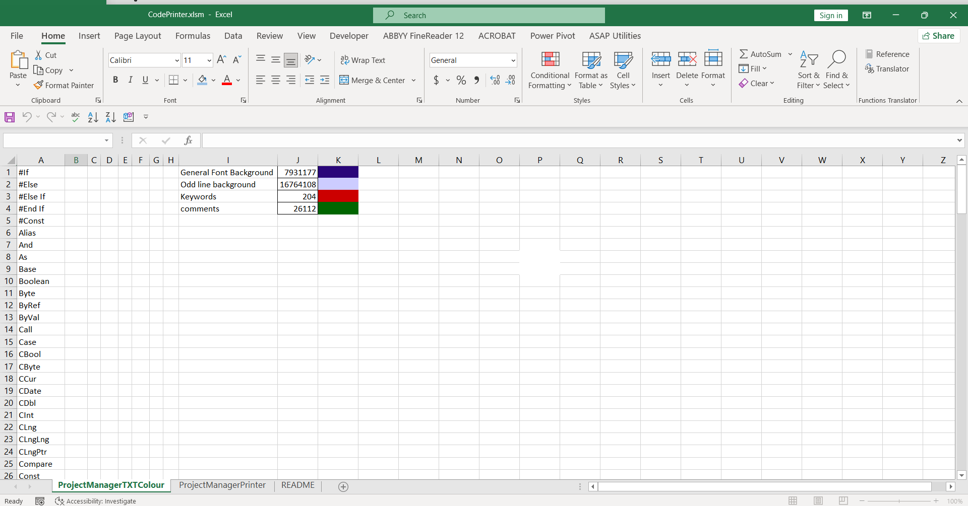

 | --- Image of Worksheet : ProjectManagerPrinter ---

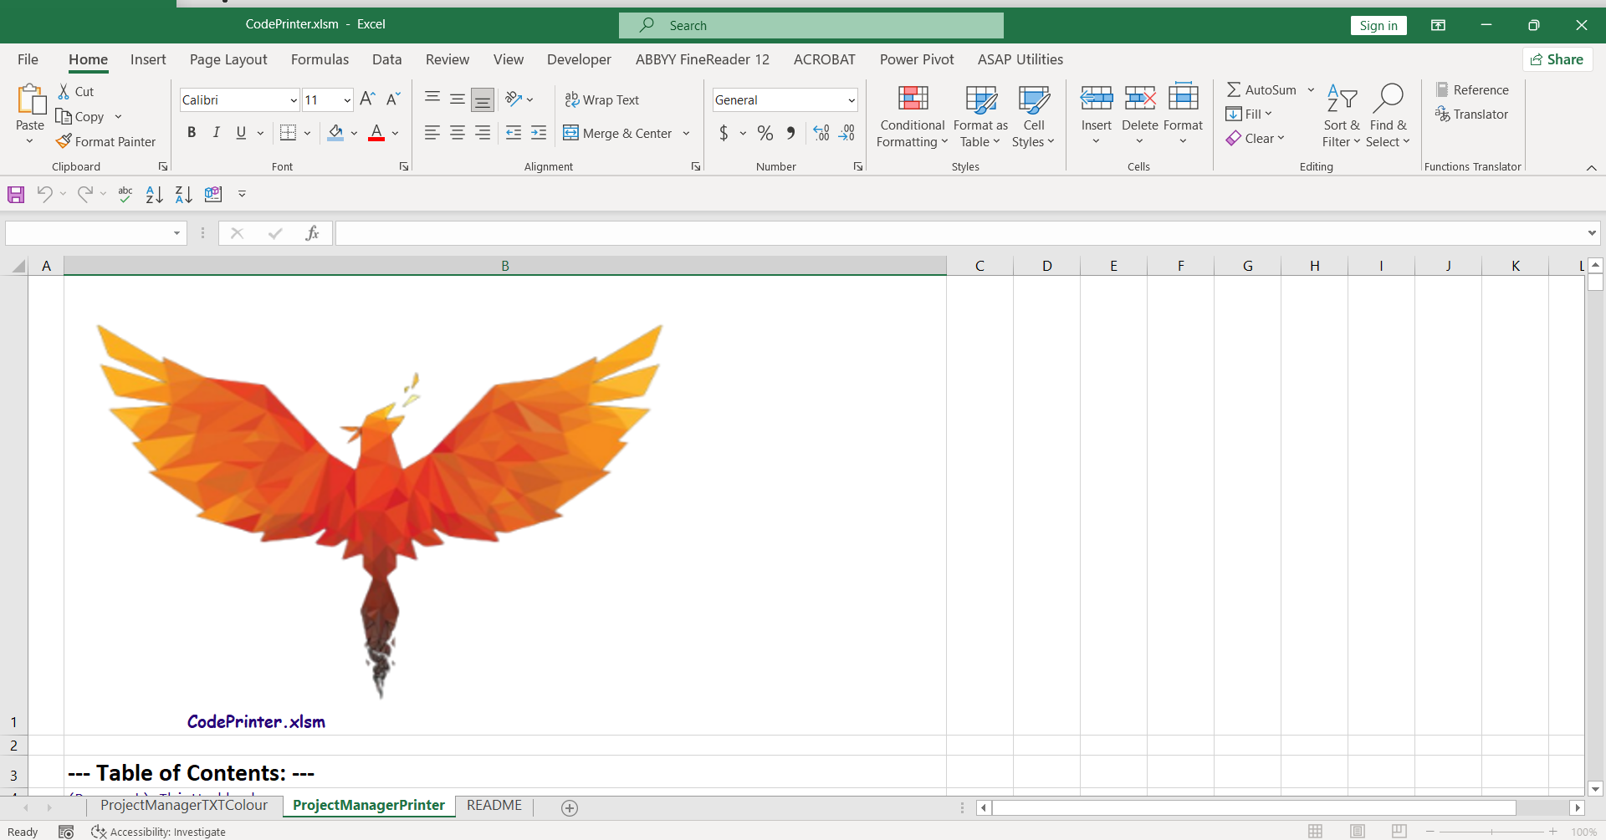

 | --- Image of Worksheet : README ---
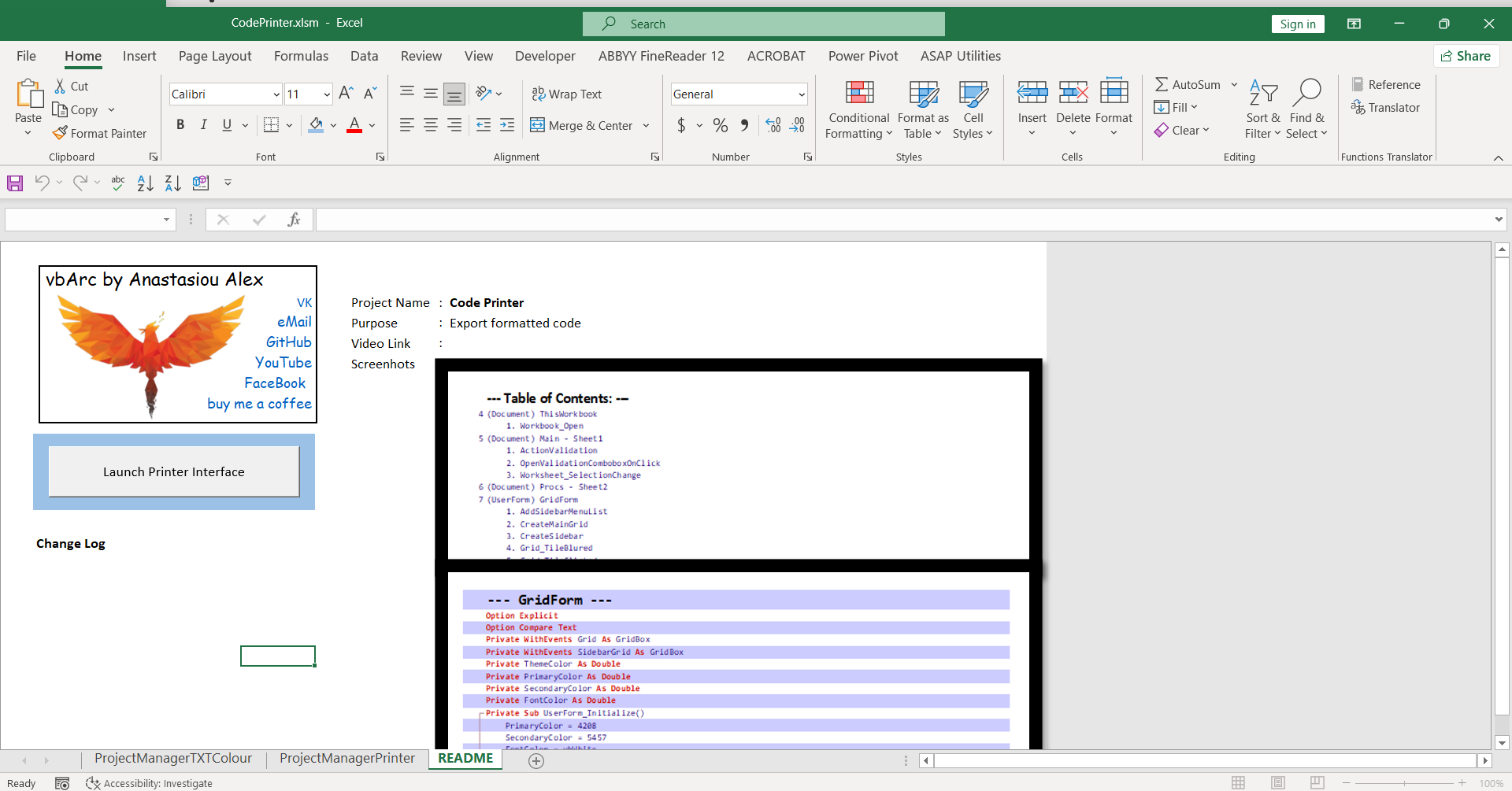

 | --- Image of Userform : uCodePrinter ---

README
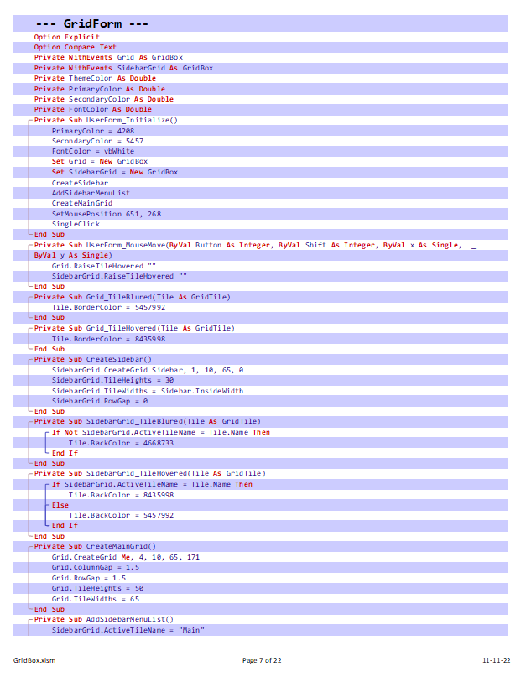
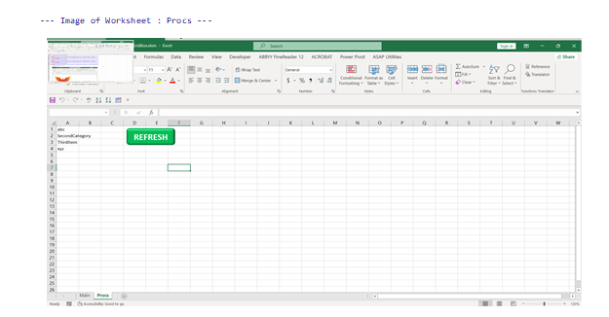
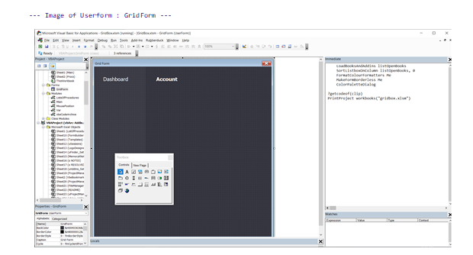
...
FaceBook
buy me a coffee
...

