Sheet1
Exercise 1: Increasing the size of the collection

 | Several collection files of increasing size are available on the website of the course:

 |  | 55k 01-Text_Only-Ascii-Coll-1-10-NoSem.gz
 |  | 52k 02-Text_Only-Ascii-Coll-11-20-NoSem.gz
 |  | 103k 03-Text_Only-Ascii-Coll-21-50-NoSem.gz
 |  | 96k 04-Text_Only-Ascii-Coll-51-100-NoSem.gz
 |  | 357k 05-Text_Only-Ascii-Coll-101-200-NoSem.gz
 |  | 559k 06-Text_Only-Ascii-Coll-201-500-NoSem.gz
 |  | 747k 07-Text_Only-Ascii-Coll-501-1000-NoSem.gz
 |  | 1.2M 08-Text_Only-Ascii-Coll-1001-2000-NoSem.gz
 |  | 4.1M 09-Text_Only-Ascii-Coll-2001-5000-NoSem.gz

 | Index each of these files using your indexing program (cf. Practical session n°1: dictionary, postings lists, df,
 | tf). Build a time efficiency graph of your program.

 |  | Collection size | Time efficiency (s)
 | Col 1-10 | 10 | 0.08
 | Col 11-20 | 20 | 0.13
 | Col 21-50 | 50 | 0.28
 | Col 51-100 | 100 | 0.43
 | Col 101-200 | 200 | 1.87
 | Col 201-500 | 500 | 5.72
 | Col 501-1000 | 1000 | 14.03
 | Col 1001-2000 | 2000 | 39.00
 | Col 2001-5000 | 5000 | 314.70

 | Variants: read several files instead of only one, uncompress a file if it is compressed, insert an option to print
 | or not the index, print the indexing time. For large collections, you must not print the index!

 | Read several files and uncompress if it's compressed:
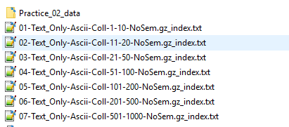

 | Print the index:

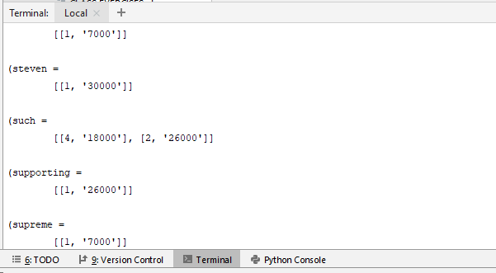

Exercise 2: Collection Statistics

 | Modify your indexing program so that it computes different statistics on the indexed collection, for instance:
 | 1. document length,
 | 2. term length,
 | 3. vocabulary size,
 | 4. collection frequency of terms.
 | Plot the evolution of these statistics as the collection size grows

 |  | Collection size | Total document length | Average document length | Vocabulary size
 | Col 1-10 | 10 | 22373 | 2237 | 6078
 | Col 11-20 | 20 | 42737 | 2137 | 9874
 | Col 21-50 | 50 | 80113 | 1602 | 16967
 | Col 51-100 | 100 | 119744 | 1197 | 22891
 | Col 101-200 | 200 | 255814 | 1279 | 39701
 | Col 201-500 | 500 | 456532 | 913 | 65027
 | Col 501-1000 | 1000 | 722913 | 723 | 96036
 | Col 1001-2000 | 2000 | 1139876 | 570 | 145008
 | Col 2001-5000 | 5000 | 2642185 | 528 | 290490

