Sheet1
Exercise 1: Increasing (again) the size of the collection

 | Download the collection of documents Text_Only_Ascii_Coll_NoSem.zip on the website of the course.
 | It contains 9,804 documents stored in a single file (76.4MB).
 | Index this collection using your indexing program (cf. Practical session n°2: dictionary, postings lists, df, tf).
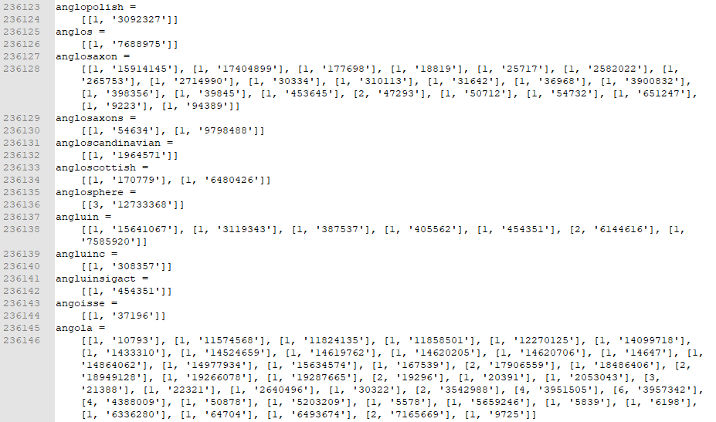

 | The index took 62 minutes to compute, on a i7 CPU, with 16 GB of RAM

Exercise 2: Collection Statistics

 | Compute again the collection statistics (cf. Exercise 2, Practical Session 2), without stop-words neither
 | stemmer

 | Collection size | Total document length | Average document length | Vocabulary size
 | 10 | 22282 | 2228 | 5952
 | 20 | 43096 | 2155 | 9561
 | 50 | 81603 | 1632 | 16206
 | 100 | 124320 | 1243 | 21661
 | 200 | 263164 | 1316 | 36535
 | 500 | 466867 | 934 | 59190
 | 1000 | 738063 | 738 | 87146
 | 2000 | 1159233 | 580 | 131918
 | 5000 | 2692121 | 538 | 260747
 | 9804 | 10907091 | 1113 | 612407

 | As the collection size increases to 9800, the average document length grows, when it was decreasing before. The vocabulary size grows in a more linear fashion.

Exercise 3: Collection Statistics using stop-words and stemmer

 | Refresh the index, removing stop-words and applying Porter's stemmer.
 | Compute again the statistics of the exercise n°2.

 | Stop word list:
 | ("also","although","always","am","among", "amongst", "amoungst", "amount", "an", "and", "another", "any","anyhow","anyone","anything","anyway", "anywhere", "are", "around", "as", "at", "back","be","became",
 | "because","become","becomes", "becoming", "been", "before", "beforehand", "behind", "being", "below", "beside", "besides", "between", "beyond", "bill", "both", "bottom","but", "by", "call", "can", "cannot",
 | "cant", "co", "con", "could", "couldnt", "cry", "de", "describe", "detail", "do", "done", "down", "due", "during", "each", "eg", "eight", "either", "eleven","else", "elsewhere", "empty", "enough", "etc",
 | "even", "ever", "every", "everyone", "everything", "everywhere", "except", "few", "fifteen", "fify", "fill", "find", "fire", "first", "five", "for", "former", "formerly", "forty", "found", "four", "from",
 | "front", "full", "further", "get", "give", "go", "had", "has", "hasnt", "have", "he", "hence", "her", "here", "hereafter", "hereby", "herein", "hereupon", "hers", "herself", "him", "himself", "his", "how",
 | "however", "hundred", "ie", "if", "in", "inc", "indeed", "interest", "into", "is", "it", "its", "itself", "keep", "last", "latter", "latterly", "least", "less", "ltd", "made", "many", "may", "me", "meanwhile",
 | "might", "mill", "mine", "more", "moreover", "most", "mostly", "move", "much", "must", "my", "myself", "name", "namely", "neither", "never", "nevertheless", "next", "nine", "no", "nobody", "none", "noone",
 | "nor", "not", "nothing", "now", "nowhere", "of", "off", "often", "on", "once", "one", "only", "onto", "or", "other", "others", "otherwise", "our", "ours", "ourselves", "out", "over", "own","part", "per",
 | "perhaps", "please", "put", "rather", "re", "same", "see", "seem", "seemed", "seeming", "seems", "serious", "several", "she", "should", "show", "side", "since", "sincere", "six", "sixty", "so", "some",
 | "somehow", "someone", "something", "sometime", "sometimes", "somewhere", "still", "such", "system", "take", "ten", "than", "that", "the", "their", "them", "themselves", "then", "thence", "there", "thereafter",
 | "thereby", "therefore", "therein", "thereupon", "these", "they", "thick", "thin", "third", "this", "those", "though", "three", "through", "throughout", "thru", "thus", "to", "together", "too", "top", "toward",
 | "towards", "twelve", "twenty", "two", "un", "under", "until", "up", "upon", "us", "very", "via", "was", "we", "well", "were", "what", "whatever", "when", "whence", "whenever", "where", "whereafter", "whereas",
 | "whereby", "wherein", "whereupon", "wherever", "whether", "which", "while", "whither", "who", "whoever", "whole", "whom", "whose", "why", "will", "with", "within", "without", "would", "yet", "you", "your",
 | "yours", "yourself", "yourselves", "the")

 | Collection size | Total document length | Average document length | Vocabulary size
 | 10 | 14442 | 1444 | 4893
 | 20 | 27704 | 1385 | 7530
 | 50 | 53113 | 1062 | 12936
 | 100 | 82648 | 826 | 17742
 | 200 | 172614 | 863 | 29937
 | 500 | 311265 | 623 | 49858
 | 1000 | 497390 | 497 | 75170
 | 2000 | 796326 | 398 | 116809
 | 5000 | 1877398 | 375 | 237036
 | 9804 |  | 0

Total Document Lenght
Average Document Length
Vocabulary Size

 | After removing the stop words the total document length decreases, but it almost doesn't affect the vocabulary size. It remains pretty much the same.

