Sheet1
Exercise 1: Increasing the size of the collection

 | Several collection files of increasing size are available on the website of the course:

 |  | 55k 01-Text_Only-Ascii-Coll-1-10-NoSem.gz
 |  | 52k 02-Text_Only-Ascii-Coll-11-20-NoSem.gz
 |  | 103k 03-Text_Only-Ascii-Coll-21-50-NoSem.gz
 |  | 96k 04-Text_Only-Ascii-Coll-51-100-NoSem.gz
 |  | 357k 05-Text_Only-Ascii-Coll-101-200-NoSem.gz
 |  | 559k 06-Text_Only-Ascii-Coll-201-500-NoSem.gz
 |  | 747k 07-Text_Only-Ascii-Coll-501-1000-NoSem.gz
 |  | 1.2M 08-Text_Only-Ascii-Coll-1001-2000-NoSem.gz
 |  | 4.1M 09-Text_Only-Ascii-Coll-2001-5000-NoSem.gz

 | Index each of these files using your indexing program (cf. Practical session n°1: dictionary, postings lists, df,
 | tf). Build a time efficiency graph of your program.

 |  | Collection size | Time efficiency (seconds)
 | Col 1-10 | 10 | 0.08
 | Col 11-20 | 20 | 0.13
 | Col 21-50 | 50 | 0.28
 | Col 51-100 | 100 | 0.43
 | Col 101-200 | 200 | 1.87
 | Col 201-500 | 500 | 5.72
 | Col 501-1000 | 1000 | 14.03
 | Col 1001-2000 | 2000 | 39.00
 | Col 2001-5000 | 5000 | 314.70

 |  |  |  |  | As the collection size increases, the time it takes to process also increases

 | Variants: read several files instead of only one, uncompress a file if it is compressed, insert an option to print
 | or not the index, print the indexing time. For large collections, you must not print the index!

 | Read several files and uncompress if it's compressed:
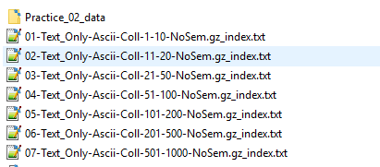

 | Print the index:

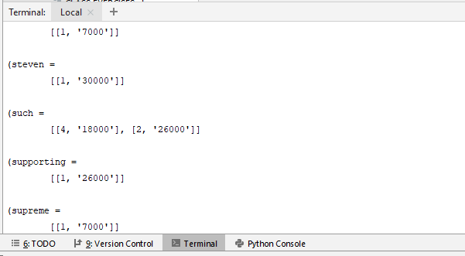

Exercise 2: Collection Statistics

 | Modify your indexing program so that it computes different statistics on the indexed collection, for instance:
 | 1. document length,
 | 2. term length,
 | 3. vocabulary size,
 | 4. collection frequency of terms.
 | Plot the evolution of these statistics as the collection size grows

 |  | Collection size | Total document length | Average document length | Vocabulary size
 | Col 1-10 | 10 | 22373 | 2237 | 6078
 | Col 11-20 | 20 | 42737 | 2137 | 9874
 | Col 21-50 | 50 | 80113 | 1602 | 16967
 | Col 51-100 | 100 | 119744 | 1197 | 22891
 | Col 101-200 | 200 | 255814 | 1279 | 39701
 | Col 201-500 | 500 | 456532 | 913 | 65027
 | Col 501-1000 | 1000 | 722913 | 723 | 96036
 | Col 1001-2000 | 2000 | 1139876 | 570 | 145008
 | Col 2001-5000 | 5000 | 2642185 | 528 | 290490

 | As the collections size increases the average documente decreases. The vocabulary size increases, on the other hand.

Exercise 3: Stop-words

 | Download a stop-words list (cf. list, lecture n°2).
 | Refresh the index of the 9th file of the exercise n°1, removing stop words.
 | Compute again the statistics of the exercise n°2

 | Stop word list:
 | ("also","although","always","am","among", "amongst", "amoungst", "amount", "an", "and", "another", "any","anyhow","anyone","anything","anyway", "anywhere", "are", "around", "as", "at", "back","be","became",
 | "because","become","becomes", "becoming", "been", "before", "beforehand", "behind", "being", "below", "beside", "besides", "between", "beyond", "bill", "both", "bottom","but", "by", "call", "can", "cannot",
 | "cant", "co", "con", "could", "couldnt", "cry", "de", "describe", "detail", "do", "done", "down", "due", "during", "each", "eg", "eight", "either", "eleven","else", "elsewhere", "empty", "enough", "etc",
 | "even", "ever", "every", "everyone", "everything", "everywhere", "except", "few", "fifteen", "fify", "fill", "find", "fire", "first", "five", "for", "former", "formerly", "forty", "found", "four", "from",
 | "front", "full", "further", "get", "give", "go", "had", "has", "hasnt", "have", "he", "hence", "her", "here", "hereafter", "hereby", "herein", "hereupon", "hers", "herself", "him", "himself", "his", "how",
 | "however", "hundred", "ie", "if", "in", "inc", "indeed", "interest", "into", "is", "it", "its", "itself", "keep", "last", "latter", "latterly", "least", "less", "ltd", "made", "many", "may", "me", "meanwhile",
 | "might", "mill", "mine", "more", "moreover", "most", "mostly", "move", "much", "must", "my", "myself", "name", "namely", "neither", "never", "nevertheless", "next", "nine", "no", "nobody", "none", "noone",
 | "nor", "not", "nothing", "now", "nowhere", "of", "off", "often", "on", "once", "one", "only", "onto", "or", "other", "others", "otherwise", "our", "ours", "ourselves", "out", "over", "own","part", "per",
 | "perhaps", "please", "put", "rather", "re", "same", "see", "seem", "seemed", "seeming", "seems", "serious", "several", "she", "should", "show", "side", "since", "sincere", "six", "sixty", "so", "some",
 | "somehow", "someone", "something", "sometime", "sometimes", "somewhere", "still", "such", "system", "take", "ten", "than", "that", "the", "their", "them", "themselves", "then", "thence", "there", "thereafter",
 | "thereby", "therefore", "therein", "thereupon", "these", "they", "thick", "thin", "third", "this", "those", "though", "three", "through", "throughout", "thru", "thus", "to", "together", "too", "top", "toward",
 | "towards", "twelve", "twenty", "two", "un", "under", "until", "up", "upon", "us", "very", "via", "was", "we", "well", "were", "what", "whatever", "when", "whence", "whenever", "where", "whereafter", "whereas",
 | "whereby", "wherein", "whereupon", "wherever", "whether", "which", "while", "whither", "who", "whoever", "whole", "whom", "whose", "why", "will", "with", "within", "without", "would", "yet", "you", "your",
 | "yours", "yourself", "yourselves", "the")

 |  | Collection size | Total document length | Average document length | Vocabulary size
 | Col 1-10 | 10 | 14691 | 1469 | 5855
 | Col 11-20 | 20 | 27603 | 1380 | 9623
 | Col 21-50 | 50 | 52035 | 1041 | 16699
 | Col 51-100 | 100 | 78744 | 787 | 22620
 | Col 101-200 | 200 | 166708 | 834 | 39415
 | Col 201-500 | 500 | 303572 | 607 | 64737
 | Col 501-1000 | 1000 | 486670 | 487 | 95739
 | Col 1001-2000 | 2000 | 783766 | 392 | 144710
 | Col 2001-5000 | 5000 | 1843165 | 369 | 290192

Total Document Lenght
Average Document Length
Vocabulary Size

 | After removing the stop words the total document length decreases, but it almost doesn't affect the vocabulary size. It remains pretty much the same.

Exercise 4: Porter’s Stemmer

 | Download a Porter’s Stemmer (cf. list, lecture n°2)
 | Refresh the index of the 9th file of the exercise n°1, applying Porter's stemmer.
 | Compute again the statistics of the exercise n°2

 |  | Collection size | Total document length | Average document length | Vocabulary size
 | Col 1-10 | 10 | 15211 | 1521 | 5043
 | Col 11-20 | 20 | 28491 | 1425 | 7863
 | Col 21-50 | 50 | 53627 | 1073 | 13692
 | Col 51-100 | 100 | 81394 | 814 | 18945
 | Col 101-200 | 200 | 172539 | 863 | 32905
 | Col 201-500 | 500 | 313693 | 627 | 55288
 | Col 501-1000 | 1000 | 502432 | 502 | 83290
 | Col 1001-2000 | 2000 | 807082 | 404 | 128745
 | Col 2001-5000 | 5000 | 1895289 | 379 | 264620

Total Document Lenght
Average Document Length
Vocabulary Size

 | After applying the Porter's Stemmer the document size increases over removing the stop words, but the vocabulary size decreases significantly.

