Sheet1
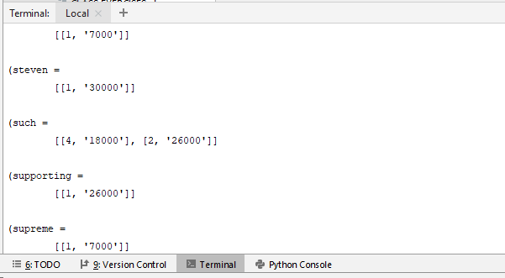
Exercise 1: Increasing the size of the collection

 | Several collection files of increasing size are available on the website of the course:

 |  | 55k 01-Text_Only-Ascii-Coll-1-10-NoSem.gz
 |  | 52k 02-Text_Only-Ascii-Coll-11-20-NoSem.gz
 |  | 103k 03-Text_Only-Ascii-Coll-21-50-NoSem.gz
 |  | 96k 04-Text_Only-Ascii-Coll-51-100-NoSem.gz
 |  | 357k 05-Text_Only-Ascii-Coll-101-200-NoSem.gz
 |  | 559k 06-Text_Only-Ascii-Coll-201-500-NoSem.gz
 |  | 747k 07-Text_Only-Ascii-Coll-501-1000-NoSem.gz
 |  | 1.2M 08-Text_Only-Ascii-Coll-1001-2000-NoSem.gz
 |  | 4.1M 09-Text_Only-Ascii-Coll-2001-5000-NoSem.gz

 | Index each of these files using your indexing program (cf. Practical session n°1: dictionary, postings lists, df,
 | tf). Build a time efficiency graph of your program.

 |  | Time efficiency (s)
 | Col 1-10 | 0.09
 | Col 11-20 | 0.25
 | Col 21-50 | 0.61
 | Col 51-100 | 1.15
 | Col 101-200 | 2.86
 | Col 201-500 | 5.47
 | Col 501-1000 | 16.63
 | Col 1001-2000 | 48.95
 | Col 2001-5000 | 424.52

 | Variants: read several files instead of only one, uncompress a file if it is compressed, insert an option to print
 | or not the index, print the indexing time. For large collections, you must not print the index!

 | Read several files and uncompress if it's compressed:

 | Print the index:

