Sheet1
Exercise 1: Increasing (again) the size of the collection

 | Download the collection of documents Text_Only_Ascii_Coll_NoSem.zip on the website of the course.
 | It contains 9,804 documents stored in a single file (76.4MB).
 | Index this collection using your indexing program (cf. Practical session n°2: dictionary, postings lists, df, tf).
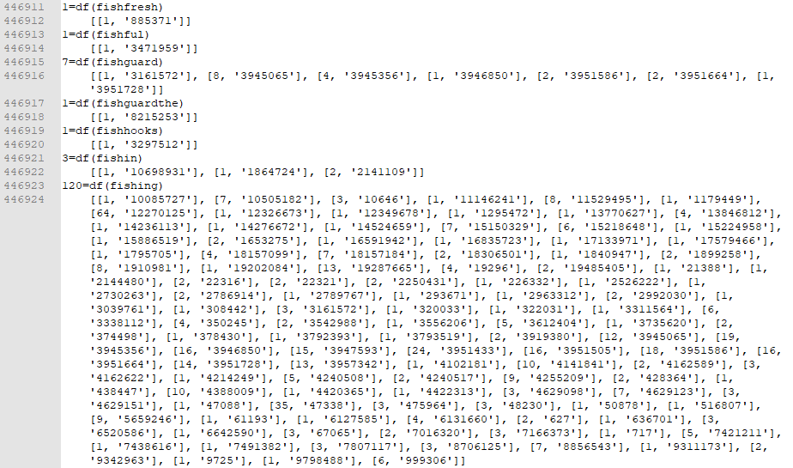

 | The index took 62 minutes to compute, on a i7 CPU, with 16 GB of RAM

Exercise 2: Collection Statistics

 | Compute again the collection statistics (cf. Exercise 2, Practical Session 2), without stop-words neither
 | stemmer

 | Collection size | Total document length | Average document length | Vocabulary size
 | 10 | 23546 | 2355 | 5301
 | 20 | 43858 | 2193 | 8246
 | 50 | 81268 | 1625 | 13359
 | 100 | 119691 | 1197 | 16746
 | 200 | 255027 | 1275 | 27437
 | 500 | 456288 | 913 | 42649
 | 1000 | 722259 | 722 | 60406
 | 2000 | 1132287 | 566 | 83406
 | 5000 | 2618341 | 524 | 149300
 | 9804 | 10887220 | 1110 | 211036

 | As the collection size increases to 9800, the average document length grows, when it was decreasing before. The vocabulary size grows in a more linear fashion.

Exercise 3: Collection Statistics using stop-words and stemmer

 | Refresh the index, removing stop-words and applying Porter's stemmer.
 | Compute again the statistics of the exercise n°2.

 | Stop word list:
 | ("also","although","always","am","among", "amongst", "amoungst", "amount", "an", "and", "another", "any","anyhow","anyone","anything","anyway", "anywhere", "are", "around", "as", "at", "back","be","became",
 | "because","become","becomes", "becoming", "been", "before", "beforehand", "behind", "being", "below", "beside", "besides", "between", "beyond", "bill", "both", "bottom","but", "by", "call", "can", "cannot",
 | "cant", "co", "con", "could", "couldnt", "cry", "de", "describe", "detail", "do", "done", "down", "due", "during", "each", "eg", "eight", "either", "eleven","else", "elsewhere", "empty", "enough", "etc",
 | "even", "ever", "every", "everyone", "everything", "everywhere", "except", "few", "fifteen", "fify", "fill", "find", "fire", "first", "five", "for", "former", "formerly", "forty", "found", "four", "from",
 | "front", "full", "further", "get", "give", "go", "had", "has", "hasnt", "have", "he", "hence", "her", "here", "hereafter", "hereby", "herein", "hereupon", "hers", "herself", "him", "himself", "his", "how",
 | "however", "hundred", "ie", "if", "in", "inc", "indeed", "interest", "into", "is", "it", "its", "itself", "keep", "last", "latter", "latterly", "least", "less", "ltd", "made", "many", "may", "me", "meanwhile",
 | "might", "mill", "mine", "more", "moreover", "most", "mostly", "move", "much", "must", "my", "myself", "name", "namely", "neither", "never", "nevertheless", "next", "nine", "no", "nobody", "none", "noone",
 | "nor", "not", "nothing", "now", "nowhere", "of", "off", "often", "on", "once", "one", "only", "onto", "or", "other", "others", "otherwise", "our", "ours", "ourselves", "out", "over", "own","part", "per",
 | "perhaps", "please", "put", "rather", "re", "same", "see", "seem", "seemed", "seeming", "seems", "serious", "several", "she", "should", "show", "side", "since", "sincere", "six", "sixty", "so", "some",
 | "somehow", "someone", "something", "sometime", "sometimes", "somewhere", "still", "such", "system", "take", "ten", "than", "that", "the", "their", "them", "themselves", "then", "thence", "there", "thereafter",
 | "thereby", "therefore", "therein", "thereupon", "these", "they", "thick", "thin", "third", "this", "those", "though", "three", "through", "throughout", "thru", "thus", "to", "together", "too", "top", "toward",
 | "towards", "twelve", "twenty", "two", "un", "under", "until", "up", "upon", "us", "very", "via", "was", "we", "well", "were", "what", "whatever", "when", "whence", "whenever", "where", "whereafter", "whereas",
 | "whereby", "wherein", "whereupon", "wherever", "whether", "which", "while", "whither", "who", "whoever", "whole", "whom", "whose", "why", "will", "with", "within", "without", "would", "yet", "you", "your",
 | "yours", "yourself", "yourselves", "the")

 | Collection size | Total document length | Average document length | Vocabulary size
 | 10 | 14886 | 1489 | 4175
 | 20 | 26972 | 1349 | 6139
 | 50 | 50439 | 1009 | 9977
 | 100 | 74896 | 749 | 12710
 | 200 | 158149 | 791 | 20680
 | 500 | 289186 | 578 | 33027
 | 1000 | 463405 | 463 | 48035
 | 2000 | 741069 | 371 | 67809
 | 5000 | 1739619 | 348 | 124979
 | 9804 | 6986827 | 713 | 172344

Total Document Lenght
Average Document Length
Vocabulary Size

 | After removing the stop words and aplying a stemmer the total document length decreases significantly, but the vocabulary size decreases only a bit, the same as Practical exercise 2.

Exercise 4: SMART ltn weighting

 | Compute a weighted index based on SMART ltn weighting function.

 | Code
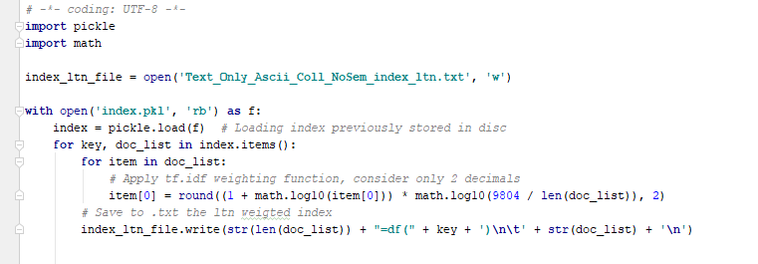

 | On the previous exercises a dictionary containing the index was computed, serialized, and stored in disc.
 | This index is now loaded in memory to compute a weighted index based on SMART ltn function, the result is as it follows:
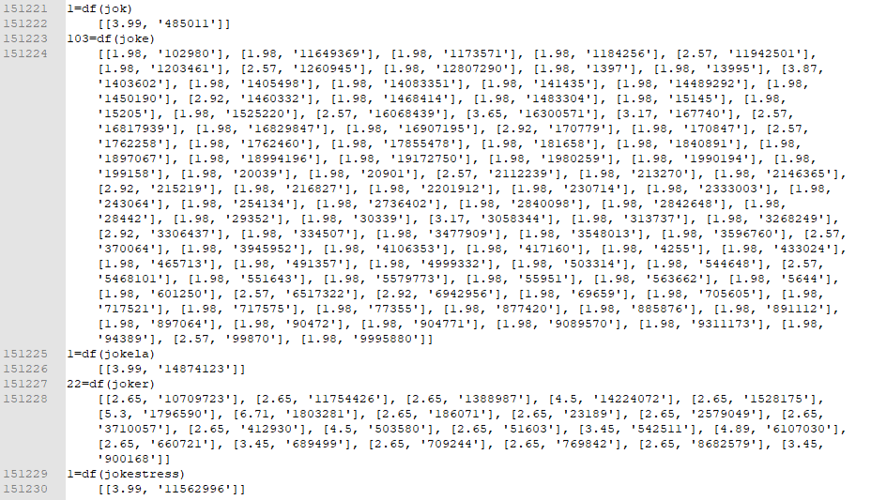

Exercise 5: Ranked Retrieval (ltn weighting)

 | Compute the score of each document for the query « web ranking scoring algorithm », using the index based
 | on SMART ltn weighting function. Print the list of the ten most relevant documents, and their relevance score.

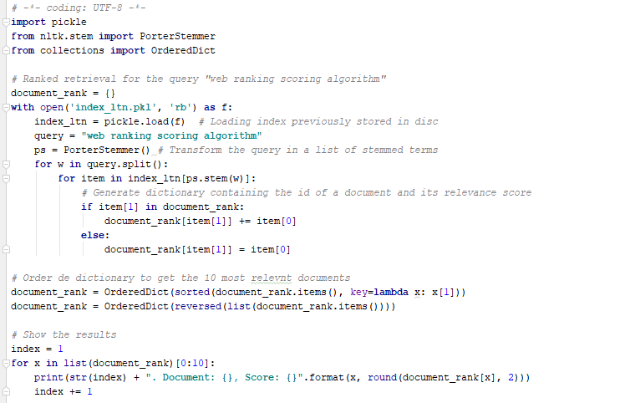
 | Code

 | 10 Most Relevant Documents

 |  |  | Document ID | Relevance Score
 |  |  | 23724 | 6.87
 |  |  | 1482394 | 6.29
 |  |  | 70421 | 6.25
 |  |  | 448834 | 6.04
 |  |  | 12431 | 5.66
 |  |  | 1009996 | 5.58
 |  |  | 462448 | 5.48
 |  |  | 191457 | 5.42
 |  |  | 207747 | 5.34
 |  |  | 47293 | 5.32

Exercise 6: SMART ltc weighting

 | Compute a weighted index based on SMART ltc weighting function.

 | Code
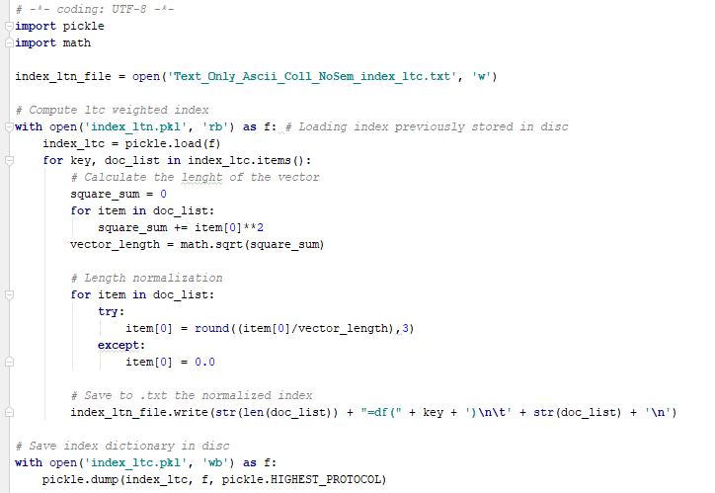

 | The index that was computed in Excersice 4 is read into memory and normalized. The result is as follows:

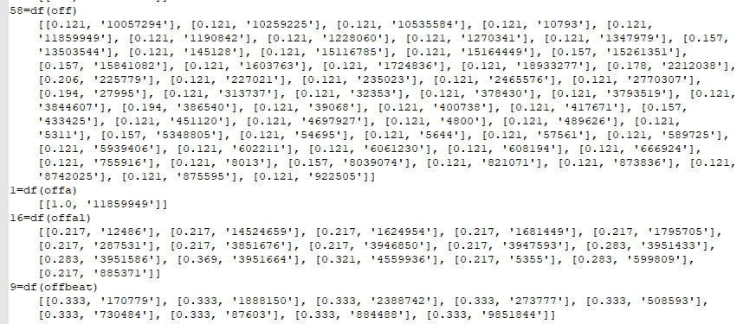

Exercise 7: Ranked Retrieval (ltc weighting)

 | Compute the score of each document for the query « web ranking scoring algorithm », using the index based
 | on SMART ltc weighting function. Print the list of the ten most relevant documents, and their relevance score.

 | Code: The code is the same as Exercise 5, but using the ltc index as input

 | Result:
 |  |  | Document ID | Relevance Score
 |  |  | 23724 | 0.1539
 |  |  | 1482394 | 0.1424
 |  |  | 70421 | 0.1409
 |  |  | 448834 | 0.1391
 |  |  | 12431 | 0.1272
 |  |  | 1009996 | 0.1248
 |  |  | 462448 | 0.1232
 |  |  | 207747 | 0.1227
 |  |  | 47293 | 0.1222
 |  |  | 587642 | 0.1215

Exercise 8: BM25 weighting

 | Compute a weighted index based on BM25 weighting function.
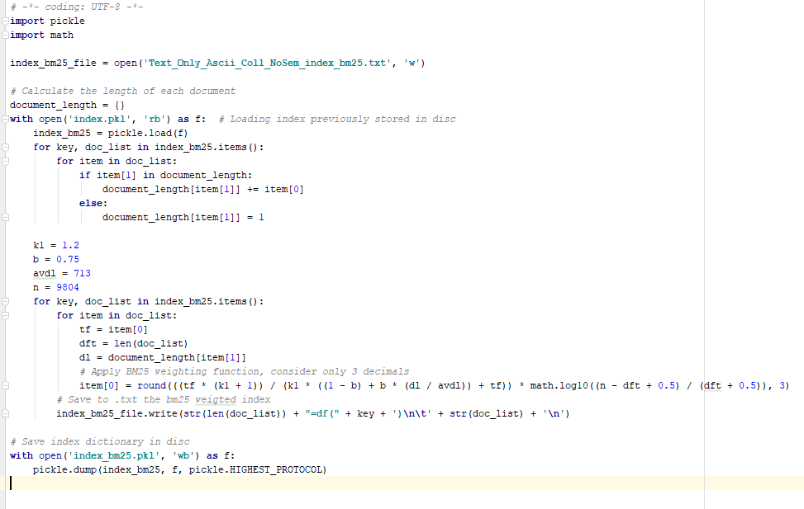
 | Code

 | The scores were calculated using the BM25 weighting function

 | Results

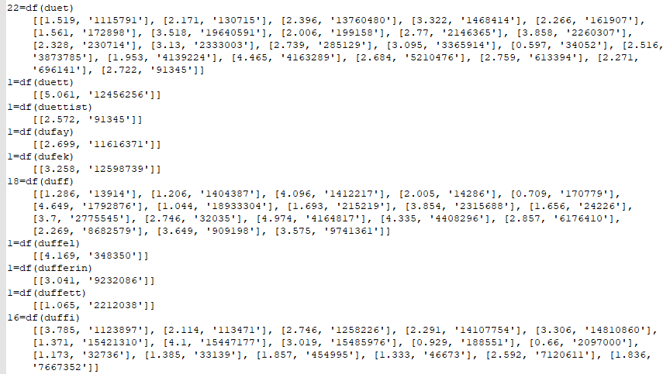

Exercise 9: Ranked Retrieval (BM25 weighting)

 | Compute the score of each document for the query « web ranking scoring algorithm », using the index based
 | on BM25 weighting function. Print the list of the ten most relevant documents, and their relevance score.

 | Code: The code is the same as Exercise 5, but using the bm25 index as input

 | Result:
 |  |  | Document ID | Relevance Score
 |  |  | 3503154 | 5.237
 |  |  | 465576 | 5.026
 |  |  | 18096221 | 4.995
 |  |  | 23724 | 4.978
 |  |  | 1009996 | 4.914
 |  |  | 18543218 | 4.911
 |  |  | 6422823 | 4.809
 |  |  | 1793571 | 4.807
 |  |  | 1482394 | 4.743
 |  |  | 3940868 | 4.526

