Sheet1
Code | Cause | ISO3 | Year | Sex | Age Group | Population | Deaths | Death rate per 100 000 population | DALY | DALY rate per 100 000 population
1130 | Ischaemic heart disease | MEX | 2019 | BTSX | ALLAges | 128000000 | 116237.7 | 90.81 | 2189755 | 1710.75
800 | Diabetes mellitus | MEX | 2019 | BTSX | ALLAges | 128000000 | 86109.55 | 67.27 | 3112299 | 2431.48
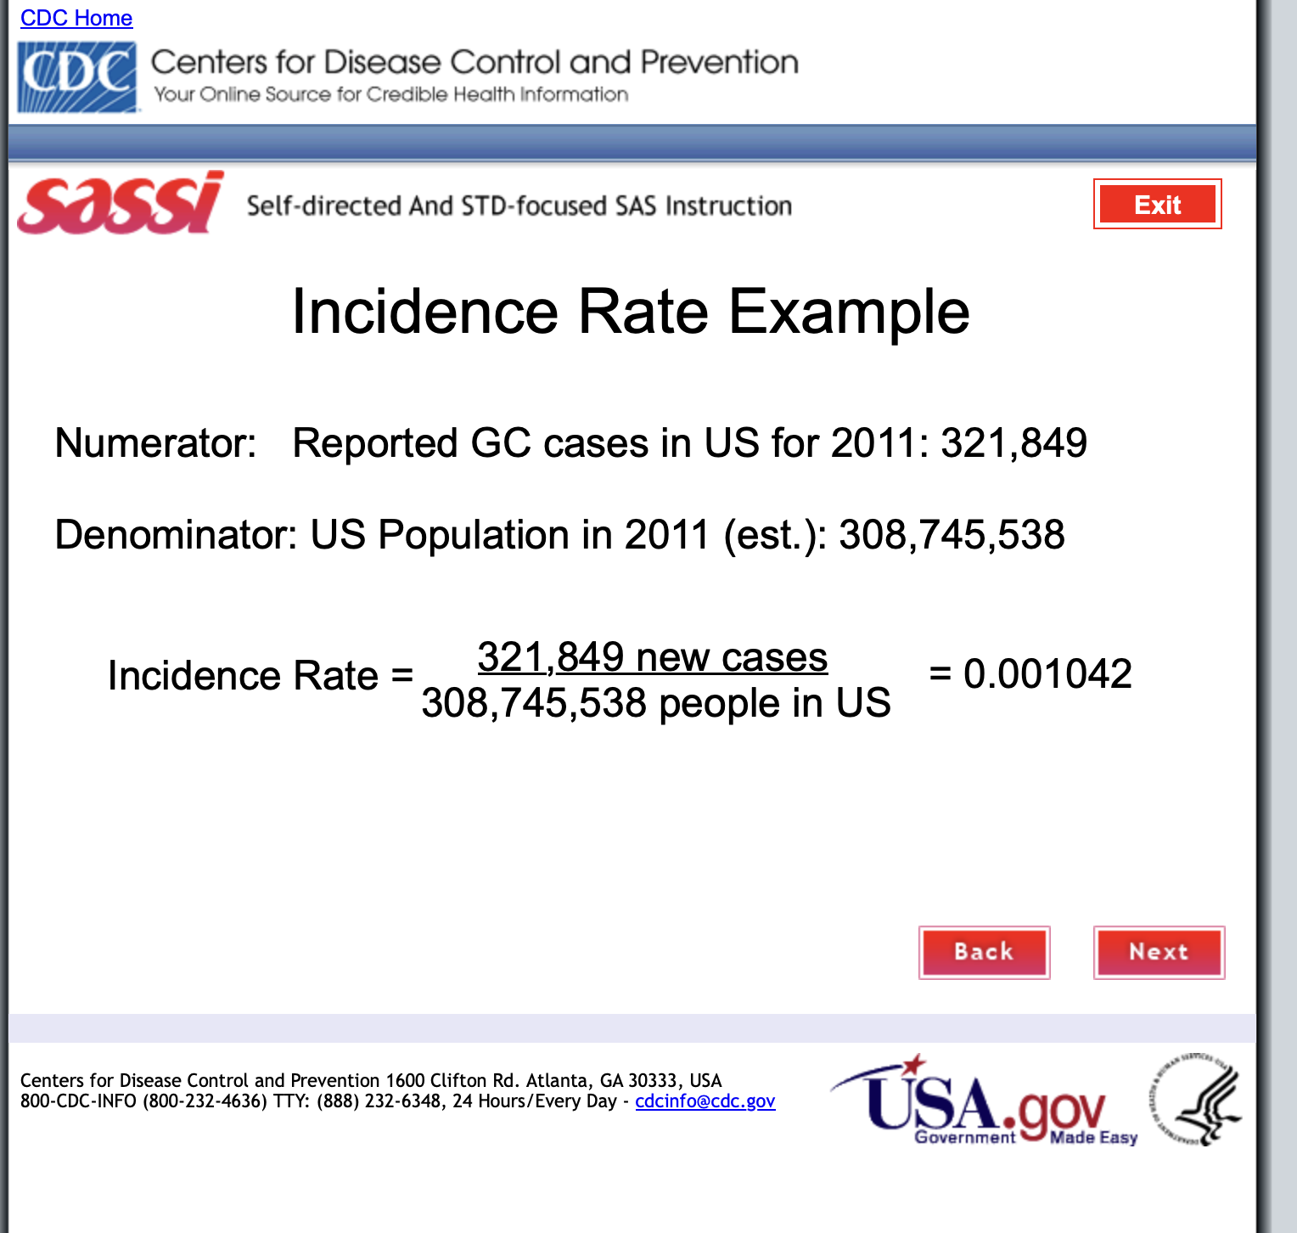
1270 | Kidney diseases | MEX | 2019 | BTSX | ALLAges | 128000000 | 44622.18 | 34.86 | 1480748 | 1156.83
1140 | Stroke | MEX | 2019 | BTSX | ALLAges | 128000000 | 39789.97 | 31.09 | 876865.3 | 685.05
1620 | Interpersonal violence | MEX | 2019 | BTSX | ALLAges | 128000000 | 32450.14 | 25.35 | 1821493 | 1423.04
1230 | Cirrhosis of the liver | MEX | 2019 | BTSX | ALLAges | 128000000 | 29838.15 | 23.31 | 951202 | 743.13
1180 | Chronic obstructive pulmonary disease | MEX | 2019 | BTSX | ALLAges | 128000000 | 29123.09 | 22.75 | 543520.7 | 424.63
390 | Lower respiratory infections | MEX | 2019 | BTSX | ALLAges | 128000000 | 24815.79 | 19.39 | 739121.3 | 577.44
1120 | Hypertensive heart disease | MEX | 2019 | BTSX | ALLAges | 128000000 | 17806.38 | 13.91 | 355357.5 | 277.62
1530 | Road injury | MEX | 2019 | BTSX | ALLAges | 128000000 | 16302.83 | 12.74 | 1004558 | 784.81
490 | Neonatal conditions | MEX | 2019 | BTSX | ALLAges | 128000000 | 13654.08 | 10.67 | 1508028 | 1178.15
1400 | Congenital anomalies | MEX | 2019 | BTSX | ALLAges | 128000000 | 10456.74 | 8.17 | 1015043 | 793
550 | Protein-energy malnutrition | MEX | 2019 | BTSX | ALLAges | 128000000 | 7551.56 | 5.9 | 199511.5 | 155.87
740 | Prostate cancer | MEX | 2019 | BTSX | ALLAges | 128000000 | 7494.1 | 5.85 | 134906.8 | 105.4
700 | Breast cancer | MEX | 2019 | BTSX | ALLAges | 128000000 | 7379.76 | 5.77 | 243952.9 | 190.59
680 | Trachea, bronchus, lung cancers | MEX | 2019 | BTSX | ALLAges | 128000000 | 7349.16 | 5.74 | 169296.5 | 132.26
640 | Stomach cancer | MEX | 2019 | BTSX | ALLAges | 128000000 | 6938.55 | 5.42 | 182299.6 | 142.42
650 | Colon and rectum cancers | MEX | 2019 | BTSX | ALLAges | 128000000 | 6870.96 | 5.37 | 186423.1 | 145.64
660 | Liver cancer | MEX | 2019 | BTSX | ALLAges | 128000000 | 6817.17 | 5.33 | 157555.1 | 123.09
1610 | Self-harm | MEX | 2019 | BTSX | ALLAges | 128000000 | 6771.79 | 5.29 | 355924 | 278.07
760 | Lymphomas, multiple myeloma | MEX | 2019 | BTSX | ALLAges | 128000000 | 4961.22 | 3.88 | 148344.4 | 115.89
770 | Leukaemia | MEX | 2019 | BTSX | ALLAges | 128000000 | 4830.02 | 3.77 | 224262.9 | 175.21
710 | Cervix uteri cancer | MEX | 2019 | BTSX | ALLAges | 128000000 | 4787.12 | 3.74 | 156703.8 | 122.42
670 | Pancreas cancer | MEX | 2019 | BTSX | ALLAges | 128000000 | 4510.09 | 3.52 | 109519.8 | 85.56
100 | HIV/AIDS | MEX | 2019 | BTSX | ALLAges | 128000000 | 4127.78 | 3.22 | 228744.4 | 178.71
110 | Diarrhoeal diseases | MEX | 2019 | BTSX | ALLAges | 128000000 | 3475.81 | 2.72 | 238919.4 | 186.66
950 | Alzheimer disease and other dementias | MEX | 2019 | BTSX | ALLAges | 128000000 | 3446.65 | 2.69 | 156312.5 | 122.12
1246 | Gallbladder and biliary diseases | MEX | 2019 | BTSX | ALLAges | 128000000 | 3367.7 | 2.63 | 214478.8 | 167.56
1330 | Skin diseases | MEX | 2019 | BTSX | ALLAges | 128000000 | 3028.55 | 2.37 | 353874.7 | 276.46
860 | Alcohol use disorders | MEX | 2019 | BTSX | ALLAges | 128000000 | 2945.47 | 2.3 | 322077 | 251.62
745 | Kidney cancer | MEX | 2019 | BTSX | ALLAges | 128000000 | 2773.69 | 2.17 | 76892.9 | 60.07
1220 | Peptic ulcer disease | MEX | 2019 | BTSX | ALLAges | 128000000 | 2734.13 | 2.14 | 52840.68 | 41.28
1242 | Paralytic ileus and intestinal obstruction | MEX | 2019 | BTSX | ALLAges | 128000000 | 2733.78 | 2.14 | 76043.03 | 59.41
730 | Ovary cancer | MEX | 2019 | BTSX | ALLAges | 128000000 | 2649.22 | 2.07 | 85981.48 | 67.17
1550 | Falls | MEX | 2019 | BTSX | ALLAges | 128000000 | 2628.01 | 2.05 | 413500.2 | 323.05
751 | Brain and nervous system cancers | MEX | 2019 | BTSX | ALLAges | 128000000 | 2600.23 | 2.03 | 99395.95 | 77.65
1248 | Pancreatitis | MEX | 2019 | BTSX | ALLAges | 128000000 | 2215.18 | 1.73 | 73747.56 | 57.62
580 | Iron-deficiency anaemia | MEX | 2019 | BTSX | ALLAges | 128000000 | 2182.15 | 1.7 | 186996.8 | 146.09
752 | Gallbladder and biliary tract cancer | MEX | 2019 | BTSX | ALLAges | 128000000 | 2053.68 | 1.6 | 48577.46 | 37.95
30 | Tuberculosis | MEX | 2019 | BTSX | ALLAges | 128000000 | 1942.97 | 1.52 | 82094.23 | 64.14
690 | Melanoma and other skin cancers | MEX | 2019 | BTSX | ALLAges | 128000000 | 1908.76 | 1.49 | 41458.66 | 32.39
970 | Epilepsy | MEX | 2019 | BTSX | ALLAges | 128000000 | 1911.81 | 1.49 | 323163 | 252.47
1150 | Cardiomyopathy, myocarditis, endocarditis | MEX | 2019 | BTSX | ALLAges | 128000000 | 1866.22 | 1.46 | 70249.47 | 54.88
1570 | Drowning | MEX | 2019 | BTSX | ALLAges | 128000000 | 1798.68 | 1.41 | 104361.3 | 81.53
960 | Parkinson disease | MEX | 2019 | BTSX | ALLAges | 128000000 | 1567.34 | 1.22 | 37234.14 | 29.09
870 | Drug use disorders | MEX | 2019 | BTSX | ALLAges | 128000000 | 1470.07 | 1.15 | 199581.2 | 155.92
1350 | Rheumatoid arthritis | MEX | 2019 | BTSX | ALLAges | 128000000 | 1415.27 | 1.11 | 100420 | 78.45
1575 | Exposure to mechanical forces | MEX | 2019 | BTSX | ALLAges | 128000000 | 1350.77 | 1.06 | 199680.1 | 156
620 | Mouth and oropharynx cancers | MEX | 2019 | BTSX | ALLAges | 128000000 | 1354.93 | 1.06 | 34932.65 | 27.29
1190 | Asthma | MEX | 2019 | BTSX | ALLAges | 128000000 | 1342.27 | 1.05 | 172849.3 | 135.04
750 | Bladder cancer | MEX | 2019 | BTSX | ALLAges | 128000000 | 1272.4 | 0.99 | 26617.76 | 20.8
630 | Oesophagus cancer | MEX | 2019 | BTSX | ALLAges | 128000000 | 1251.67 | 0.98 | 30386.37 | 23.74
754 | Thyroid cancer | MEX | 2019 | BTSX | ALLAges | 128000000 | 902.83 | 0.71 | 23398.12 | 18.28
720 | Corpus uteri cancer | MEX | 2019 | BTSX | ALLAges | 128000000 | 901.74 | 0.7 | 27151.73 | 21.21
1241 | Gastritis and duodenitis | MEX | 2019 | BTSX | ALLAges | 128000000 | 893.05 | 0.7 | 30281.11 | 23.66
1280 | Benign prostatic hyperplasia | MEX | 2019 | BTSX | ALLAges | 128000000 | 893.96 | 0.7 | 56459.86 | 44.11
753 | Larynx cancer | MEX | 2019 | BTSX | ALLAges | 128000000 | 862.68 | 0.67 | 20068.2 | 15.68
1110 | Rheumatic heart disease | MEX | 2019 | BTSX | ALLAges | 128000000 | 859.13 | 0.67 | 45467.22 | 35.52
1240 | Appendicitis | MEX | 2019 | BTSX | ALLAges | 128000000 | 774.11 | 0.6 | 29327.35 | 22.91
420 | Maternal conditions | MEX | 2019 | BTSX | ALLAges | 128000000 | 749.66 | 0.59 | 58753.15 | 45.9
200 | Acute hepatitis C | MEX | 2019 | BTSX | ALLAges | 128000000 | 625.43 | 0.49 | 19545.53 | 15.27
742 | Testicular cancer | MEX | 2019 | BTSX | ALLAges | 128000000 | 604.02 | 0.47 | 34640.9 | 27.06
1560 | Fire, heat and hot substances | MEX | 2019 | BTSX | ALLAges | 128000000 | 603.74 | 0.47 | 107433.2 | 83.93
1540 | Poisonings | MEX | 2019 | BTSX | ALLAges | 128000000 | 530.83 | 0.41 | 36714.19 | 28.68
186 | Acute hepatitis A | MEX | 2019 | BTSX | ALLAges | 128000000 | 445.65 | 0.35 | 17882.44 | 13.97
170 | Meningitis | MEX | 2019 | BTSX | ALLAges | 128000000 | 357.24 | 0.28 | 20157.92 | 15.75
755 | Mesothelioma | MEX | 2019 | BTSX | ALLAges | 128000000 | 317.04 | 0.25 | 8317.72 | 6.5
1244 | Inflammatory bowel disease | MEX | 2019 | BTSX | ALLAges | 128000000 | 315.24 | 0.25 | 16300.41 | 12.73
1505 | Sudden infant death syndrome | MEX | 2019 | BTSX | ALLAges | 128000000 | 309.46 | 0.24 | 27723.87 | 21.66
1360 | Osteoarthritis | MEX | 2019 | BTSX | ALLAges | 128000000 | 304.64 | 0.24 | 324238.9 | 253.31
980 | Multiple sclerosis | MEX | 2019 | BTSX | ALLAges | 128000000 | 295.41 | 0.23 | 14419.29 | 11.27
190 | Acute hepatitis B | MEX | 2019 | BTSX | ALLAges | 128000000 | 209.9 | 0.16 | 8638.71 | 6.75
285 | Cysticercosis | MEX | 2019 | BTSX | ALLAges | 128000000 | 176.29 | 0.14 | 21789.29 | 17.02
180 | Encephalitis | MEX | 2019 | BTSX | ALLAges | 128000000 | 140.19 | 0.11 | 18373.09 | 14.35
400 | Upper respiratory infections | MEX | 2019 | BTSX | ALLAges | 128000000 | 126.57 | 0.1 | 115738.8 | 90.42
850 | Schizophrenia | MEX | 2019 | BTSX | ALLAges | 128000000 | 127.09 | 0.1 | 245896.9 | 192.11
1470 | Oral conditions | MEX | 2019 | BTSX | ALLAges | 128000000 | 124.87 | 0.1 | 456190.9 | 356.4
1380 | Back and neck pain | MEX | 2019 | BTSX | ALLAges | 128000000 | 114.71 | 0.09 | 627755.6 | 490.43
1630 | Collective violence and legal intervention | MEX | 2019 | BTSX | ALLAges | 128000000 | 111.78 | 0.09 | 7313.68 | 5.71
1370 | Gout | MEX | 2019 | BTSX | ALLAges | 128000000 | 67.38 | 0.05 | 9752.33 | 7.62
812 | Sickle cell disorders and trait | MEX | 2019 | BTSX | ALLAges | 128000000 | 55.15 | 0.04 | 7391.11 | 5.77
410 | Otitis media | MEX | 2019 | BTSX | ALLAges | 128000000 | 29.08 | 0.02 | 38943.63 | 30.42
240 | Chagas disease | MEX | 2019 | BTSX | ALLAges | 128000000 | 24.43 | 0.02 | 12185.16 | 9.52
300 | Dengue | MEX | 2019 | BTSX | ALLAges | 128000000 | 30.16 | 0.02 | 8940.67 | 6.98
205 | Acute hepatitis E | MEX | 2019 | BTSX | ALLAges | 128000000 | 23.48 | 0.02 | 1437.8 | 1.12
130 | Whooping cough | MEX | 2019 | BTSX | ALLAges | 128000000 | 21.23 | 0.02 | 5047.71 | 3.94
840 | Bipolar disorder | MEX | 2019 | BTSX | ALLAges | 128000000 | 8.05 | 0.01 | 264286.6 | 206.47
811 | Thalassaemias | MEX | 2019 | BTSX | ALLAges | 128000000 | 17.44 | 0.01 | 4717.89 | 3.69
160 | Tetanus | MEX | 2019 | BTSX | ALLAges | 128000000 | 9.55 | 0.01 | 328.85 | 0.26
920 | Idiopathic intellectual disability | MEX | 2019 | BTSX | ALLAges | 128000000 | 16.21 | 0.01 | 36195.6 | 28.28
880 | Anxiety disorders | MEX | 2019 | BTSX | ALLAges | 128000000 | 1.11 | 0 | 441495.6 | 344.92
890 | Eating disorders | MEX | 2019 | BTSX | ALLAges | 128000000 | 0 | 0 | 69720.63 | 54.47
900 | Autism and Asperger syndrome | MEX | 2019 | BTSX | ALLAges | 128000000 | 0 | 0 | 72388.02 | 56.55
910 | Childhood behavioural disorders | MEX | 2019 | BTSX | ALLAges | 128000000 | 0 | 0 | 110495.2 | 86.32
990 | Migraine | MEX | 2019 | BTSX | ALLAges | 128000000 | 1.04 | 0 | 444073.8 | 346.93
1000 | Non-migraine headache | MEX | 2019 | BTSX | ALLAges | 128000000 | 0 | 0 | 73568.76 | 57.48
1030 | Glaucoma | MEX | 2019 | BTSX | ALLAges | 128000000 | 3.93 | 0 | 28369.9 | 22.16
1040 | Cataracts | MEX | 2019 | BTSX | ALLAges | 128000000 | 1.51 | 0 | 89356.12 | 69.81
1050 | Uncorrected refractive errors | MEX | 2019 | BTSX | ALLAges | 128000000 | 0 | 0 | 544103.9 | 425.08
1060 | Macular degeneration | MEX | 2019 | BTSX | ALLAges | 128000000 | 0 | 0 | 24434.91 | 19.09
1070 | Other vision loss | MEX | 2019 | BTSX | ALLAges | 128000000 | 0 | 0 | 117790.6 | 92.02
1080 | Other hearing loss | MEX | 2019 | BTSX | ALLAges | 128000000 | 0 | 0 | 624818.8 | 488.14
1290 | Urolithiasis | MEX | 2019 | BTSX | ALLAges | 128000000 | 0.23 | 0 | 4428.31 | 3.46
1310 | Infertility | MEX | 2019 | BTSX | ALLAges | 128000000 | 0 | 0 | 87979.22 | 68.73
1320 | Gynecological diseases | MEX | 2019 | BTSX | ALLAges | 128000000 | 0 | 0 | 454765.2 | 355.29
1580 | Natural disasters | MEX | 2019 | BTSX | ALLAges | 128000000 | 0 | 0 | 2132.87 | 1.67
560 | Iodine deficiency | MEX | 2019 | BTSX | ALLAges | 128000000 | 2.48 | 0 | 13271.89 | 10.37
570 | Vitamin A deficiency | MEX | 2019 | BTSX | ALLAges | 128000000 | 0 | 0 | 11448.88 | 8.94
830 | Depressive disorders | MEX | 2019 | BTSX | ALLAges | 128000000 | 0 | 0 | 827874 | 646.78
140 | Diphtheria | MEX | 2019 | BTSX | ALLAges | 128000000 | 0.05 | 0 | 4.72 | 0
150 | Measles | MEX | 2019 | BTSX | ALLAges | 128000000 | 0 | 0 | 0.01 | 0
50 | Syphilis | MEX | 2019 | BTSX | ALLAges | 128000000 | 4.75 | 0 | 835.94 | 0.65
60 | Chlamydia | MEX | 2019 | BTSX | ALLAges | 128000000 | 0.31 | 0 | 4733.44 | 3.7
70 | Gonorrhoea | MEX | 2019 | BTSX | ALLAges | 128000000 | 0 | 0 | 1688.54 | 1.32
80 | Trichomoniasis | MEX | 2019 | BTSX | ALLAges | 128000000 | 0 | 0 | 10071.34 | 7.87
85 | Genital herpes | MEX | 2019 | BTSX | ALLAges | 128000000 | 0 | 0 | 5407.13 | 4.22
220 | Malaria | MEX | 2019 | BTSX | ALLAges | 128000000 | 0 | 0 | 53.89 | 0.04
230 | African trypanosomiasis | MEX | 2019 | BTSX | ALLAges | 128000000 | 0 | 0 | 0 | 0
310 | Trachoma | MEX | 2019 | BTSX | ALLAges | 128000000 | 0 | 0 | 776.2 | 0.61
315 | Yellow fever | MEX | 2019 | BTSX | ALLAges | 128000000 | 0 | 0 | 0 | 0
320 | Rabies | MEX | 2019 | BTSX | ALLAges | 128000000 | 0.63 | 0 | 30.34 | 0.02
340 | Ascariasis | MEX | 2019 | BTSX | ALLAges | 128000000 | 4.88 | 0 | 8458.84 | 6.61
350 | Trichuriasis | MEX | 2019 | BTSX | ALLAges | 128000000 | 0 | 0 | 6541.9 | 5.11
360 | Hookworm disease | MEX | 2019 | BTSX | ALLAges | 128000000 | 0.27 | 0 | 4922.28 | 3.85
362 | Food-bourne trematodes | MEX | 2019 | BTSX | ALLAges | 128000000 | 0 | 0 | 0 | 0
365 | Leprosy | MEX | 2019 | BTSX | ALLAges | 128000000 | 1.33 | 0 | 104.81 | 0.08
250 | Schistosomiasis | MEX | 2019 | BTSX | ALLAges | 128000000 | 0 | 0 | 0 | 0
260 | Leishmaniasis | MEX | 2019 | BTSX | ALLAges | 128000000 | 1 | 0 | 177.61 | 0.14
270 | Lymphatic filariasis | MEX | 2019 | BTSX | ALLAges | 128000000 | 0.26 | 0 | 16.37 | 0.01
280 | Onchocerciasis | MEX | 2019 | BTSX | ALLAges | 128000000 | 0 | 0 | 0 | 0
295 | Echinococcosis | MEX | 2019 | BTSX | ALLAges | 128000000 | 3.13 | 0 | 379.25 | 0.3

 |  |  |  |  |  |  | 0.0047960126563
 |  |  |  |  |  |  | 0.00040600414062
 |  |  |  |  |  |  | 0.00022752414063
 |  |  |  |  |  |  | 0.00090810703125
 |  |  |  |  |  |  | 5.74153125E-05

